ZNF319 _multivariate
Reported by Tex Li-Hsing Chi. tex@gate.sinica.edu.tw 2019-08-14

Table 2. The clinicopathological features of HNSCC cohort and ZNF319 expression. (Chi square test)
Cutoff at -0.043 (49.8%)
 |  | ZNF319 expression |  | ZNF319 expression |  | (Optimised)
 | Features | Low | (%) | High | (%) | Case no | P-value | Remark | Matthews
Gender | Female | 161 | 38.8 | 145 | 34.9 | 415 | 0.0792 | 0 | 0
2 | Male | 46 | 11.1 | 63 | 15.2
Age at diagnosis | <=65y | 139 | 33.5 | 135 | 32.5 | 415 | 0.7044 | 0 | 0
4 | >65y | 68 | 16.4 | 73 | 17.6
Clinical T Status | T1+T2 | 72 | 17.3 | 77 | 18.6 | 415 | 0.7095 | 0 | 0
6 | T3+T4 | 135 | 32.5 | 131 | 31.6
Clinical N Status | N0 | 101 | 24.3 | 115 | 27.7 | 415 | 0.2201 | 0 | 0
8 | N1-3 | 106 | 25.5 | 93 | 22.4
Clinical M Status | M0 | 207 | 49.9 | 205 | 49.4 | 415 | 0.2482 | 0 | 0
10 | M1 | 0 | 0 | 3 | 0.7
Clinical Stage | Stage I+II | 40 | 9.6 | 62 | 14.9 | 415 | 0.018 | 1 | 0
12 | Stage III+IV | 167 | 40.2 | 146 | 35.2
Surgical Margin status | Negative | 143 | 34.5 | 175 | 42.2 | 415 | 3e-04 | 1 | 0
14 | Positive | 64 | 15.4 | 33 | 8
Tobacco Exposure | Low | 73 | 17.6 | 88 | 21.2 | 415 | 0.1587 | 0 | 0
16 | High | 134 | 32.3 | 120 | 28.9

Table 3. Univariate/Multivariate Cox's proportional hazards regression analyses on OS time of ZNF319 gene expression in HNSCC

 |  | Univariate |  |  |  | Multivariate
 | Features | HR | CI95%(L) | CI95%(H) | P-value | HR | CI95%(L) | CI95%(H) | P-value
1 | Female | 1 |  |  |  | 1
Gender | Male | 1.157 | 0.843 | 1.587 | 0.367 | 1.182 | 0.844 | 1.655 | 0.331
11 | <=65y | 1 |  |  |  | 1
Age at diagnosis | >65y | 1.329 | 0.99 | 1.784 | 0.058 | 1.396 | 1.026 | 1.899 | 0.034
12 | T1+T2 | 1 |  |  |  | 1
Clinical T Status | T3+T4 | 1.409 | 1.028 | 1.931 | 0.033 | 2.149 | 1.133 | 4.077 | 0.019
13 | N0 | 1 |  |  |  | 1
Clinical N Status | N1-3 | 1.185 | 0.89 | 1.577 | 0.246 | 1.243 | 0.871 | 1.773 | 0.231
14 | M0 | 1 |  |  |  | 1
Clinical M Status | M1 | 4.097 | 1.009 | 16.644 | 0.049 | 8.605 | 1.848 | 40.073 | 0.006
15 | Stage I+II | 1 |  |  |  | 1
Clinical Stage | Stage III+IV | 1.245 | 0.882 | 1.759 | 0.213 | 0.529 | 0.244 | 1.147 | 0.107
16 | Negative | 1 |  |  |  | 1
Surgical Margin status | Positive | 1.591 | 1.155 | 2.191 | 0.004 | 1.707 | 1.23 | 2.368 | 0.001
17 | Low | 1 |  |  |  | 1
Tobacco Exposure | High | 1.364 | 1.008 | 1.844 | 0.044 | 1.457 | 1.057 | 2.008 | 0.022
18 | Low | 1 |  |  |  | 1
RNAseq(z-score) | High | 1.076 | 0.807 | 1.436 | 0.617 | 1.128 | 0.833 | 1.529 | 0.436

Table 4. Univariate/Multivariate Cox's proportional hazards regression analyses on RFS time of ZNF319 gene expression in HNSCC

 |  | Univariate |  |  |  | Multivariate
 | Features | HR | CI95%(L) | CI95%(H) | P-value | HR | CI95%(L) | CI95%(H) | P-value
1 | Female | 1 |  |  |  | 1
Gender | Male | 1.157 | 0.843 | 1.587 | 0.367 | 1.182 | 0.844 | 1.655 | 0.331
11 | <=65y | 1 |  |  |  | 1
Age at diagnosis | >65y | 1.329 | 0.99 | 1.784 | 0.058 | 1.396 | 1.026 | 1.899 | 0.034
12 | T1+T2 | 1 |  |  |  | 1
Clinical T Status | T3+T4 | 1.409 | 1.028 | 1.931 | 0.033 | 2.149 | 1.133 | 4.077 | 0.019
13 | N0 | 1 |  |  |  | 1
Clinical N Status | N1-3 | 1.185 | 0.89 | 1.577 | 0.246 | 1.243 | 0.871 | 1.773 | 0.231
14 | M0 | 1 |  |  |  | 1
Clinical M Status | M1 | 4.097 | 1.009 | 16.644 | 0.049 | 8.605 | 1.848 | 40.073 | 0.006
15 | Stage I+II | 1 |  |  |  | 1
Clinical Stage | Stage III+IV | 1.245 | 0.882 | 1.759 | 0.213 | 0.529 | 0.244 | 1.147 | 0.107
16 | Negative | 1 |  |  |  | 1
Surgical Margin status | Positive | 1.591 | 1.155 | 2.191 | 0.004 | 1.707 | 1.23 | 2.368 | 0.001
17 | Low | 1 |  |  |  | 1
Tobacco Exposure | High | 1.364 | 1.008 | 1.844 | 0.044 | 1.457 | 1.057 | 2.008 | 0.022
18 | Low | 1 |  |  |  | 1
RNAseq(z-score) | High | 1.076 | 0.807 | 1.436 | 0.617 | 1.128 | 0.833 | 1.529 | 0.436

Kaplan-Meier survival estimate: Cutoff at -0.043 (49.8%)



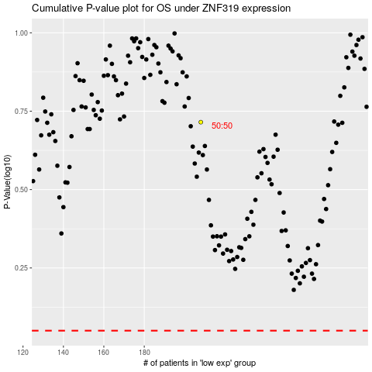

 |  |  |  |  |  | cases_OS | p_OS | rank | exp
 |  |  |  |  |  |  | cases_RFS | p_RFS | rank | exp

