ZNF322A _multivariate
Reported by Tex Li-Hsing Chi. tex@gate.sinica.edu.tw 2019-08-14

Table 2. The clinicopathological features of HNSCC cohort and ZNF322A expression. (Chi square test)
Cutoff at -0.193 (49.8%)
 |  | ZNF322A expression |  | ZNF322A expression |  | (Optimised)
 | Features | Low | (%) | High | (%) | Case no | P-value | Remark | Matthews
Gender | Female | 143 | 34.5 | 163 | 39.3 | 415 | 0.0416 | 1 | 0
2 | Male | 64 | 15.4 | 45 | 10.8
Age at diagnosis | <=65y | 126 | 30.4 | 148 | 35.7 | 415 | 0.035 | 1 | 0
4 | >65y | 81 | 19.5 | 60 | 14.5
Clinical T Status | T1+T2 | 73 | 17.6 | 76 | 18.3 | 415 | 0.8666 | 0 | 0
6 | T3+T4 | 134 | 32.3 | 132 | 31.8
Clinical N Status | N0 | 108 | 26 | 108 | 26 | 415 | 1 | 0 | 0
8 | N1-3 | 99 | 23.9 | 100 | 24.1
Clinical M Status | M0 | 205 | 49.4 | 207 | 49.9 | 415 | 0.6232 | 0 | 0
10 | M1 | 2 | 0.5 | 1 | 0.2
Clinical Stage | Stage I+II | 48 | 11.6 | 54 | 13 | 415 | 0.5878 | 0 | 0
12 | Stage III+IV | 159 | 38.3 | 154 | 37.1
Surgical Margin status | Negative | 158 | 38.1 | 160 | 38.6 | 415 | 0.9081 | 0 | 0
14 | Positive | 49 | 11.8 | 48 | 11.6
Tobacco Exposure | Low | 93 | 22.4 | 68 | 16.4 | 415 | 0.0118 | 1 | 0
16 | High | 114 | 27.5 | 140 | 33.7

Table 3. Univariate/Multivariate Cox's proportional hazards regression analyses on OS time of ZNF322A gene expression in HNSCC

 |  | Univariate |  |  |  | Multivariate
 | Features | HR | CI95%(L) | CI95%(H) | P-value | HR | CI95%(L) | CI95%(H) | P-value
1 | Female | 1 |  |  |  | 1
Gender | Male | 1.157 | 0.843 | 1.587 | 0.367 | 1.235 | 0.884 | 1.727 | 0.216
11 | <=65y | 1 |  |  |  | 1
Age at diagnosis | >65y | 1.329 | 0.99 | 1.784 | 0.058 | 1.422 | 1.045 | 1.935 | 0.025
12 | T1+T2 | 1 |  |  |  | 1
Clinical T Status | T3+T4 | 1.409 | 1.028 | 1.931 | 0.033 | 2.208 | 1.167 | 4.177 | 0.015
13 | N0 | 1 |  |  |  | 1
Clinical N Status | N1-3 | 1.185 | 0.89 | 1.577 | 0.246 | 1.222 | 0.856 | 1.745 | 0.269
14 | M0 | 1 |  |  |  | 1
Clinical M Status | M1 | 4.097 | 1.009 | 16.644 | 0.049 | 9.763 | 2.127 | 44.825 | 0.003
15 | Stage I+II | 1 |  |  |  | 1
Clinical Stage | Stage III+IV | 1.245 | 0.882 | 1.759 | 0.213 | 0.51 | 0.238 | 1.094 | 0.084
16 | Negative | 1 |  |  |  | 1
Surgical Margin status | Positive | 1.591 | 1.155 | 2.191 | 0.004 | 1.713 | 1.237 | 2.372 | 0.001
17 | Low | 1 |  |  |  | 1
Tobacco Exposure | High | 1.364 | 1.008 | 1.844 | 0.044 | 1.424 | 1.034 | 1.963 | 0.031
18 | Low | 1 |  |  |  | 1
RNAseq(z-score) | High | 1.187 | 0.891 | 1.583 | 0.241 | 1.266 | 0.942 | 1.702 | 0.118

Table 4. Univariate/Multivariate Cox's proportional hazards regression analyses on RFS time of ZNF322A gene expression in HNSCC

 |  | Univariate |  |  |  | Multivariate
 | Features | HR | CI95%(L) | CI95%(H) | P-value | HR | CI95%(L) | CI95%(H) | P-value
1 | Female | 1 |  |  |  | 1
Gender | Male | 1.157 | 0.843 | 1.587 | 0.367 | 1.235 | 0.884 | 1.727 | 0.216
11 | <=65y | 1 |  |  |  | 1
Age at diagnosis | >65y | 1.329 | 0.99 | 1.784 | 0.058 | 1.422 | 1.045 | 1.935 | 0.025
12 | T1+T2 | 1 |  |  |  | 1
Clinical T Status | T3+T4 | 1.409 | 1.028 | 1.931 | 0.033 | 2.208 | 1.167 | 4.177 | 0.015
13 | N0 | 1 |  |  |  | 1
Clinical N Status | N1-3 | 1.185 | 0.89 | 1.577 | 0.246 | 1.222 | 0.856 | 1.745 | 0.269
14 | M0 | 1 |  |  |  | 1
Clinical M Status | M1 | 4.097 | 1.009 | 16.644 | 0.049 | 9.763 | 2.127 | 44.825 | 0.003
15 | Stage I+II | 1 |  |  |  | 1
Clinical Stage | Stage III+IV | 1.245 | 0.882 | 1.759 | 0.213 | 0.51 | 0.238 | 1.094 | 0.084
16 | Negative | 1 |  |  |  | 1
Surgical Margin status | Positive | 1.591 | 1.155 | 2.191 | 0.004 | 1.713 | 1.237 | 2.372 | 0.001
17 | Low | 1 |  |  |  | 1
Tobacco Exposure | High | 1.364 | 1.008 | 1.844 | 0.044 | 1.424 | 1.034 | 1.963 | 0.031
18 | Low | 1 |  |  |  | 1
RNAseq(z-score) | High | 1.187 | 0.891 | 1.583 | 0.241 | 1.266 | 0.942 | 1.702 | 0.118

Kaplan-Meier survival estimate: Cutoff at -0.193 (49.8%)



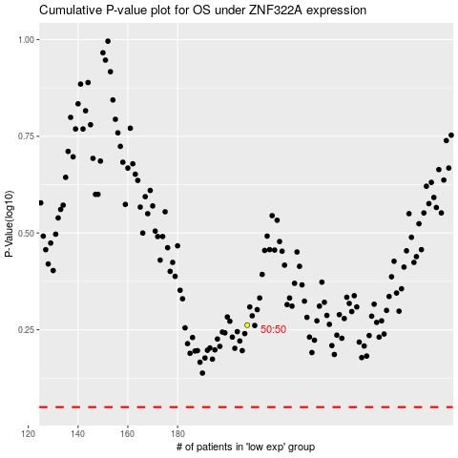

 |  |  |  |  |  | cases_OS | p_OS | rank | exp
 |  |  |  |  |  |  | cases_RFS | p_RFS | rank | exp

