ZNF323 _multivariate
Reported by Tex Li-Hsing Chi. tex@gate.sinica.edu.tw 2019-08-14

Table 2. The clinicopathological features of HNSCC cohort and ZNF323 expression. (Chi square test)
Cutoff at -0.239 (49.8%)
 |  | ZNF323 expression |  | ZNF323 expression |  | (Optimised)
 | Features | Low | (%) | High | (%) | Case no | P-value | Remark | Matthews
Gender | Female | 162 | 39 | 144 | 34.7 | 415 | 0.0479 | 1 | 0
2 | Male | 45 | 10.8 | 64 | 15.4
Age at diagnosis | <=65y | 142 | 34.2 | 132 | 31.8 | 415 | 0.3167 | 0 | 0
4 | >65y | 65 | 15.7 | 76 | 18.3
Clinical T Status | T1+T2 | 67 | 16.1 | 82 | 19.8 | 415 | 0.1628 | 0 | 0
6 | T3+T4 | 140 | 33.7 | 126 | 30.4
Clinical N Status | N0 | 88 | 21.2 | 128 | 30.8 | 415 | 2e-04 | 1 | 0
8 | N1-3 | 119 | 28.7 | 80 | 19.3
Clinical M Status | M0 | 205 | 49.4 | 207 | 49.9 | 415 | 0.6232 | 0 | 0
10 | M1 | 2 | 0.5 | 1 | 0.2
Clinical Stage | Stage I+II | 37 | 8.9 | 65 | 15.7 | 415 | 0.0023 | 1 | 0
12 | Stage III+IV | 170 | 41 | 143 | 34.5
Surgical Margin status | Negative | 159 | 38.3 | 159 | 38.3 | 415 | 1 | 0 | 0
14 | Positive | 48 | 11.6 | 49 | 11.8
Tobacco Exposure | Low | 68 | 16.4 | 93 | 22.4 | 415 | 0.0156 | 1 | 0
16 | High | 139 | 33.5 | 115 | 27.7

Table 3. Univariate/Multivariate Cox's proportional hazards regression analyses on OS time of ZNF323 gene expression in HNSCC

 |  | Univariate |  |  |  | Multivariate
 | Features | HR | CI95%(L) | CI95%(H) | P-value | HR | CI95%(L) | CI95%(H) | P-value
1 | Female | 1 |  |  |  | 1
Gender | Male | 1.157 | 0.843 | 1.587 | 0.367 | 1.18 | 0.845 | 1.649 | 0.332
11 | <=65y | 1 |  |  |  | 1
Age at diagnosis | >65y | 1.329 | 0.99 | 1.784 | 0.058 | 1.423 | 1.044 | 1.939 | 0.026
12 | T1+T2 | 1 |  |  |  | 1
Clinical T Status | T3+T4 | 1.409 | 1.028 | 1.931 | 0.033 | 2.194 | 1.161 | 4.146 | 0.016
13 | N0 | 1 |  |  |  | 1
Clinical N Status | N1-3 | 1.185 | 0.89 | 1.577 | 0.246 | 1.296 | 0.903 | 1.86 | 0.159
14 | M0 | 1 |  |  |  | 1
Clinical M Status | M1 | 4.097 | 1.009 | 16.644 | 0.049 | 9.293 | 2.027 | 42.617 | 0.004
15 | Stage I+II | 1 |  |  |  | 1
Clinical Stage | Stage III+IV | 1.245 | 0.882 | 1.759 | 0.213 | 0.512 | 0.239 | 1.099 | 0.086
16 | Negative | 1 |  |  |  | 1
Surgical Margin status | Positive | 1.591 | 1.155 | 2.191 | 0.004 | 1.648 | 1.192 | 2.279 | 0.003
17 | Low | 1 |  |  |  | 1
Tobacco Exposure | High | 1.364 | 1.008 | 1.844 | 0.044 | 1.477 | 1.071 | 2.037 | 0.017
18 | Low | 1 |  |  |  | 1
RNAseq(z-score) | High | 1.157 | 0.868 | 1.542 | 0.321 | 1.227 | 0.909 | 1.655 | 0.181

Table 4. Univariate/Multivariate Cox's proportional hazards regression analyses on RFS time of ZNF323 gene expression in HNSCC

 |  | Univariate |  |  |  | Multivariate
 | Features | HR | CI95%(L) | CI95%(H) | P-value | HR | CI95%(L) | CI95%(H) | P-value
1 | Female | 1 |  |  |  | 1
Gender | Male | 1.157 | 0.843 | 1.587 | 0.367 | 1.18 | 0.845 | 1.649 | 0.332
11 | <=65y | 1 |  |  |  | 1
Age at diagnosis | >65y | 1.329 | 0.99 | 1.784 | 0.058 | 1.423 | 1.044 | 1.939 | 0.026
12 | T1+T2 | 1 |  |  |  | 1
Clinical T Status | T3+T4 | 1.409 | 1.028 | 1.931 | 0.033 | 2.194 | 1.161 | 4.146 | 0.016
13 | N0 | 1 |  |  |  | 1
Clinical N Status | N1-3 | 1.185 | 0.89 | 1.577 | 0.246 | 1.296 | 0.903 | 1.86 | 0.159
14 | M0 | 1 |  |  |  | 1
Clinical M Status | M1 | 4.097 | 1.009 | 16.644 | 0.049 | 9.293 | 2.027 | 42.617 | 0.004
15 | Stage I+II | 1 |  |  |  | 1
Clinical Stage | Stage III+IV | 1.245 | 0.882 | 1.759 | 0.213 | 0.512 | 0.239 | 1.099 | 0.086
16 | Negative | 1 |  |  |  | 1
Surgical Margin status | Positive | 1.591 | 1.155 | 2.191 | 0.004 | 1.648 | 1.192 | 2.279 | 0.003
17 | Low | 1 |  |  |  | 1
Tobacco Exposure | High | 1.364 | 1.008 | 1.844 | 0.044 | 1.477 | 1.071 | 2.037 | 0.017
18 | Low | 1 |  |  |  | 1
RNAseq(z-score) | High | 1.157 | 0.868 | 1.542 | 0.321 | 1.227 | 0.909 | 1.655 | 0.181

Kaplan-Meier survival estimate: Cutoff at -0.239 (49.8%)



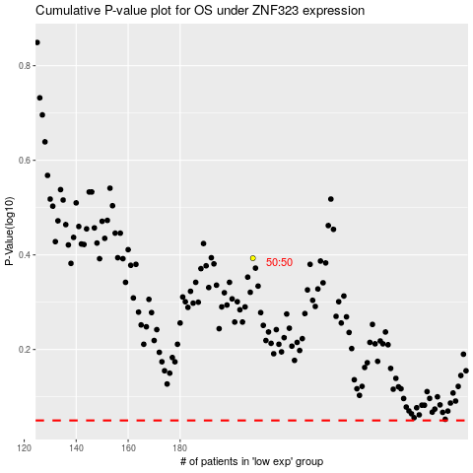

 |  |  |  |  |  | cases_OS | p_OS | rank | exp
 |  |  |  |  |  |  | cases_RFS | p_RFS | rank | exp

