ZNF331 _multivariate
Reported by Tex Li-Hsing Chi. tex@gate.sinica.edu.tw 2019-08-14

Table 2. The clinicopathological features of HNSCC cohort and ZNF331 expression. (Chi square test)
Cutoff at -0.261 (49.8%)
 |  | ZNF331 expression |  | ZNF331 expression |  | (Optimised)
 | Features | Low | (%) | High | (%) | Case no | P-value | Remark | Matthews
Gender | Female | 150 | 36.1 | 156 | 37.6 | 415 | 0.6344 | 0 | 0
2 | Male | 57 | 13.7 | 52 | 12.5
Age at diagnosis | <=65y | 127 | 30.6 | 147 | 35.4 | 415 | 0.0573 | 0 | 0
4 | >65y | 80 | 19.3 | 61 | 14.7
Clinical T Status | T1+T2 | 72 | 17.3 | 77 | 18.6 | 415 | 0.7095 | 0 | 0
6 | T3+T4 | 135 | 32.5 | 131 | 31.6
Clinical N Status | N0 | 114 | 27.5 | 102 | 24.6 | 415 | 0.2576 | 1 | 0
8 | N1-3 | 93 | 22.4 | 106 | 25.5
Clinical M Status | M0 | 204 | 49.2 | 208 | 50.1 | 415 | 0.1232 | 0 | 0
10 | M1 | 3 | 0.7 | 0 | 0
Clinical Stage | Stage I+II | 54 | 13 | 48 | 11.6 | 415 | 0.5498 | 0 | 0
12 | Stage III+IV | 153 | 36.9 | 160 | 38.6
Surgical Margin status | Negative | 157 | 37.8 | 161 | 38.8 | 415 | 0.729 | 0 | 0
14 | Positive | 50 | 12 | 47 | 11.3
Tobacco Exposure | Low | 81 | 19.5 | 80 | 19.3 | 415 | 0.9199 | 0 | 0
16 | High | 126 | 30.4 | 128 | 30.8

Table 3. Univariate/Multivariate Cox's proportional hazards regression analyses on OS time of ZNF331 gene expression in HNSCC

 |  | Univariate |  |  |  | Multivariate
 | Features | HR | CI95%(L) | CI95%(H) | P-value | HR | CI95%(L) | CI95%(H) | P-value
1 | Female | 1 |  |  |  | 1
Gender | Male | 1.157 | 0.843 | 1.587 | 0.367 | 1.19 | 0.851 | 1.664 | 0.31
11 | <=65y | 1 |  |  |  | 1
Age at diagnosis | >65y | 1.329 | 0.99 | 1.784 | 0.058 | 1.386 | 1.02 | 1.885 | 0.037
12 | T1+T2 | 1 |  |  |  | 1
Clinical T Status | T3+T4 | 1.409 | 1.028 | 1.931 | 0.033 | 2.15 | 1.136 | 4.071 | 0.019
13 | N0 | 1 |  |  |  | 1
Clinical N Status | N1-3 | 1.185 | 0.89 | 1.577 | 0.246 | 1.257 | 0.88 | 1.794 | 0.208
14 | M0 | 1 |  |  |  | 1
Clinical M Status | M1 | 4.097 | 1.009 | 16.644 | 0.049 | 8.411 | 1.814 | 39.011 | 0.007
15 | Stage I+II | 1 |  |  |  | 1
Clinical Stage | Stage III+IV | 1.245 | 0.882 | 1.759 | 0.213 | 0.514 | 0.239 | 1.104 | 0.088
16 | Negative | 1 |  |  |  | 1
Surgical Margin status | Positive | 1.591 | 1.155 | 2.191 | 0.004 | 1.661 | 1.202 | 2.295 | 0.002
17 | Low | 1 |  |  |  | 1
Tobacco Exposure | High | 1.364 | 1.008 | 1.844 | 0.044 | 1.441 | 1.044 | 1.987 | 0.026
18 | Low | 1 |  |  |  | 1
RNAseq(z-score) | High | 0.783 | 0.587 | 1.044 | 0.095 | 0.846 | 0.632 | 1.133 | 0.262

Table 4. Univariate/Multivariate Cox's proportional hazards regression analyses on RFS time of ZNF331 gene expression in HNSCC

 |  | Univariate |  |  |  | Multivariate
 | Features | HR | CI95%(L) | CI95%(H) | P-value | HR | CI95%(L) | CI95%(H) | P-value
1 | Female | 1 |  |  |  | 1
Gender | Male | 1.157 | 0.843 | 1.587 | 0.367 | 1.19 | 0.851 | 1.664 | 0.31
11 | <=65y | 1 |  |  |  | 1
Age at diagnosis | >65y | 1.329 | 0.99 | 1.784 | 0.058 | 1.386 | 1.02 | 1.885 | 0.037
12 | T1+T2 | 1 |  |  |  | 1
Clinical T Status | T3+T4 | 1.409 | 1.028 | 1.931 | 0.033 | 2.15 | 1.136 | 4.071 | 0.019
13 | N0 | 1 |  |  |  | 1
Clinical N Status | N1-3 | 1.185 | 0.89 | 1.577 | 0.246 | 1.257 | 0.88 | 1.794 | 0.208
14 | M0 | 1 |  |  |  | 1
Clinical M Status | M1 | 4.097 | 1.009 | 16.644 | 0.049 | 8.411 | 1.814 | 39.011 | 0.007
15 | Stage I+II | 1 |  |  |  | 1
Clinical Stage | Stage III+IV | 1.245 | 0.882 | 1.759 | 0.213 | 0.514 | 0.239 | 1.104 | 0.088
16 | Negative | 1 |  |  |  | 1
Surgical Margin status | Positive | 1.591 | 1.155 | 2.191 | 0.004 | 1.661 | 1.202 | 2.295 | 0.002
17 | Low | 1 |  |  |  | 1
Tobacco Exposure | High | 1.364 | 1.008 | 1.844 | 0.044 | 1.441 | 1.044 | 1.987 | 0.026
18 | Low | 1 |  |  |  | 1
RNAseq(z-score) | High | 0.783 | 0.587 | 1.044 | 0.095 | 0.846 | 0.632 | 1.133 | 0.262

Kaplan-Meier survival estimate: Cutoff at -0.261 (49.8%)



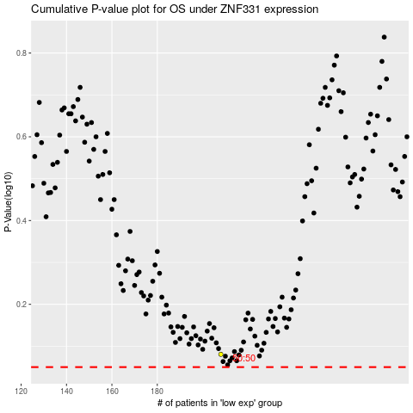

 |  |  |  |  |  | cases_OS | p_OS | rank | exp
 |  |  |  |  |  |  | cases_RFS | p_RFS | rank | exp

