ZNF334 _multivariate
Reported by Tex Li-Hsing Chi. tex@gate.sinica.edu.tw 2019-08-14

Table 2. The clinicopathological features of HNSCC cohort and ZNF334 expression. (Chi square test)
Cutoff at -0.438 (49.8%)
 |  | ZNF334 expression |  | ZNF334 expression |  | (Optimised)
 | Features | Low | (%) | High | (%) | Case no | P-value | Remark | Matthews
Gender | Female | 153 | 36.9 | 153 | 36.9 | 415 | 1 | 0 | 0
2 | Male | 54 | 13 | 55 | 13.3
Age at diagnosis | <=65y | 129 | 31.1 | 145 | 34.9 | 415 | 0.1372 | 0 | 0
4 | >65y | 78 | 18.8 | 63 | 15.2
Clinical T Status | T1+T2 | 78 | 18.8 | 71 | 17.1 | 415 | 0.5152 | 0 | 0
6 | T3+T4 | 129 | 31.1 | 137 | 33
Clinical N Status | N0 | 105 | 25.3 | 111 | 26.7 | 415 | 0.6598 | 0 | 0
8 | N1-3 | 102 | 24.6 | 97 | 23.4
Clinical M Status | M0 | 204 | 49.2 | 208 | 50.1 | 415 | 0.1232 | 0 | 0
10 | M1 | 3 | 0.7 | 0 | 0
Clinical Stage | Stage I+II | 52 | 12.5 | 50 | 12 | 415 | 0.8871 | 0 | 0
12 | Stage III+IV | 155 | 37.3 | 158 | 38.1
Surgical Margin status | Negative | 162 | 39 | 156 | 37.6 | 415 | 0.4867 | 0 | 0
14 | Positive | 45 | 10.8 | 52 | 12.5
Tobacco Exposure | Low | 95 | 22.9 | 66 | 15.9 | 415 | 0.0035 | 1 | 0
16 | High | 112 | 27 | 142 | 34.2

Table 3. Univariate/Multivariate Cox's proportional hazards regression analyses on OS time of ZNF334 gene expression in HNSCC

 |  | Univariate |  |  |  | Multivariate
 | Features | HR | CI95%(L) | CI95%(H) | P-value | HR | CI95%(L) | CI95%(H) | P-value
1 | Female | 1 |  |  |  | 1
Gender | Male | 1.157 | 0.843 | 1.587 | 0.367 | 1.199 | 0.858 | 1.675 | 0.288
11 | <=65y | 1 |  |  |  | 1
Age at diagnosis | >65y | 1.329 | 0.99 | 1.784 | 0.058 | 1.396 | 1.027 | 1.898 | 0.033
12 | T1+T2 | 1 |  |  |  | 1
Clinical T Status | T3+T4 | 1.409 | 1.028 | 1.931 | 0.033 | 2.223 | 1.174 | 4.208 | 0.014
13 | N0 | 1 |  |  |  | 1
Clinical N Status | N1-3 | 1.185 | 0.89 | 1.577 | 0.246 | 1.246 | 0.873 | 1.779 | 0.226
14 | M0 | 1 |  |  |  | 1
Clinical M Status | M1 | 4.097 | 1.009 | 16.644 | 0.049 | 9.777 | 2.11 | 45.305 | 0.004
15 | Stage I+II | 1 |  |  |  | 1
Clinical Stage | Stage III+IV | 1.245 | 0.882 | 1.759 | 0.213 | 0.499 | 0.232 | 1.073 | 0.075
16 | Negative | 1 |  |  |  | 1
Surgical Margin status | Positive | 1.591 | 1.155 | 2.191 | 0.004 | 1.673 | 1.211 | 2.312 | 0.002
17 | Low | 1 |  |  |  | 1
Tobacco Exposure | High | 1.364 | 1.008 | 1.844 | 0.044 | 1.439 | 1.041 | 1.988 | 0.028
18 | Low | 1 |  |  |  | 1
RNAseq(z-score) | High | 1.047 | 0.786 | 1.395 | 0.752 | 1.065 | 0.794 | 1.43 | 0.673

Table 4. Univariate/Multivariate Cox's proportional hazards regression analyses on RFS time of ZNF334 gene expression in HNSCC

 |  | Univariate |  |  |  | Multivariate
 | Features | HR | CI95%(L) | CI95%(H) | P-value | HR | CI95%(L) | CI95%(H) | P-value
1 | Female | 1 |  |  |  | 1
Gender | Male | 1.157 | 0.843 | 1.587 | 0.367 | 1.199 | 0.858 | 1.675 | 0.288
11 | <=65y | 1 |  |  |  | 1
Age at diagnosis | >65y | 1.329 | 0.99 | 1.784 | 0.058 | 1.396 | 1.027 | 1.898 | 0.033
12 | T1+T2 | 1 |  |  |  | 1
Clinical T Status | T3+T4 | 1.409 | 1.028 | 1.931 | 0.033 | 2.223 | 1.174 | 4.208 | 0.014
13 | N0 | 1 |  |  |  | 1
Clinical N Status | N1-3 | 1.185 | 0.89 | 1.577 | 0.246 | 1.246 | 0.873 | 1.779 | 0.226
14 | M0 | 1 |  |  |  | 1
Clinical M Status | M1 | 4.097 | 1.009 | 16.644 | 0.049 | 9.777 | 2.11 | 45.305 | 0.004
15 | Stage I+II | 1 |  |  |  | 1
Clinical Stage | Stage III+IV | 1.245 | 0.882 | 1.759 | 0.213 | 0.499 | 0.232 | 1.073 | 0.075
16 | Negative | 1 |  |  |  | 1
Surgical Margin status | Positive | 1.591 | 1.155 | 2.191 | 0.004 | 1.673 | 1.211 | 2.312 | 0.002
17 | Low | 1 |  |  |  | 1
Tobacco Exposure | High | 1.364 | 1.008 | 1.844 | 0.044 | 1.439 | 1.041 | 1.988 | 0.028
18 | Low | 1 |  |  |  | 1
RNAseq(z-score) | High | 1.047 | 0.786 | 1.395 | 0.752 | 1.065 | 0.794 | 1.43 | 0.673

Kaplan-Meier survival estimate: Cutoff at -0.438 (49.8%)



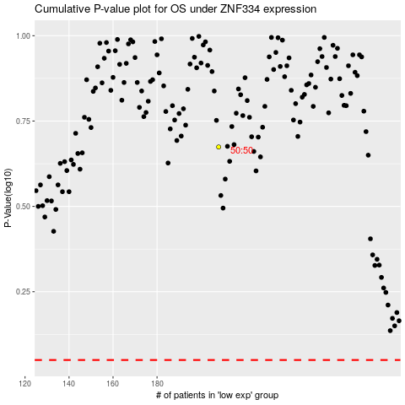

 |  |  |  |  |  | cases_OS | p_OS | rank | exp
 |  |  |  |  |  |  | cases_RFS | p_RFS | rank | exp

