ZNF33B _multivariate
Reported by Tex Li-Hsing Chi. tex@gate.sinica.edu.tw 2019-08-14

Table 2. The clinicopathological features of HNSCC cohort and ZNF33B expression. (Chi square test)
Cutoff at -0.268 (49.8%)
 |  | ZNF33B expression |  | ZNF33B expression |  | (Optimised)
 | Features | Low | (%) | High | (%) | Case no | P-value | Remark | Matthews
Gender | Female | 154 | 37.1 | 152 | 36.6 | 415 | 0.8463 | 0 | 0
2 | Male | 53 | 12.8 | 56 | 13.5
Age at diagnosis | <=65y | 137 | 33 | 137 | 33 | 415 | 1 | 0 | 0
4 | >65y | 70 | 16.9 | 71 | 17.1
Clinical T Status | T1+T2 | 56 | 13.5 | 93 | 22.4 | 415 | 3e-04 | 1 | 0
6 | T3+T4 | 151 | 36.4 | 115 | 27.7
Clinical N Status | N0 | 100 | 24.1 | 116 | 28 | 415 | 0.1548 | 0 | 0
8 | N1-3 | 107 | 25.8 | 92 | 22.2
Clinical M Status | M0 | 206 | 49.6 | 206 | 49.6 | 415 | 1 | 0 | 0
10 | M1 | 1 | 0.2 | 2 | 0.5
Clinical Stage | Stage I+II | 38 | 9.2 | 64 | 15.4 | 415 | 0.0048 | 1 | 0
12 | Stage III+IV | 169 | 40.7 | 144 | 34.7
Surgical Margin status | Negative | 167 | 40.2 | 151 | 36.4 | 415 | 0.0632 | 0 | 0
14 | Positive | 40 | 9.6 | 57 | 13.7
Tobacco Exposure | Low | 70 | 16.9 | 91 | 21.9 | 415 | 0.0439 | 1 | 0
16 | High | 137 | 33 | 117 | 28.2

Table 3. Univariate/Multivariate Cox's proportional hazards regression analyses on OS time of ZNF33B gene expression in HNSCC

 |  | Univariate |  |  |  | Multivariate
 | Features | HR | CI95%(L) | CI95%(H) | P-value | HR | CI95%(L) | CI95%(H) | P-value
1 | Female | 1 |  |  |  | 1
Gender | Male | 1.157 | 0.843 | 1.587 | 0.367 | 1.207 | 0.864 | 1.685 | 0.27
11 | <=65y | 1 |  |  |  | 1
Age at diagnosis | >65y | 1.329 | 0.99 | 1.784 | 0.058 | 1.391 | 1.023 | 1.891 | 0.036
12 | T1+T2 | 1 |  |  |  | 1
Clinical T Status | T3+T4 | 1.409 | 1.028 | 1.931 | 0.033 | 2.275 | 1.199 | 4.316 | 0.012
13 | N0 | 1 |  |  |  | 1
Clinical N Status | N1-3 | 1.185 | 0.89 | 1.577 | 0.246 | 1.24 | 0.868 | 1.77 | 0.237
14 | M0 | 1 |  |  |  | 1
Clinical M Status | M1 | 4.097 | 1.009 | 16.644 | 0.049 | 9.504 | 2.072 | 43.586 | 0.004
15 | Stage I+II | 1 |  |  |  | 1
Clinical Stage | Stage III+IV | 1.245 | 0.882 | 1.759 | 0.213 | 0.501 | 0.234 | 1.076 | 0.077
16 | Negative | 1 |  |  |  | 1
Surgical Margin status | Positive | 1.591 | 1.155 | 2.191 | 0.004 | 1.65 | 1.193 | 2.283 | 0.003
17 | Low | 1 |  |  |  | 1
Tobacco Exposure | High | 1.364 | 1.008 | 1.844 | 0.044 | 1.466 | 1.064 | 2.021 | 0.019
18 | Low | 1 |  |  |  | 1
RNAseq(z-score) | High | 1.091 | 0.818 | 1.455 | 0.555 | 1.16 | 0.863 | 1.558 | 0.325

Table 4. Univariate/Multivariate Cox's proportional hazards regression analyses on RFS time of ZNF33B gene expression in HNSCC

 |  | Univariate |  |  |  | Multivariate
 | Features | HR | CI95%(L) | CI95%(H) | P-value | HR | CI95%(L) | CI95%(H) | P-value
1 | Female | 1 |  |  |  | 1
Gender | Male | 1.157 | 0.843 | 1.587 | 0.367 | 1.207 | 0.864 | 1.685 | 0.27
11 | <=65y | 1 |  |  |  | 1
Age at diagnosis | >65y | 1.329 | 0.99 | 1.784 | 0.058 | 1.391 | 1.023 | 1.891 | 0.036
12 | T1+T2 | 1 |  |  |  | 1
Clinical T Status | T3+T4 | 1.409 | 1.028 | 1.931 | 0.033 | 2.275 | 1.199 | 4.316 | 0.012
13 | N0 | 1 |  |  |  | 1
Clinical N Status | N1-3 | 1.185 | 0.89 | 1.577 | 0.246 | 1.24 | 0.868 | 1.77 | 0.237
14 | M0 | 1 |  |  |  | 1
Clinical M Status | M1 | 4.097 | 1.009 | 16.644 | 0.049 | 9.504 | 2.072 | 43.586 | 0.004
15 | Stage I+II | 1 |  |  |  | 1
Clinical Stage | Stage III+IV | 1.245 | 0.882 | 1.759 | 0.213 | 0.501 | 0.234 | 1.076 | 0.077
16 | Negative | 1 |  |  |  | 1
Surgical Margin status | Positive | 1.591 | 1.155 | 2.191 | 0.004 | 1.65 | 1.193 | 2.283 | 0.003
17 | Low | 1 |  |  |  | 1
Tobacco Exposure | High | 1.364 | 1.008 | 1.844 | 0.044 | 1.466 | 1.064 | 2.021 | 0.019
18 | Low | 1 |  |  |  | 1
RNAseq(z-score) | High | 1.091 | 0.818 | 1.455 | 0.555 | 1.16 | 0.863 | 1.558 | 0.325

Kaplan-Meier survival estimate: Cutoff at -0.268 (49.8%)



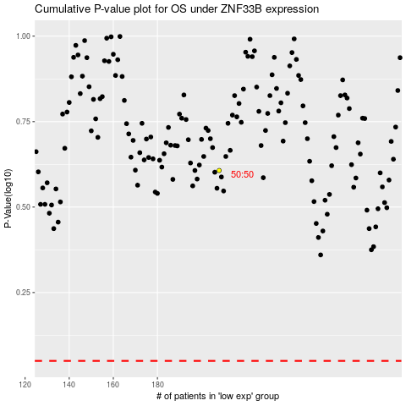

 |  |  |  |  |  | cases_OS | p_OS | rank | exp
 |  |  |  |  |  |  | cases_RFS | p_RFS | rank | exp

