ZNF34 _multivariate
Reported by Tex Li-Hsing Chi. tex@gate.sinica.edu.tw 2019-08-14

Table 2. The clinicopathological features of HNSCC cohort and ZNF34 expression. (Chi square test)
Cutoff at -0.547 (30.4%)
 |  | ZNF34 expression |  | ZNF34 expression |  | (Optimised)
 | Features | Low | (%) | High | (%) | Case no | P-value | Remark | Matthews
Gender | Female | 84 | 20.2 | 222 | 53.5 | 415 | 0.0414 | 1 | 0
2 | Male | 42 | 10.1 | 67 | 16.1
Age at diagnosis | <=65y | 78 | 18.8 | 196 | 47.2 | 415 | 0.2904 | 0 | 0
4 | >65y | 48 | 11.6 | 93 | 22.4
Clinical T Status | T1+T2 | 47 | 11.3 | 102 | 24.6 | 415 | 0.7789 | 0 | 0
6 | T3+T4 | 79 | 19 | 187 | 45.1
Clinical N Status | N0 | 75 | 18.1 | 141 | 34 | 415 | 0.0567 | 0 | 0
8 | N1-3 | 51 | 12.3 | 148 | 35.7
Clinical M Status | M0 | 126 | 30.4 | 286 | 68.9 | 415 | 0.5566 | 0 | 0
10 | M1 | 0 | 0 | 3 | 0.7
Clinical Stage | Stage I+II | 34 | 8.2 | 68 | 16.4 | 415 | 0.5302 | 0 | 0
12 | Stage III+IV | 92 | 22.2 | 221 | 53.3
Surgical Margin status | Negative | 96 | 23.1 | 222 | 53.5 | 415 | 0.9001 | 0 | 0
14 | Positive | 30 | 7.2 | 67 | 16.1
Tobacco Exposure | Low | 55 | 13.3 | 106 | 25.5 | 415 | 0.1899 | 0 | 0
16 | High | 71 | 17.1 | 183 | 44.1

Table 3. Univariate/Multivariate Cox's proportional hazards regression analyses on OS time of ZNF34 gene expression in HNSCC

 |  | Univariate |  |  |  | Multivariate
 | Features | HR | CI95%(L) | CI95%(H) | P-value | HR | CI95%(L) | CI95%(H) | P-value
1 | Female | 1 |  |  |  | 1
Gender | Male | 1.157 | 0.843 | 1.587 | 0.367 | 1.228 | 0.878 | 1.717 | 0.231
11 | <=65y | 1 |  |  |  | 1
Age at diagnosis | >65y | 1.329 | 0.99 | 1.784 | 0.058 | 1.4 | 1.03 | 1.904 | 0.032
12 | T1+T2 | 1 |  |  |  | 1
Clinical T Status | T3+T4 | 1.409 | 1.028 | 1.931 | 0.033 | 2.118 | 1.119 | 4.01 | 0.021
13 | N0 | 1 |  |  |  | 1
Clinical N Status | N1-3 | 1.185 | 0.89 | 1.577 | 0.246 | 1.207 | 0.845 | 1.725 | 0.301
14 | M0 | 1 |  |  |  | 1
Clinical M Status | M1 | 4.097 | 1.009 | 16.644 | 0.049 | 8.522 | 1.854 | 39.173 | 0.006
15 | Stage I+II | 1 |  |  |  | 1
Clinical Stage | Stage III+IV | 1.245 | 0.882 | 1.759 | 0.213 | 0.53 | 0.247 | 1.14 | 0.104
16 | Negative | 1 |  |  |  | 1
Surgical Margin status | Positive | 1.591 | 1.155 | 2.191 | 0.004 | 1.63 | 1.179 | 2.253 | 0.003
17 | Low | 1 |  |  |  | 1
Tobacco Exposure | High | 1.364 | 1.008 | 1.844 | 0.044 | 1.449 | 1.053 | 1.995 | 0.023
18 | Low | 1 |  |  |  | 1
RNAseq(z-score) | High | 1.396 | 1.005 | 1.938 | 0.047 | 1.334 | 0.956 | 1.862 | 0.09

Table 4. Univariate/Multivariate Cox's proportional hazards regression analyses on RFS time of ZNF34 gene expression in HNSCC

 |  | Univariate |  |  |  | Multivariate
 | Features | HR | CI95%(L) | CI95%(H) | P-value | HR | CI95%(L) | CI95%(H) | P-value
1 | Female | 1 |  |  |  | 1
Gender | Male | 1.157 | 0.843 | 1.587 | 0.367 | 1.228 | 0.878 | 1.717 | 0.231
11 | <=65y | 1 |  |  |  | 1
Age at diagnosis | >65y | 1.329 | 0.99 | 1.784 | 0.058 | 1.4 | 1.03 | 1.904 | 0.032
12 | T1+T2 | 1 |  |  |  | 1
Clinical T Status | T3+T4 | 1.409 | 1.028 | 1.931 | 0.033 | 2.118 | 1.119 | 4.01 | 0.021
13 | N0 | 1 |  |  |  | 1
Clinical N Status | N1-3 | 1.185 | 0.89 | 1.577 | 0.246 | 1.207 | 0.845 | 1.725 | 0.301
14 | M0 | 1 |  |  |  | 1
Clinical M Status | M1 | 4.097 | 1.009 | 16.644 | 0.049 | 8.522 | 1.854 | 39.173 | 0.006
15 | Stage I+II | 1 |  |  |  | 1
Clinical Stage | Stage III+IV | 1.245 | 0.882 | 1.759 | 0.213 | 0.53 | 0.247 | 1.14 | 0.104
16 | Negative | 1 |  |  |  | 1
Surgical Margin status | Positive | 1.591 | 1.155 | 2.191 | 0.004 | 1.63 | 1.179 | 2.253 | 0.003
17 | Low | 1 |  |  |  | 1
Tobacco Exposure | High | 1.364 | 1.008 | 1.844 | 0.044 | 1.449 | 1.053 | 1.995 | 0.023
18 | Low | 1 |  |  |  | 1
RNAseq(z-score) | High | 1.396 | 1.005 | 1.938 | 0.047 | 1.334 | 0.956 | 1.862 | 0.09

Kaplan-Meier survival estimate: Cutoff at -0.547 (30.4%)

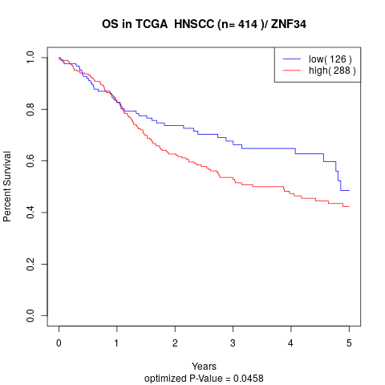

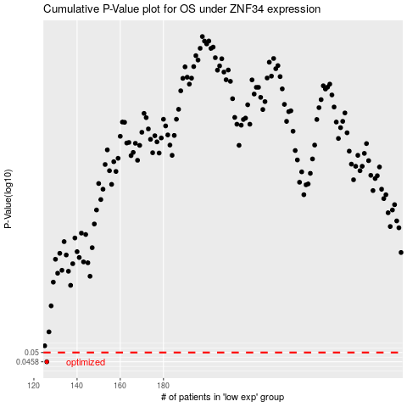

 |  |  |  |  |  | cases_OS | p_OS | rank | exp
 |  |  |  |  |  | 126 | 0.0458 | 302 | -0.54665179359
 |  |  |  |  |  |  | cases_RFS | p_RFS | rank | exp
 |  |  |  |  |  |  | 125 | 0.0458 | 303 | -0.54667680988

