ZNF385A _multivariate
Reported by Tex Li-Hsing Chi. tex@gate.sinica.edu.tw 2019-08-14

Table 2. The clinicopathological features of HNSCC cohort and ZNF385A expression. (Chi square test)
Cutoff at -0.563 (31.6%)
 |  | ZNF385A expression |  | ZNF385A expression |  | (Optimised)
 | Features | Low | (%) | High | (%) | Case no | P-value | Remark | Matthews
Gender | Female | 105 | 25.3 | 201 | 48.4 | 415 | 0.0577 | 0 | 0
2 | Male | 26 | 6.3 | 83 | 20
Age at diagnosis | <=65y | 93 | 22.4 | 181 | 43.6 | 415 | 0.1803 | 0 | 0
4 | >65y | 38 | 9.2 | 103 | 24.8
Clinical T Status | T1+T2 | 57 | 13.7 | 92 | 22.2 | 415 | 0.0371 | 1 | 0
6 | T3+T4 | 74 | 17.8 | 192 | 46.3
Clinical N Status | N0 | 65 | 15.7 | 151 | 36.4 | 415 | 0.5706 | 0 | 0
8 | N1-3 | 66 | 15.9 | 133 | 32
Clinical M Status | M0 | 131 | 31.6 | 281 | 67.7 | 415 | 0.5549 | 0 | 0
10 | M1 | 0 | 0 | 3 | 0.7
Clinical Stage | Stage I+II | 35 | 8.4 | 67 | 16.1 | 415 | 0.5722 | 0 | 0
12 | Stage III+IV | 96 | 23.1 | 217 | 52.3
Surgical Margin status | Negative | 90 | 21.7 | 228 | 54.9 | 415 | 0.0124 | 1 | 0
14 | Positive | 41 | 9.9 | 56 | 13.5
Tobacco Exposure | Low | 45 | 10.8 | 116 | 28 | 415 | 0.2336 | 0 | 0
16 | High | 86 | 20.7 | 168 | 40.5

Table 3. Univariate/Multivariate Cox's proportional hazards regression analyses on OS time of ZNF385A gene expression in HNSCC

 |  | Univariate |  |  |  | Multivariate
 | Features | HR | CI95%(L) | CI95%(H) | P-value | HR | CI95%(L) | CI95%(H) | P-value
1 | Female | 1 |  |  |  | 1
Gender | Male | 1.157 | 0.843 | 1.587 | 0.367 | 1.19 | 0.852 | 1.664 | 0.307
11 | <=65y | 1 |  |  |  | 1
Age at diagnosis | >65y | 1.329 | 0.99 | 1.784 | 0.058 | 1.329 | 0.977 | 1.808 | 0.07
12 | T1+T2 | 1 |  |  |  | 1
Clinical T Status | T3+T4 | 1.409 | 1.028 | 1.931 | 0.033 | 2.069 | 1.094 | 3.914 | 0.025
13 | N0 | 1 |  |  |  | 1
Clinical N Status | N1-3 | 1.185 | 0.89 | 1.577 | 0.246 | 1.269 | 0.889 | 1.81 | 0.189
14 | M0 | 1 |  |  |  | 1
Clinical M Status | M1 | 4.097 | 1.009 | 16.644 | 0.049 | 7.786 | 1.69 | 35.867 | 0.008
15 | Stage I+II | 1 |  |  |  | 1
Clinical Stage | Stage III+IV | 1.245 | 0.882 | 1.759 | 0.213 | 0.504 | 0.235 | 1.082 | 0.079
16 | Negative | 1 |  |  |  | 1
Surgical Margin status | Positive | 1.591 | 1.155 | 2.191 | 0.004 | 1.806 | 1.3 | 2.509 | 0
17 | Low | 1 |  |  |  | 1
Tobacco Exposure | High | 1.364 | 1.008 | 1.844 | 0.044 | 1.48 | 1.072 | 2.044 | 0.017
18 | Low | 1 |  |  |  | 1
RNAseq(z-score) | High | 1.6 | 1.135 | 2.256 | 0.007 | 1.65 | 1.159 | 2.35 | 0.006

Table 4. Univariate/Multivariate Cox's proportional hazards regression analyses on RFS time of ZNF385A gene expression in HNSCC

 |  | Univariate |  |  |  | Multivariate
 | Features | HR | CI95%(L) | CI95%(H) | P-value | HR | CI95%(L) | CI95%(H) | P-value
1 | Female | 1 |  |  |  | 1
Gender | Male | 1.157 | 0.843 | 1.587 | 0.367 | 1.19 | 0.852 | 1.664 | 0.307
11 | <=65y | 1 |  |  |  | 1
Age at diagnosis | >65y | 1.329 | 0.99 | 1.784 | 0.058 | 1.329 | 0.977 | 1.808 | 0.07
12 | T1+T2 | 1 |  |  |  | 1
Clinical T Status | T3+T4 | 1.409 | 1.028 | 1.931 | 0.033 | 2.069 | 1.094 | 3.914 | 0.025
13 | N0 | 1 |  |  |  | 1
Clinical N Status | N1-3 | 1.185 | 0.89 | 1.577 | 0.246 | 1.269 | 0.889 | 1.81 | 0.189
14 | M0 | 1 |  |  |  | 1
Clinical M Status | M1 | 4.097 | 1.009 | 16.644 | 0.049 | 7.786 | 1.69 | 35.867 | 0.008
15 | Stage I+II | 1 |  |  |  | 1
Clinical Stage | Stage III+IV | 1.245 | 0.882 | 1.759 | 0.213 | 0.504 | 0.235 | 1.082 | 0.079
16 | Negative | 1 |  |  |  | 1
Surgical Margin status | Positive | 1.591 | 1.155 | 2.191 | 0.004 | 1.806 | 1.3 | 2.509 | 0
17 | Low | 1 |  |  |  | 1
Tobacco Exposure | High | 1.364 | 1.008 | 1.844 | 0.044 | 1.48 | 1.072 | 2.044 | 0.017
18 | Low | 1 |  |  |  | 1
RNAseq(z-score) | High | 1.6 | 1.135 | 2.256 | 0.007 | 1.65 | 1.159 | 2.35 | 0.006

Kaplan-Meier survival estimate: Cutoff at -0.563 (31.6%)

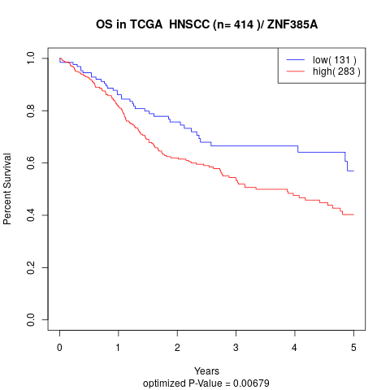

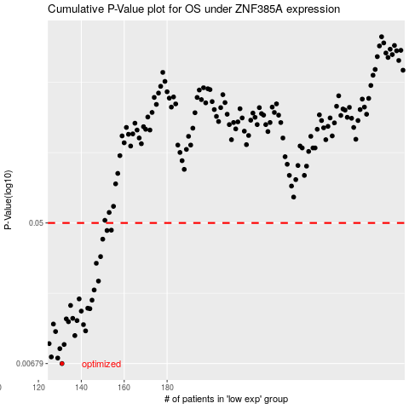

 |  |  |  |  |  | cases_OS | p_OS | rank | exp
 |  |  |  |  |  | 131 | 0.00679 | 338 | -0.5630151927
 |  |  |  |  |  | 129 | 0.00734 | 243 | -0.57479882413
 |  |  |  |  |  | 126 | 0.00746 | 250 | -0.58670876687
 |  |  |  |  |  | 130 | 0.00839 | 17 | -0.5733030288
 |  |  |  |  |  | 132 | 0.0089 | 69 | -0.5626149179
 |  |  |  |  |  | 125 | 0.00901 | 335 | -0.59398367142
 |  |  |  |  |  | 137 | 0.0101 | 251 | -0.52373711041
 |  |  |  |  |  | 128 | 0.0107 | 272 | -0.57782856162
 |  |  |  |  |  | 142 | 0.0108 | 117 | -0.47363326856
 |  |  |  |  |  | 141 | 0.0118 | 146 | -0.47488751185
 |  |  |  |  |  | 127 | 0.0119 | 22 | -0.58096293609
 |  |  |  |  |  | 134 | 0.0123 | 82 | -0.52704948112
 |  |  |  |  |  | 138 | 0.0125 | 237 | -0.50005774126
 |  |  |  |  |  | 133 | 0.0128 | 391 | -0.54604632863
 |  |  |  |  |  | 136 | 0.0129 | 130 | -0.52404368543
 |  |  |  |  |  | 140 | 0.0143 | 157 | -0.47773231731
 |  |  |  |  |  | 144 | 0.0148 | 72 | -0.46976130006
 |  |  |  |  |  | 143 | 0.0149 | 277 | -0.47121241294
 |  |  |  |  |  | 135 | 0.0155 | 381 | -0.52436993407
 |  |  |  |  |  | 145 | 0.0167 | 226 | -0.46308434018
 |  |  |  |  |  | 139 | 0.017 | 33 | -0.49055491595
 |  |  |  |  |  | 146 | 0.0193 | 124 | -0.46277843206
 |  |  |  |  |  | 148 | 0.0219 | 159 | -0.44670755203
 |  |  |  |  |  | 147 | 0.0282 | 166 | -0.45729462722
 |  |  |  |  |  | 149 | 0.031 | 369 | -0.44249559671
 |  |  |  |  |  | 150 | 0.0397 | 208 | -0.43156213242
 |  |  |  |  |  | 152 | 0.0449 | 390 | -0.4140866893
 |  |  |  |  |  | 154 | 0.0451 | 413 | -0.40940410097
 |  |  |  |  |  |  | cases_RFS | p_RFS | rank | exp
 |  |  |  |  |  |  | 130 | 0.00679 | 17 | -0.5733030288
 |  |  |  |  |  |  | 128 | 0.00734 | 272 | -0.57782856162
 |  |  |  |  |  |  | 125 | 0.00746 | 335 | -0.59398367142
 |  |  |  |  |  |  | 129 | 0.00839 | 243 | -0.57479882413
 |  |  |  |  |  |  | 131 | 0.0089 | 338 | -0.5630151927
 |  |  |  |  |  |  |  | 0.00901 | 223 | -0.60052391632
 |  |  |  |  |  |  | 136 | 0.0101 | 130 | -0.52404368543
 |  |  |  |  |  |  | 127 | 0.0107 | 22 | -0.58096293609
 |  |  |  |  |  |  | 141 | 0.0108 | 146 | -0.47488751185
 |  |  |  |  |  |  | 140 | 0.0118 | 157 | -0.47773231731
 |  |  |  |  |  |  | 126 | 0.0119 | 250 | -0.58670876687
 |  |  |  |  |  |  | 133 | 0.0123 | 391 | -0.54604632863
 |  |  |  |  |  |  | 137 | 0.0125 | 251 | -0.52373711041
 |  |  |  |  |  |  | 132 | 0.0128 | 69 | -0.5626149179
 |  |  |  |  |  |  | 135 | 0.0129 | 381 | -0.52436993407
 |  |  |  |  |  |  | 139 | 0.0143 | 33 | -0.49055491595
 |  |  |  |  |  |  | 143 | 0.0148 | 277 | -0.47121241294
 |  |  |  |  |  |  | 142 | 0.0149 | 117 | -0.47363326856
 |  |  |  |  |  |  | 134 | 0.0155 | 82 | -0.52704948112
 |  |  |  |  |  |  | 144 | 0.0167 | 72 | -0.46976130006
 |  |  |  |  |  |  | 138 | 0.017 | 237 | -0.50005774126
 |  |  |  |  |  |  | 145 | 0.0193 | 226 | -0.46308434018
 |  |  |  |  |  |  | 147 | 0.0219 | 166 | -0.45729462722
 |  |  |  |  |  |  | 146 | 0.0282 | 124 | -0.46277843206
 |  |  |  |  |  |  | 148 | 0.031 | 159 | -0.44670755203
 |  |  |  |  |  |  | 149 | 0.0397 | 369 | -0.44249559671
 |  |  |  |  |  |  | 151 | 0.0449 | 171 | -0.41926098475
 |  |  |  |  |  |  | 153 | 0.0451 | 122 | -0.40989260696

