ZNF385B _multivariate
Reported by Tex Li-Hsing Chi. tex@gate.sinica.edu.tw 2019-08-14

Table 2. The clinicopathological features of HNSCC cohort and ZNF385B expression. (Chi square test)
Cutoff at -0.274 (50.0%)
 |  | ZNF385B expression |  | ZNF385B expression |  | (Optimised)
 | Features | Low | (%) | High | (%) | Case no | P-value | Remark | Matthews
Gender | Female | 158 | 38.1 | 148 | 35.7 | 415 | 0.2774 | 0 | 0
2 | Male | 49 | 11.8 | 60 | 14.5
Age at diagnosis | <=65y | 131 | 31.6 | 143 | 34.5 | 415 | 0.2839 | 0 | 0
4 | >65y | 76 | 18.3 | 65 | 15.7
Clinical T Status | T1+T2 | 65 | 15.7 | 84 | 20.2 | 415 | 0.0711 | 0 | 0
6 | T3+T4 | 142 | 34.2 | 124 | 29.9
Clinical N Status | N0 | 99 | 23.9 | 117 | 28.2 | 415 | 0.1054 | 0 | 0
8 | N1-3 | 108 | 26 | 91 | 21.9
Clinical M Status | M0 | 205 | 49.4 | 207 | 49.9 | 415 | 0.6232 | 0 | 0
10 | M1 | 2 | 0.5 | 1 | 0.2
Clinical Stage | Stage I+II | 40 | 9.6 | 62 | 14.9 | 415 | 0.018 | 1 | 0
12 | Stage III+IV | 167 | 40.2 | 146 | 35.2
Surgical Margin status | Negative | 154 | 37.1 | 164 | 39.5 | 415 | 0.2984 | 0 | 0
14 | Positive | 53 | 12.8 | 44 | 10.6
Tobacco Exposure | Low | 78 | 18.8 | 83 | 20 | 415 | 0.6873 | 0 | 0
16 | High | 129 | 31.1 | 125 | 30.1

Table 3. Univariate/Multivariate Cox's proportional hazards regression analyses on OS time of ZNF385B gene expression in HNSCC

 |  | Univariate |  |  |  | Multivariate
 | Features | HR | CI95%(L) | CI95%(H) | P-value | HR | CI95%(L) | CI95%(H) | P-value
1 | Female | 1 |  |  |  | 1
Gender | Male | 1.157 | 0.843 | 1.587 | 0.367 | 1.175 | 0.841 | 1.642 | 0.345
11 | <=65y | 1 |  |  |  | 1
Age at diagnosis | >65y | 1.329 | 0.99 | 1.784 | 0.058 | 1.432 | 1.05 | 1.954 | 0.023
12 | T1+T2 | 1 |  |  |  | 1
Clinical T Status | T3+T4 | 1.409 | 1.028 | 1.931 | 0.033 | 2.209 | 1.167 | 4.18 | 0.015
13 | N0 | 1 |  |  |  | 1
Clinical N Status | N1-3 | 1.185 | 0.89 | 1.577 | 0.246 | 1.265 | 0.885 | 1.807 | 0.197
14 | M0 | 1 |  |  |  | 1
Clinical M Status | M1 | 4.097 | 1.009 | 16.644 | 0.049 | 9.542 | 2.081 | 43.753 | 0.004
15 | Stage I+II | 1 |  |  |  | 1
Clinical Stage | Stage III+IV | 1.245 | 0.882 | 1.759 | 0.213 | 0.505 | 0.235 | 1.086 | 0.08
16 | Negative | 1 |  |  |  | 1
Surgical Margin status | Positive | 1.591 | 1.155 | 2.191 | 0.004 | 1.666 | 1.206 | 2.302 | 0.002
17 | Low | 1 |  |  |  | 1
Tobacco Exposure | High | 1.364 | 1.008 | 1.844 | 0.044 | 1.439 | 1.046 | 1.981 | 0.025
18 | Low | 1 |  |  |  | 1
RNAseq(z-score) | High | 1.191 | 0.892 | 1.589 | 0.237 | 1.239 | 0.924 | 1.663 | 0.152

Table 4. Univariate/Multivariate Cox's proportional hazards regression analyses on RFS time of ZNF385B gene expression in HNSCC

 |  | Univariate |  |  |  | Multivariate
 | Features | HR | CI95%(L) | CI95%(H) | P-value | HR | CI95%(L) | CI95%(H) | P-value
1 | Female | 1 |  |  |  | 1
Gender | Male | 1.157 | 0.843 | 1.587 | 0.367 | 1.175 | 0.841 | 1.642 | 0.345
11 | <=65y | 1 |  |  |  | 1
Age at diagnosis | >65y | 1.329 | 0.99 | 1.784 | 0.058 | 1.432 | 1.05 | 1.954 | 0.023
12 | T1+T2 | 1 |  |  |  | 1
Clinical T Status | T3+T4 | 1.409 | 1.028 | 1.931 | 0.033 | 2.209 | 1.167 | 4.18 | 0.015
13 | N0 | 1 |  |  |  | 1
Clinical N Status | N1-3 | 1.185 | 0.89 | 1.577 | 0.246 | 1.265 | 0.885 | 1.807 | 0.197
14 | M0 | 1 |  |  |  | 1
Clinical M Status | M1 | 4.097 | 1.009 | 16.644 | 0.049 | 9.542 | 2.081 | 43.753 | 0.004
15 | Stage I+II | 1 |  |  |  | 1
Clinical Stage | Stage III+IV | 1.245 | 0.882 | 1.759 | 0.213 | 0.505 | 0.235 | 1.086 | 0.08
16 | Negative | 1 |  |  |  | 1
Surgical Margin status | Positive | 1.591 | 1.155 | 2.191 | 0.004 | 1.666 | 1.206 | 2.302 | 0.002
17 | Low | 1 |  |  |  | 1
Tobacco Exposure | High | 1.364 | 1.008 | 1.844 | 0.044 | 1.439 | 1.046 | 1.981 | 0.025
18 | Low | 1 |  |  |  | 1
RNAseq(z-score) | High | 1.191 | 0.892 | 1.589 | 0.237 | 1.239 | 0.924 | 1.663 | 0.152

Kaplan-Meier survival estimate: Cutoff at -0.274 (50.0%)



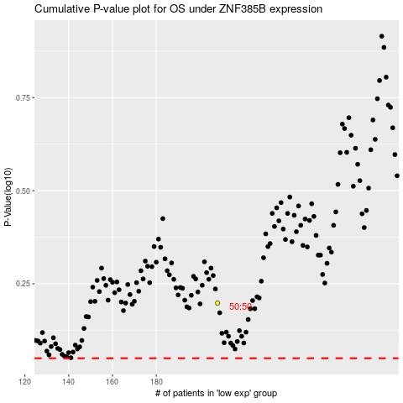

 |  |  |  |  |  | cases_OS | p_OS | rank | exp
 |  |  |  |  |  |  | cases_RFS | p_RFS | rank | exp

