ZNF404 _multivariate
Reported by Tex Li-Hsing Chi. tex@gate.sinica.edu.tw 2019-08-14

Table 2. The clinicopathological features of HNSCC cohort and ZNF404 expression. (Chi square test)
Cutoff at -0.361 (47.8%)
 |  | ZNF404 expression |  | ZNF404 expression |  | (Optimised)
 | Features | Low | (%) | High | (%) | Case no | P-value | Remark | Matthews
Gender | Female | 140 | 33.7 | 166 | 40 | 415 | 0.2197 | 0 | 0
2 | Male | 58 | 14 | 51 | 12.3
Age at diagnosis | <=65y | 129 | 31.1 | 145 | 34.9 | 415 | 0.7989 | 0 | 0
4 | >65y | 69 | 16.6 | 72 | 17.3
Clinical T Status | T1+T2 | 76 | 18.3 | 73 | 17.6 | 415 | 0.3662 | 0 | 0
6 | T3+T4 | 122 | 29.4 | 144 | 34.7
Clinical N Status | N0 | 106 | 25.5 | 110 | 26.5 | 415 | 0.6306 | 0 | 0
8 | N1-3 | 92 | 22.2 | 107 | 25.8
Clinical M Status | M0 | 198 | 47.7 | 214 | 51.6 | 415 | 0.2498 | 0 | 0
10 | M1 | 0 | 0 | 3 | 0.7
Clinical Stage | Stage I+II | 55 | 13.3 | 47 | 11.3 | 415 | 0.1829 | 0 | 0
12 | Stage III+IV | 143 | 34.5 | 170 | 41
Surgical Margin status | Negative | 158 | 38.1 | 160 | 38.6 | 415 | 0.1639 | 0 | 0
14 | Positive | 40 | 9.6 | 57 | 13.7
Tobacco Exposure | Low | 72 | 17.3 | 89 | 21.4 | 415 | 0.3645 | 0 | 0
16 | High | 126 | 30.4 | 128 | 30.8

Table 3. Univariate/Multivariate Cox's proportional hazards regression analyses on OS time of ZNF404 gene expression in HNSCC

 |  | Univariate |  |  |  | Multivariate
 | Features | HR | CI95%(L) | CI95%(H) | P-value | HR | CI95%(L) | CI95%(H) | P-value
1 | Female | 1 |  |  |  | 1
Gender | Male | 1.157 | 0.843 | 1.587 | 0.367 | 1.206 | 0.864 | 1.683 | 0.271
11 | <=65y | 1 |  |  |  | 1
Age at diagnosis | >65y | 1.329 | 0.99 | 1.784 | 0.058 | 1.395 | 1.025 | 1.899 | 0.034
12 | T1+T2 | 1 |  |  |  | 1
Clinical T Status | T3+T4 | 1.409 | 1.028 | 1.931 | 0.033 | 2.23 | 1.179 | 4.218 | 0.014
13 | N0 | 1 |  |  |  | 1
Clinical N Status | N1-3 | 1.185 | 0.89 | 1.577 | 0.246 | 1.23 | 0.862 | 1.757 | 0.254
14 | M0 | 1 |  |  |  | 1
Clinical M Status | M1 | 4.097 | 1.009 | 16.644 | 0.049 | 11.413 | 2.464 | 52.86 | 0.002
15 | Stage I+II | 1 |  |  |  | 1
Clinical Stage | Stage III+IV | 1.245 | 0.882 | 1.759 | 0.213 | 0.508 | 0.237 | 1.092 | 0.083
16 | Negative | 1 |  |  |  | 1
Surgical Margin status | Positive | 1.591 | 1.155 | 2.191 | 0.004 | 1.729 | 1.249 | 2.393 | 0.001
17 | Low | 1 |  |  |  | 1
Tobacco Exposure | High | 1.364 | 1.008 | 1.844 | 0.044 | 1.447 | 1.049 | 1.996 | 0.024
18 | Low | 1 |  |  |  | 1
RNAseq(z-score) | High | 0.748 | 0.56 | 0.999 | 0.049 | 0.712 | 0.531 | 0.953 | 0.022

Table 4. Univariate/Multivariate Cox's proportional hazards regression analyses on RFS time of ZNF404 gene expression in HNSCC

 |  | Univariate |  |  |  | Multivariate
 | Features | HR | CI95%(L) | CI95%(H) | P-value | HR | CI95%(L) | CI95%(H) | P-value
1 | Female | 1 |  |  |  | 1
Gender | Male | 1.157 | 0.843 | 1.587 | 0.367 | 1.206 | 0.864 | 1.683 | 0.271
11 | <=65y | 1 |  |  |  | 1
Age at diagnosis | >65y | 1.329 | 0.99 | 1.784 | 0.058 | 1.395 | 1.025 | 1.899 | 0.034
12 | T1+T2 | 1 |  |  |  | 1
Clinical T Status | T3+T4 | 1.409 | 1.028 | 1.931 | 0.033 | 2.23 | 1.179 | 4.218 | 0.014
13 | N0 | 1 |  |  |  | 1
Clinical N Status | N1-3 | 1.185 | 0.89 | 1.577 | 0.246 | 1.23 | 0.862 | 1.757 | 0.254
14 | M0 | 1 |  |  |  | 1
Clinical M Status | M1 | 4.097 | 1.009 | 16.644 | 0.049 | 11.413 | 2.464 | 52.86 | 0.002
15 | Stage I+II | 1 |  |  |  | 1
Clinical Stage | Stage III+IV | 1.245 | 0.882 | 1.759 | 0.213 | 0.508 | 0.237 | 1.092 | 0.083
16 | Negative | 1 |  |  |  | 1
Surgical Margin status | Positive | 1.591 | 1.155 | 2.191 | 0.004 | 1.729 | 1.249 | 2.393 | 0.001
17 | Low | 1 |  |  |  | 1
Tobacco Exposure | High | 1.364 | 1.008 | 1.844 | 0.044 | 1.447 | 1.049 | 1.996 | 0.024
18 | Low | 1 |  |  |  | 1
RNAseq(z-score) | High | 0.748 | 0.56 | 0.999 | 0.049 | 0.712 | 0.531 | 0.953 | 0.022

Kaplan-Meier survival estimate: Cutoff at -0.361 (47.8%)



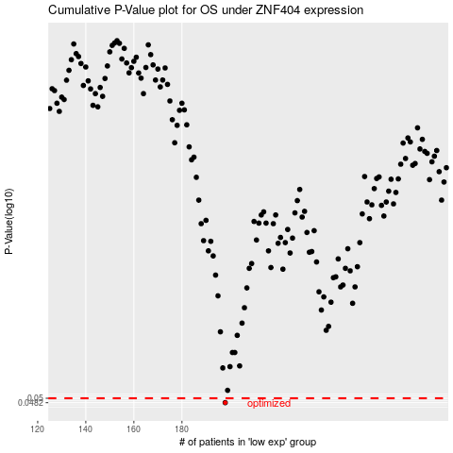

 |  |  |  |  |  | cases_OS | p_OS | rank | exp
 |  |  |  |  |  | 198 | 0.0482 | 24 | -0.36108619643
 |  |  |  |  |  |  | cases_RFS | p_RFS | rank | exp
 |  |  |  |  |  |  | 197 | 0.0482 | 196 | -0.36631654593

