ZNF407 _multivariate
Reported by Tex Li-Hsing Chi. tex@gate.sinica.edu.tw 2019-08-14

Table 2. The clinicopathological features of HNSCC cohort and ZNF407 expression. (Chi square test)
Cutoff at -0.197 (49.8%)
 |  | ZNF407 expression |  | ZNF407 expression |  | (Optimised)
 | Features | Low | (%) | High | (%) | Case no | P-value | Remark | Matthews
Gender | Female | 159 | 38.3 | 147 | 35.4 | 415 | 0.1905 | 0 | 0
2 | Male | 48 | 11.6 | 61 | 14.7
Age at diagnosis | <=65y | 138 | 33.3 | 136 | 32.8 | 415 | 0.8634 | 0 | 0
4 | >65y | 69 | 16.6 | 72 | 17.3
Clinical T Status | T1+T2 | 66 | 15.9 | 83 | 20 | 415 | 0.1095 | 0 | 0
6 | T3+T4 | 141 | 34 | 125 | 30.1
Clinical N Status | N0 | 114 | 27.5 | 102 | 24.6 | 415 | 0.2576 | 1 | 0
8 | N1-3 | 93 | 22.4 | 106 | 25.5
Clinical M Status | M0 | 204 | 49.2 | 208 | 50.1 | 415 | 0.1232 | 0 | 0
10 | M1 | 3 | 0.7 | 0 | 0
Clinical Stage | Stage I+II | 49 | 11.8 | 53 | 12.8 | 415 | 0.7535 | 0 | 0
12 | Stage III+IV | 158 | 38.1 | 155 | 37.3
Surgical Margin status | Negative | 158 | 38.1 | 160 | 38.6 | 415 | 0.9081 | 0 | 0
14 | Positive | 49 | 11.8 | 48 | 11.6
Tobacco Exposure | Low | 69 | 16.6 | 92 | 22.2 | 415 | 0.0266 | 1 | 0
16 | High | 138 | 33.3 | 116 | 28

Table 3. Univariate/Multivariate Cox's proportional hazards regression analyses on OS time of ZNF407 gene expression in HNSCC

 |  | Univariate |  |  |  | Multivariate
 | Features | HR | CI95%(L) | CI95%(H) | P-value | HR | CI95%(L) | CI95%(H) | P-value
1 | Female | 1 |  |  |  | 1
Gender | Male | 1.157 | 0.843 | 1.587 | 0.367 | 1.201 | 0.86 | 1.678 | 0.283
11 | <=65y | 1 |  |  |  | 1
Age at diagnosis | >65y | 1.329 | 0.99 | 1.784 | 0.058 | 1.394 | 1.026 | 1.895 | 0.034
12 | T1+T2 | 1 |  |  |  | 1
Clinical T Status | T3+T4 | 1.409 | 1.028 | 1.931 | 0.033 | 2.167 | 1.141 | 4.116 | 0.018
13 | N0 | 1 |  |  |  | 1
Clinical N Status | N1-3 | 1.185 | 0.89 | 1.577 | 0.246 | 1.246 | 0.873 | 1.779 | 0.226
14 | M0 | 1 |  |  |  | 1
Clinical M Status | M1 | 4.097 | 1.009 | 16.644 | 0.049 | 8.959 | 1.923 | 41.746 | 0.005
15 | Stage I+II | 1 |  |  |  | 1
Clinical Stage | Stage III+IV | 1.245 | 0.882 | 1.759 | 0.213 | 0.511 | 0.238 | 1.099 | 0.086
16 | Negative | 1 |  |  |  | 1
Surgical Margin status | Positive | 1.591 | 1.155 | 2.191 | 0.004 | 1.668 | 1.207 | 2.305 | 0.002
17 | Low | 1 |  |  |  | 1
Tobacco Exposure | High | 1.364 | 1.008 | 1.844 | 0.044 | 1.436 | 1.037 | 1.987 | 0.029
18 | Low | 1 |  |  |  | 1
RNAseq(z-score) | High | 0.853 | 0.64 | 1.137 | 0.278 | 0.938 | 0.696 | 1.263 | 0.674

Table 4. Univariate/Multivariate Cox's proportional hazards regression analyses on RFS time of ZNF407 gene expression in HNSCC

 |  | Univariate |  |  |  | Multivariate
 | Features | HR | CI95%(L) | CI95%(H) | P-value | HR | CI95%(L) | CI95%(H) | P-value
1 | Female | 1 |  |  |  | 1
Gender | Male | 1.157 | 0.843 | 1.587 | 0.367 | 1.201 | 0.86 | 1.678 | 0.283
11 | <=65y | 1 |  |  |  | 1
Age at diagnosis | >65y | 1.329 | 0.99 | 1.784 | 0.058 | 1.394 | 1.026 | 1.895 | 0.034
12 | T1+T2 | 1 |  |  |  | 1
Clinical T Status | T3+T4 | 1.409 | 1.028 | 1.931 | 0.033 | 2.167 | 1.141 | 4.116 | 0.018
13 | N0 | 1 |  |  |  | 1
Clinical N Status | N1-3 | 1.185 | 0.89 | 1.577 | 0.246 | 1.246 | 0.873 | 1.779 | 0.226
14 | M0 | 1 |  |  |  | 1
Clinical M Status | M1 | 4.097 | 1.009 | 16.644 | 0.049 | 8.959 | 1.923 | 41.746 | 0.005
15 | Stage I+II | 1 |  |  |  | 1
Clinical Stage | Stage III+IV | 1.245 | 0.882 | 1.759 | 0.213 | 0.511 | 0.238 | 1.099 | 0.086
16 | Negative | 1 |  |  |  | 1
Surgical Margin status | Positive | 1.591 | 1.155 | 2.191 | 0.004 | 1.668 | 1.207 | 2.305 | 0.002
17 | Low | 1 |  |  |  | 1
Tobacco Exposure | High | 1.364 | 1.008 | 1.844 | 0.044 | 1.436 | 1.037 | 1.987 | 0.029
18 | Low | 1 |  |  |  | 1
RNAseq(z-score) | High | 0.853 | 0.64 | 1.137 | 0.278 | 0.938 | 0.696 | 1.263 | 0.674

Kaplan-Meier survival estimate: Cutoff at -0.197 (49.8%)



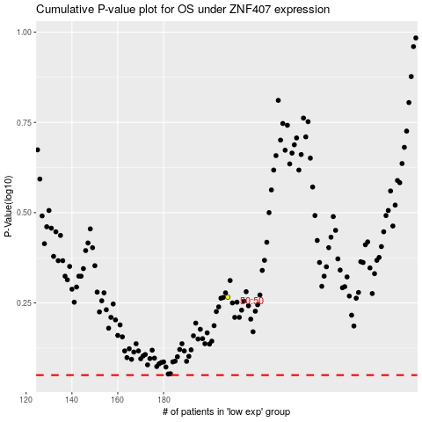

 |  |  |  |  |  | cases_OS | p_OS | rank | exp
 |  |  |  |  |  |  | cases_RFS | p_RFS | rank | exp

