ZNF417 _multivariate
Reported by Tex Li-Hsing Chi. tex@gate.sinica.edu.tw 2019-08-14

Table 2. The clinicopathological features of HNSCC cohort and ZNF417 expression. (Chi square test)
Cutoff at -0.199 (49.8%)
 |  | ZNF417 expression |  | ZNF417 expression |  | (Optimised)
 | Features | Low | (%) | High | (%) | Case no | P-value | Remark | Matthews
Gender | Female | 150 | 36.1 | 156 | 37.6 | 415 | 0.6344 | 0 | 0
2 | Male | 57 | 13.7 | 52 | 12.5
Age at diagnosis | <=65y | 130 | 31.3 | 144 | 34.7 | 415 | 0.2009 | 0 | 0
4 | >65y | 77 | 18.6 | 64 | 15.4
Clinical T Status | T1+T2 | 64 | 15.4 | 85 | 20.5 | 415 | 0.0445 | 1 | 0
6 | T3+T4 | 143 | 34.5 | 123 | 29.6
Clinical N Status | N0 | 108 | 26 | 108 | 26 | 415 | 1 | 0 | 0
8 | N1-3 | 99 | 23.9 | 100 | 24.1
Clinical M Status | M0 | 205 | 49.4 | 207 | 49.9 | 415 | 0.6232 | 0 | 0
10 | M1 | 2 | 0.5 | 1 | 0.2
Clinical Stage | Stage I+II | 44 | 10.6 | 58 | 14 | 415 | 0.1459 | 0 | 0
12 | Stage III+IV | 163 | 39.3 | 150 | 36.1
Surgical Margin status | Negative | 159 | 38.3 | 159 | 38.3 | 415 | 1 | 0 | 0
14 | Positive | 48 | 11.6 | 49 | 11.8
Tobacco Exposure | Low | 93 | 22.4 | 68 | 16.4 | 415 | 0.0118 | 1 | 0
16 | High | 114 | 27.5 | 140 | 33.7

Table 3. Univariate/Multivariate Cox's proportional hazards regression analyses on OS time of ZNF417 gene expression in HNSCC

 |  | Univariate |  |  |  | Multivariate
 | Features | HR | CI95%(L) | CI95%(H) | P-value | HR | CI95%(L) | CI95%(H) | P-value
1 | Female | 1 |  |  |  | 1
Gender | Male | 1.157 | 0.843 | 1.587 | 0.367 | 1.2 | 0.859 | 1.677 | 0.286
11 | <=65y | 1 |  |  |  | 1
Age at diagnosis | >65y | 1.329 | 0.99 | 1.784 | 0.058 | 1.39 | 1.022 | 1.889 | 0.036
12 | T1+T2 | 1 |  |  |  | 1
Clinical T Status | T3+T4 | 1.409 | 1.028 | 1.931 | 0.033 | 2.184 | 1.154 | 4.134 | 0.016
13 | N0 | 1 |  |  |  | 1
Clinical N Status | N1-3 | 1.185 | 0.89 | 1.577 | 0.246 | 1.24 | 0.869 | 1.769 | 0.235
14 | M0 | 1 |  |  |  | 1
Clinical M Status | M1 | 4.097 | 1.009 | 16.644 | 0.049 | 9.288 | 2.024 | 42.626 | 0.004
15 | Stage I+II | 1 |  |  |  | 1
Clinical Stage | Stage III+IV | 1.245 | 0.882 | 1.759 | 0.213 | 0.504 | 0.235 | 1.082 | 0.079
16 | Negative | 1 |  |  |  | 1
Surgical Margin status | Positive | 1.591 | 1.155 | 2.191 | 0.004 | 1.671 | 1.209 | 2.309 | 0.002
17 | Low | 1 |  |  |  | 1
Tobacco Exposure | High | 1.364 | 1.008 | 1.844 | 0.044 | 1.47 | 1.061 | 2.035 | 0.02
18 | Low | 1 |  |  |  | 1
RNAseq(z-score) | High | 0.923 | 0.693 | 1.229 | 0.584 | 0.941 | 0.701 | 1.262 | 0.683

Table 4. Univariate/Multivariate Cox's proportional hazards regression analyses on RFS time of ZNF417 gene expression in HNSCC

 |  | Univariate |  |  |  | Multivariate
 | Features | HR | CI95%(L) | CI95%(H) | P-value | HR | CI95%(L) | CI95%(H) | P-value
1 | Female | 1 |  |  |  | 1
Gender | Male | 1.157 | 0.843 | 1.587 | 0.367 | 1.2 | 0.859 | 1.677 | 0.286
11 | <=65y | 1 |  |  |  | 1
Age at diagnosis | >65y | 1.329 | 0.99 | 1.784 | 0.058 | 1.39 | 1.022 | 1.889 | 0.036
12 | T1+T2 | 1 |  |  |  | 1
Clinical T Status | T3+T4 | 1.409 | 1.028 | 1.931 | 0.033 | 2.184 | 1.154 | 4.134 | 0.016
13 | N0 | 1 |  |  |  | 1
Clinical N Status | N1-3 | 1.185 | 0.89 | 1.577 | 0.246 | 1.24 | 0.869 | 1.769 | 0.235
14 | M0 | 1 |  |  |  | 1
Clinical M Status | M1 | 4.097 | 1.009 | 16.644 | 0.049 | 9.288 | 2.024 | 42.626 | 0.004
15 | Stage I+II | 1 |  |  |  | 1
Clinical Stage | Stage III+IV | 1.245 | 0.882 | 1.759 | 0.213 | 0.504 | 0.235 | 1.082 | 0.079
16 | Negative | 1 |  |  |  | 1
Surgical Margin status | Positive | 1.591 | 1.155 | 2.191 | 0.004 | 1.671 | 1.209 | 2.309 | 0.002
17 | Low | 1 |  |  |  | 1
Tobacco Exposure | High | 1.364 | 1.008 | 1.844 | 0.044 | 1.47 | 1.061 | 2.035 | 0.02
18 | Low | 1 |  |  |  | 1
RNAseq(z-score) | High | 0.923 | 0.693 | 1.229 | 0.584 | 0.941 | 0.701 | 1.262 | 0.683

Kaplan-Meier survival estimate: Cutoff at -0.199 (49.8%)



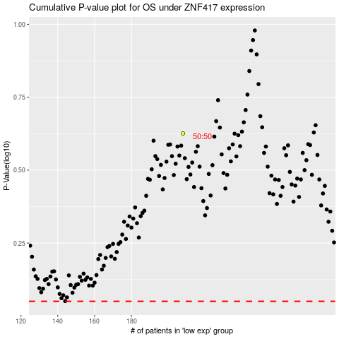

 |  |  |  |  |  | cases_OS | p_OS | rank | exp
 |  |  |  |  |  |  | cases_RFS | p_RFS | rank | exp

