ZNF420 _multivariate
Reported by Tex Li-Hsing Chi. tex@gate.sinica.edu.tw 2019-08-14

Table 2. The clinicopathological features of HNSCC cohort and ZNF420 expression. (Chi square test)
Cutoff at -0.394 (49.8%)
 |  | ZNF420 expression |  | ZNF420 expression |  | (Optimised)
 | Features | Low | (%) | High | (%) | Case no | P-value | Remark | Matthews
Gender | Female | 145 | 34.9 | 161 | 38.8 | 415 | 0.1116 | 0 | 0
2 | Male | 62 | 14.9 | 47 | 11.3
Age at diagnosis | <=65y | 124 | 29.9 | 150 | 36.1 | 415 | 0.0116 | 1 | 0
4 | >65y | 83 | 20 | 58 | 14
Clinical T Status | T1+T2 | 63 | 15.2 | 86 | 20.7 | 415 | 0.0268 | 1 | 0
6 | T3+T4 | 144 | 34.7 | 122 | 29.4
Clinical N Status | N0 | 108 | 26 | 108 | 26 | 415 | 1 | 0 | 0
8 | N1-3 | 99 | 23.9 | 100 | 24.1
Clinical M Status | M0 | 204 | 49.2 | 208 | 50.1 | 415 | 0.1232 | 0 | 0
10 | M1 | 3 | 0.7 | 0 | 0
Clinical Stage | Stage I+II | 44 | 10.6 | 58 | 14 | 415 | 0.1459 | 0 | 0
12 | Stage III+IV | 163 | 39.3 | 150 | 36.1
Surgical Margin status | Negative | 159 | 38.3 | 159 | 38.3 | 415 | 1 | 0 | 0
14 | Positive | 48 | 11.6 | 49 | 11.8
Tobacco Exposure | Low | 85 | 20.5 | 76 | 18.3 | 415 | 0.3655 | 0 | 0
16 | High | 122 | 29.4 | 132 | 31.8

Table 3. Univariate/Multivariate Cox's proportional hazards regression analyses on OS time of ZNF420 gene expression in HNSCC

 |  | Univariate |  |  |  | Multivariate
 | Features | HR | CI95%(L) | CI95%(H) | P-value | HR | CI95%(L) | CI95%(H) | P-value
1 | Female | 1 |  |  |  | 1
Gender | Male | 1.157 | 0.843 | 1.587 | 0.367 | 1.188 | 0.849 | 1.662 | 0.316
11 | <=65y | 1 |  |  |  | 1
Age at diagnosis | >65y | 1.329 | 0.99 | 1.784 | 0.058 | 1.376 | 1.011 | 1.872 | 0.042
12 | T1+T2 | 1 |  |  |  | 1
Clinical T Status | T3+T4 | 1.409 | 1.028 | 1.931 | 0.033 | 2.166 | 1.144 | 4.104 | 0.018
13 | N0 | 1 |  |  |  | 1
Clinical N Status | N1-3 | 1.185 | 0.89 | 1.577 | 0.246 | 1.243 | 0.871 | 1.773 | 0.231
14 | M0 | 1 |  |  |  | 1
Clinical M Status | M1 | 4.097 | 1.009 | 16.644 | 0.049 | 8.781 | 1.894 | 40.704 | 0.005
15 | Stage I+II | 1 |  |  |  | 1
Clinical Stage | Stage III+IV | 1.245 | 0.882 | 1.759 | 0.213 | 0.505 | 0.235 | 1.083 | 0.079
16 | Negative | 1 |  |  |  | 1
Surgical Margin status | Positive | 1.591 | 1.155 | 2.191 | 0.004 | 1.677 | 1.213 | 2.318 | 0.002
17 | Low | 1 |  |  |  | 1
Tobacco Exposure | High | 1.364 | 1.008 | 1.844 | 0.044 | 1.459 | 1.058 | 2.01 | 0.021
18 | Low | 1 |  |  |  | 1
RNAseq(z-score) | High | 0.824 | 0.618 | 1.099 | 0.188 | 0.898 | 0.668 | 1.206 | 0.474

Table 4. Univariate/Multivariate Cox's proportional hazards regression analyses on RFS time of ZNF420 gene expression in HNSCC

 |  | Univariate |  |  |  | Multivariate
 | Features | HR | CI95%(L) | CI95%(H) | P-value | HR | CI95%(L) | CI95%(H) | P-value
1 | Female | 1 |  |  |  | 1
Gender | Male | 1.157 | 0.843 | 1.587 | 0.367 | 1.188 | 0.849 | 1.662 | 0.316
11 | <=65y | 1 |  |  |  | 1
Age at diagnosis | >65y | 1.329 | 0.99 | 1.784 | 0.058 | 1.376 | 1.011 | 1.872 | 0.042
12 | T1+T2 | 1 |  |  |  | 1
Clinical T Status | T3+T4 | 1.409 | 1.028 | 1.931 | 0.033 | 2.166 | 1.144 | 4.104 | 0.018
13 | N0 | 1 |  |  |  | 1
Clinical N Status | N1-3 | 1.185 | 0.89 | 1.577 | 0.246 | 1.243 | 0.871 | 1.773 | 0.231
14 | M0 | 1 |  |  |  | 1
Clinical M Status | M1 | 4.097 | 1.009 | 16.644 | 0.049 | 8.781 | 1.894 | 40.704 | 0.005
15 | Stage I+II | 1 |  |  |  | 1
Clinical Stage | Stage III+IV | 1.245 | 0.882 | 1.759 | 0.213 | 0.505 | 0.235 | 1.083 | 0.079
16 | Negative | 1 |  |  |  | 1
Surgical Margin status | Positive | 1.591 | 1.155 | 2.191 | 0.004 | 1.677 | 1.213 | 2.318 | 0.002
17 | Low | 1 |  |  |  | 1
Tobacco Exposure | High | 1.364 | 1.008 | 1.844 | 0.044 | 1.459 | 1.058 | 2.01 | 0.021
18 | Low | 1 |  |  |  | 1
RNAseq(z-score) | High | 0.824 | 0.618 | 1.099 | 0.188 | 0.898 | 0.668 | 1.206 | 0.474

Kaplan-Meier survival estimate: Cutoff at -0.394 (49.8%)



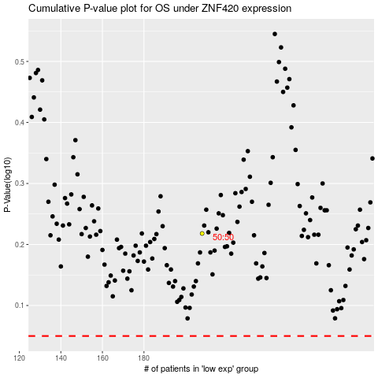

 |  |  |  |  |  | cases_OS | p_OS | rank | exp
 |  |  |  |  |  |  | cases_RFS | p_RFS | rank | exp

