ZNF446 _multivariate
Reported by Tex Li-Hsing Chi. tex@gate.sinica.edu.tw 2019-08-14

Table 2. The clinicopathological features of HNSCC cohort and ZNF446 expression. (Chi square test)
Cutoff at -0.271 (49.8%)
 |  | ZNF446 expression |  | ZNF446 expression |  | (Optimised)
 | Features | Low | (%) | High | (%) | Case no | P-value | Remark | Matthews
Gender | Female | 146 | 35.2 | 160 | 38.6 | 415 | 0.1714 | 0 | 0
2 | Male | 61 | 14.7 | 48 | 11.6
Age at diagnosis | <=65y | 139 | 33.5 | 135 | 32.5 | 415 | 0.7044 | 0 | 0
4 | >65y | 68 | 16.4 | 73 | 17.6
Clinical T Status | T1+T2 | 73 | 17.6 | 76 | 18.3 | 415 | 0.8666 | 0 | 0
6 | T3+T4 | 134 | 32.3 | 132 | 31.8
Clinical N Status | N0 | 109 | 26.3 | 107 | 25.8 | 415 | 0.8812 | 0 | 0
8 | N1-3 | 98 | 23.6 | 101 | 24.3
Clinical M Status | M0 | 207 | 49.9 | 205 | 49.4 | 415 | 0.2482 | 0 | 0
10 | M1 | 0 | 0 | 3 | 0.7
Clinical Stage | Stage I+II | 53 | 12.8 | 49 | 11.8 | 415 | 0.7113 | 0 | 0
12 | Stage III+IV | 154 | 37.1 | 159 | 38.3
Surgical Margin status | Negative | 160 | 38.6 | 158 | 38.1 | 415 | 0.8167 | 0 | 0
14 | Positive | 47 | 11.3 | 50 | 12
Tobacco Exposure | Low | 80 | 19.3 | 81 | 19.5 | 415 | 1 | 0 | 0
16 | High | 127 | 30.6 | 127 | 30.6

Table 3. Univariate/Multivariate Cox's proportional hazards regression analyses on OS time of ZNF446 gene expression in HNSCC

 |  | Univariate |  |  |  | Multivariate
 | Features | HR | CI95%(L) | CI95%(H) | P-value | HR | CI95%(L) | CI95%(H) | P-value
1 | Female | 1 |  |  |  | 1
Gender | Male | 1.157 | 0.843 | 1.587 | 0.367 | 1.194 | 0.855 | 1.668 | 0.298
11 | <=65y | 1 |  |  |  | 1
Age at diagnosis | >65y | 1.329 | 0.99 | 1.784 | 0.058 | 1.408 | 1.036 | 1.914 | 0.029
12 | T1+T2 | 1 |  |  |  | 1
Clinical T Status | T3+T4 | 1.409 | 1.028 | 1.931 | 0.033 | 2.152 | 1.139 | 4.064 | 0.018
13 | N0 | 1 |  |  |  | 1
Clinical N Status | N1-3 | 1.185 | 0.89 | 1.577 | 0.246 | 1.26 | 0.883 | 1.798 | 0.203
14 | M0 | 1 |  |  |  | 1
Clinical M Status | M1 | 4.097 | 1.009 | 16.644 | 0.049 | 10.536 | 2.286 | 48.559 | 0.003
15 | Stage I+II | 1 |  |  |  | 1
Clinical Stage | Stage III+IV | 1.245 | 0.882 | 1.759 | 0.213 | 0.518 | 0.241 | 1.11 | 0.091
16 | Negative | 1 |  |  |  | 1
Surgical Margin status | Positive | 1.591 | 1.155 | 2.191 | 0.004 | 1.659 | 1.201 | 2.291 | 0.002
17 | Low | 1 |  |  |  | 1
Tobacco Exposure | High | 1.364 | 1.008 | 1.844 | 0.044 | 1.476 | 1.07 | 2.036 | 0.018
18 | Low | 1 |  |  |  | 1
RNAseq(z-score) | High | 0.798 | 0.597 | 1.067 | 0.128 | 0.768 | 0.571 | 1.032 | 0.08

Table 4. Univariate/Multivariate Cox's proportional hazards regression analyses on RFS time of ZNF446 gene expression in HNSCC

 |  | Univariate |  |  |  | Multivariate
 | Features | HR | CI95%(L) | CI95%(H) | P-value | HR | CI95%(L) | CI95%(H) | P-value
1 | Female | 1 |  |  |  | 1
Gender | Male | 1.157 | 0.843 | 1.587 | 0.367 | 1.194 | 0.855 | 1.668 | 0.298
11 | <=65y | 1 |  |  |  | 1
Age at diagnosis | >65y | 1.329 | 0.99 | 1.784 | 0.058 | 1.408 | 1.036 | 1.914 | 0.029
12 | T1+T2 | 1 |  |  |  | 1
Clinical T Status | T3+T4 | 1.409 | 1.028 | 1.931 | 0.033 | 2.152 | 1.139 | 4.064 | 0.018
13 | N0 | 1 |  |  |  | 1
Clinical N Status | N1-3 | 1.185 | 0.89 | 1.577 | 0.246 | 1.26 | 0.883 | 1.798 | 0.203
14 | M0 | 1 |  |  |  | 1
Clinical M Status | M1 | 4.097 | 1.009 | 16.644 | 0.049 | 10.536 | 2.286 | 48.559 | 0.003
15 | Stage I+II | 1 |  |  |  | 1
Clinical Stage | Stage III+IV | 1.245 | 0.882 | 1.759 | 0.213 | 0.518 | 0.241 | 1.11 | 0.091
16 | Negative | 1 |  |  |  | 1
Surgical Margin status | Positive | 1.591 | 1.155 | 2.191 | 0.004 | 1.659 | 1.201 | 2.291 | 0.002
17 | Low | 1 |  |  |  | 1
Tobacco Exposure | High | 1.364 | 1.008 | 1.844 | 0.044 | 1.476 | 1.07 | 2.036 | 0.018
18 | Low | 1 |  |  |  | 1
RNAseq(z-score) | High | 0.798 | 0.597 | 1.067 | 0.128 | 0.768 | 0.571 | 1.032 | 0.08

Kaplan-Meier survival estimate: Cutoff at -0.271 (49.8%)



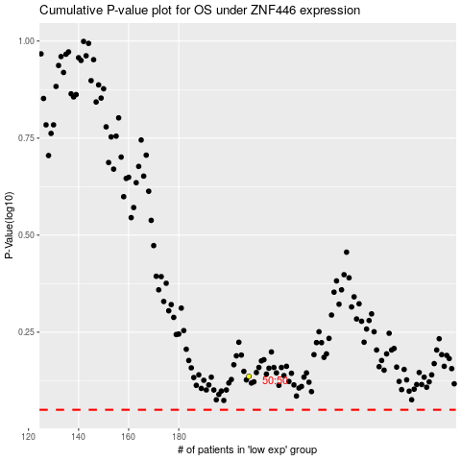

 |  |  |  |  |  | cases_OS | p_OS | rank | exp
 |  |  |  |  |  |  | cases_RFS | p_RFS | rank | exp

