ZNF449 _multivariate
Reported by Tex Li-Hsing Chi. tex@gate.sinica.edu.tw 2019-08-14

Table 2. The clinicopathological features of HNSCC cohort and ZNF449 expression. (Chi square test)
Cutoff at -0.175 (49.8%)
 |  | ZNF449 expression |  | ZNF449 expression |  | (Optimised)
 | Features | Low | (%) | High | (%) | Case no | P-value | Remark | Matthews
Gender | Female | 149 | 35.9 | 157 | 37.8 | 415 | 0.4848 | 0 | 0
2 | Male | 58 | 14 | 51 | 12.3
Age at diagnosis | <=65y | 128 | 30.8 | 146 | 35.2 | 415 | 0.0904 | 0 | 0
4 | >65y | 79 | 19 | 62 | 14.9
Clinical T Status | T1+T2 | 61 | 14.7 | 88 | 21.2 | 415 | 0.0087 | 1 | 0
6 | T3+T4 | 146 | 35.2 | 120 | 28.9
Clinical N Status | N0 | 102 | 24.6 | 114 | 27.5 | 415 | 0.3031 | 0 | 0
8 | N1-3 | 105 | 25.3 | 94 | 22.7
Clinical M Status | M0 | 205 | 49.4 | 207 | 49.9 | 415 | 0.6232 | 0 | 0
10 | M1 | 2 | 0.5 | 1 | 0.2
Clinical Stage | Stage I+II | 40 | 9.6 | 62 | 14.9 | 415 | 0.018 | 1 | 0
12 | Stage III+IV | 167 | 40.2 | 146 | 35.2
Surgical Margin status | Negative | 162 | 39 | 156 | 37.6 | 415 | 0.4867 | 0 | 0
14 | Positive | 45 | 10.8 | 52 | 12.5
Tobacco Exposure | Low | 83 | 20 | 78 | 18.8 | 415 | 0.6152 | 0 | 0
16 | High | 124 | 29.9 | 130 | 31.3

Table 3. Univariate/Multivariate Cox's proportional hazards regression analyses on OS time of ZNF449 gene expression in HNSCC

 |  | Univariate |  |  |  | Multivariate
 | Features | HR | CI95%(L) | CI95%(H) | P-value | HR | CI95%(L) | CI95%(H) | P-value
1 | Female | 1 |  |  |  | 1
Gender | Male | 1.157 | 0.843 | 1.587 | 0.367 | 1.201 | 0.86 | 1.679 | 0.282
11 | <=65y | 1 |  |  |  | 1
Age at diagnosis | >65y | 1.329 | 0.99 | 1.784 | 0.058 | 1.387 | 1.02 | 1.887 | 0.037
12 | T1+T2 | 1 |  |  |  | 1
Clinical T Status | T3+T4 | 1.409 | 1.028 | 1.931 | 0.033 | 2.184 | 1.153 | 4.139 | 0.017
13 | N0 | 1 |  |  |  | 1
Clinical N Status | N1-3 | 1.185 | 0.89 | 1.577 | 0.246 | 1.24 | 0.869 | 1.769 | 0.236
14 | M0 | 1 |  |  |  | 1
Clinical M Status | M1 | 4.097 | 1.009 | 16.644 | 0.049 | 9.227 | 2.003 | 42.505 | 0.004
15 | Stage I+II | 1 |  |  |  | 1
Clinical Stage | Stage III+IV | 1.245 | 0.882 | 1.759 | 0.213 | 0.505 | 0.235 | 1.083 | 0.079
16 | Negative | 1 |  |  |  | 1
Surgical Margin status | Positive | 1.591 | 1.155 | 2.191 | 0.004 | 1.674 | 1.212 | 2.314 | 0.002
17 | Low | 1 |  |  |  | 1
Tobacco Exposure | High | 1.364 | 1.008 | 1.844 | 0.044 | 1.456 | 1.056 | 2.007 | 0.022
18 | Low | 1 |  |  |  | 1
RNAseq(z-score) | High | 0.889 | 0.667 | 1.184 | 0.42 | 0.955 | 0.713 | 1.28 | 0.757

Table 4. Univariate/Multivariate Cox's proportional hazards regression analyses on RFS time of ZNF449 gene expression in HNSCC

 |  | Univariate |  |  |  | Multivariate
 | Features | HR | CI95%(L) | CI95%(H) | P-value | HR | CI95%(L) | CI95%(H) | P-value
1 | Female | 1 |  |  |  | 1
Gender | Male | 1.157 | 0.843 | 1.587 | 0.367 | 1.201 | 0.86 | 1.679 | 0.282
11 | <=65y | 1 |  |  |  | 1
Age at diagnosis | >65y | 1.329 | 0.99 | 1.784 | 0.058 | 1.387 | 1.02 | 1.887 | 0.037
12 | T1+T2 | 1 |  |  |  | 1
Clinical T Status | T3+T4 | 1.409 | 1.028 | 1.931 | 0.033 | 2.184 | 1.153 | 4.139 | 0.017
13 | N0 | 1 |  |  |  | 1
Clinical N Status | N1-3 | 1.185 | 0.89 | 1.577 | 0.246 | 1.24 | 0.869 | 1.769 | 0.236
14 | M0 | 1 |  |  |  | 1
Clinical M Status | M1 | 4.097 | 1.009 | 16.644 | 0.049 | 9.227 | 2.003 | 42.505 | 0.004
15 | Stage I+II | 1 |  |  |  | 1
Clinical Stage | Stage III+IV | 1.245 | 0.882 | 1.759 | 0.213 | 0.505 | 0.235 | 1.083 | 0.079
16 | Negative | 1 |  |  |  | 1
Surgical Margin status | Positive | 1.591 | 1.155 | 2.191 | 0.004 | 1.674 | 1.212 | 2.314 | 0.002
17 | Low | 1 |  |  |  | 1
Tobacco Exposure | High | 1.364 | 1.008 | 1.844 | 0.044 | 1.456 | 1.056 | 2.007 | 0.022
18 | Low | 1 |  |  |  | 1
RNAseq(z-score) | High | 0.889 | 0.667 | 1.184 | 0.42 | 0.955 | 0.713 | 1.28 | 0.757

Kaplan-Meier survival estimate: Cutoff at -0.175 (49.8%)

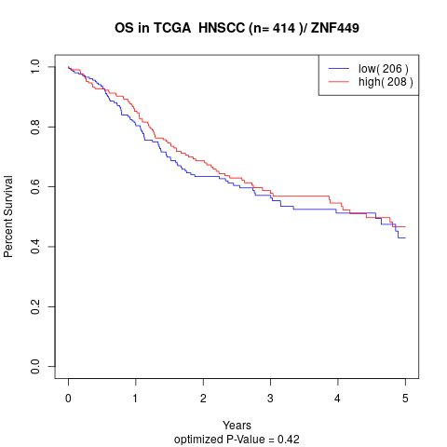

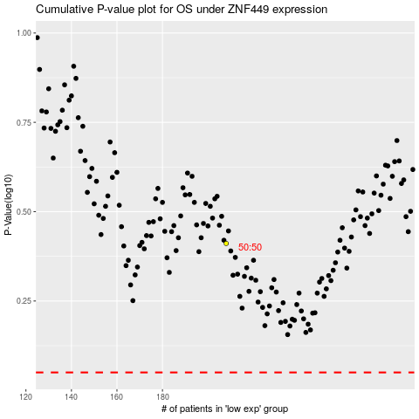

 |  |  |  |  |  | cases_OS | p_OS | rank | exp
 |  |  |  |  |  |  | cases_RFS | p_RFS | rank | exp

