ZNF454 _multivariate
Reported by Tex Li-Hsing Chi. tex@gate.sinica.edu.tw 2019-08-14

Table 2. The clinicopathological features of HNSCC cohort and ZNF454 expression. (Chi square test)
Cutoff at -0.108 (68.8%)
 |  | ZNF454 expression |  | ZNF454 expression |  | (Optimised)
 | Features | Low | (%) | High | (%) | Case no | P-value | Remark | Matthews
Gender | Female | 205 | 49.4 | 101 | 24.3 | 415 | 0.1946 | 0 | 0
2 | Male | 81 | 19.5 | 28 | 6.7
Age at diagnosis | <=65y | 178 | 42.9 | 96 | 23.1 | 415 | 0.0207 | 1 | 0
4 | >65y | 108 | 26 | 33 | 8
Clinical T Status | T1+T2 | 95 | 22.9 | 54 | 13 | 415 | 0.1122 | 0 | 0
6 | T3+T4 | 191 | 46 | 75 | 18.1
Clinical N Status | N0 | 147 | 35.4 | 69 | 16.6 | 415 | 0.7731 | 0 | 0
8 | N1-3 | 139 | 33.5 | 60 | 14.5
Clinical M Status | M0 | 283 | 68.2 | 129 | 31.1 | 415 | 0.5554 | 0 | 0
10 | M1 | 3 | 0.7 | 0 | 0
Clinical Stage | Stage I+II | 65 | 15.7 | 37 | 8.9 | 415 | 0.2376 | 0 | 0
12 | Stage III+IV | 221 | 53.3 | 92 | 22.2
Surgical Margin status | Negative | 214 | 51.6 | 104 | 25.1 | 415 | 0.2122 | 0 | 0
14 | Positive | 72 | 17.3 | 25 | 6
Tobacco Exposure | Low | 115 | 27.7 | 46 | 11.1 | 415 | 0.3866 | 0 | 0
16 | High | 171 | 41.2 | 83 | 20

Table 3. Univariate/Multivariate Cox's proportional hazards regression analyses on OS time of ZNF454 gene expression in HNSCC

 |  | Univariate |  |  |  | Multivariate
 | Features | HR | CI95%(L) | CI95%(H) | P-value | HR | CI95%(L) | CI95%(H) | P-value
1 | Female | 1 |  |  |  | 1
Gender | Male | 1.157 | 0.843 | 1.587 | 0.367 | 1.178 | 0.841 | 1.65 | 0.34
11 | <=65y | 1 |  |  |  | 1
Age at diagnosis | >65y | 1.329 | 0.99 | 1.784 | 0.058 | 1.36 | 0.998 | 1.852 | 0.051
12 | T1+T2 | 1 |  |  |  | 1
Clinical T Status | T3+T4 | 1.409 | 1.028 | 1.931 | 0.033 | 2.182 | 1.154 | 4.127 | 0.016
13 | N0 | 1 |  |  |  | 1
Clinical N Status | N1-3 | 1.185 | 0.89 | 1.577 | 0.246 | 1.24 | 0.869 | 1.769 | 0.237
14 | M0 | 1 |  |  |  | 1
Clinical M Status | M1 | 4.097 | 1.009 | 16.644 | 0.049 | 8.719 | 1.894 | 40.141 | 0.005
15 | Stage I+II | 1 |  |  |  | 1
Clinical Stage | Stage III+IV | 1.245 | 0.882 | 1.759 | 0.213 | 0.503 | 0.234 | 1.079 | 0.078
16 | Negative | 1 |  |  |  | 1
Surgical Margin status | Positive | 1.591 | 1.155 | 2.191 | 0.004 | 1.637 | 1.183 | 2.265 | 0.003
17 | Low | 1 |  |  |  | 1
Tobacco Exposure | High | 1.364 | 1.008 | 1.844 | 0.044 | 1.454 | 1.054 | 2.006 | 0.022
18 | Low | 1 |  |  |  | 1
RNAseq(z-score) | High | 0.713 | 0.513 | 0.989 | 0.043 | 0.808 | 0.578 | 1.129 | 0.211

Table 4. Univariate/Multivariate Cox's proportional hazards regression analyses on RFS time of ZNF454 gene expression in HNSCC

 |  | Univariate |  |  |  | Multivariate
 | Features | HR | CI95%(L) | CI95%(H) | P-value | HR | CI95%(L) | CI95%(H) | P-value
1 | Female | 1 |  |  |  | 1
Gender | Male | 1.157 | 0.843 | 1.587 | 0.367 | 1.178 | 0.841 | 1.65 | 0.34
11 | <=65y | 1 |  |  |  | 1
Age at diagnosis | >65y | 1.329 | 0.99 | 1.784 | 0.058 | 1.36 | 0.998 | 1.852 | 0.051
12 | T1+T2 | 1 |  |  |  | 1
Clinical T Status | T3+T4 | 1.409 | 1.028 | 1.931 | 0.033 | 2.182 | 1.154 | 4.127 | 0.016
13 | N0 | 1 |  |  |  | 1
Clinical N Status | N1-3 | 1.185 | 0.89 | 1.577 | 0.246 | 1.24 | 0.869 | 1.769 | 0.237
14 | M0 | 1 |  |  |  | 1
Clinical M Status | M1 | 4.097 | 1.009 | 16.644 | 0.049 | 8.719 | 1.894 | 40.141 | 0.005
15 | Stage I+II | 1 |  |  |  | 1
Clinical Stage | Stage III+IV | 1.245 | 0.882 | 1.759 | 0.213 | 0.503 | 0.234 | 1.079 | 0.078
16 | Negative | 1 |  |  |  | 1
Surgical Margin status | Positive | 1.591 | 1.155 | 2.191 | 0.004 | 1.637 | 1.183 | 2.265 | 0.003
17 | Low | 1 |  |  |  | 1
Tobacco Exposure | High | 1.364 | 1.008 | 1.844 | 0.044 | 1.454 | 1.054 | 2.006 | 0.022
18 | Low | 1 |  |  |  | 1
RNAseq(z-score) | High | 0.713 | 0.513 | 0.989 | 0.043 | 0.808 | 0.578 | 1.129 | 0.211

Kaplan-Meier survival estimate: Cutoff at -0.108 (68.8%)

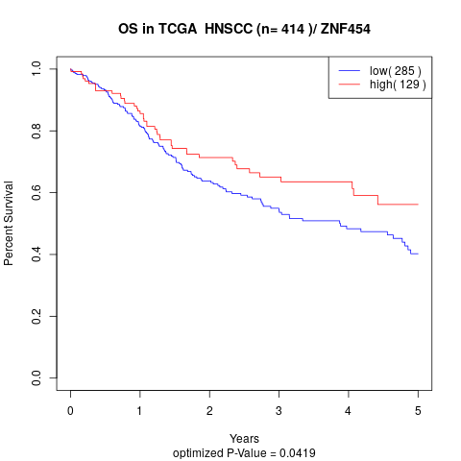

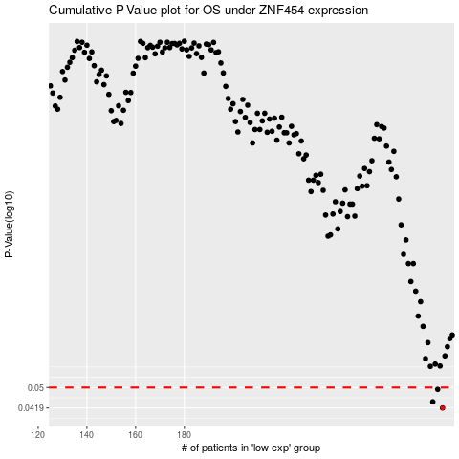

 |  |  |  |  |  | cases_OS | p_OS | rank | exp
 |  |  |  |  |  | 286 | 0.0419 | 26 | -0.10751456221
 |  |  |  |  |  | 282 | 0.0442 | 362 | -0.11994610022
 |  |  |  |  |  | 284 | 0.0492 | 126 | -0.11438164186
 |  |  |  |  |  |  | cases_RFS | p_RFS | rank | exp
 |  |  |  |  |  |  | 285 | 0.0419 | 250 | -0.1131498152
 |  |  |  |  |  |  | 281 | 0.0442 | 355 | -0.12621850493
 |  |  |  |  |  |  | 283 | 0.0492 | 411 | -0.11552851496

