ZNF460 _multivariate
Reported by Tex Li-Hsing Chi. tex@gate.sinica.edu.tw 2019-08-14

Table 2. The clinicopathological features of HNSCC cohort and ZNF460 expression. (Chi square test)
Cutoff at -0.194 (49.8%)
 |  | ZNF460 expression |  | ZNF460 expression |  | (Optimised)
 | Features | Low | (%) | High | (%) | Case no | P-value | Remark | Matthews
Gender | Female | 150 | 36.1 | 156 | 37.6 | 415 | 0.6344 | 0 | 0
2 | Male | 57 | 13.7 | 52 | 12.5
Age at diagnosis | <=65y | 139 | 33.5 | 135 | 32.5 | 415 | 0.7044 | 0 | 0
4 | >65y | 68 | 16.4 | 73 | 17.6
Clinical T Status | T1+T2 | 80 | 19.3 | 69 | 16.6 | 415 | 0.2891 | 0 | 0
6 | T3+T4 | 127 | 30.6 | 139 | 33.5
Clinical N Status | N0 | 113 | 27.2 | 103 | 24.8 | 415 | 0.3495 | 1 | 0
8 | N1-3 | 94 | 22.7 | 105 | 25.3
Clinical M Status | M0 | 205 | 49.4 | 207 | 49.9 | 415 | 0.6232 | 0 | 0
10 | M1 | 2 | 0.5 | 1 | 0.2
Clinical Stage | Stage I+II | 54 | 13 | 48 | 11.6 | 415 | 0.5498 | 0 | 0
12 | Stage III+IV | 153 | 36.9 | 160 | 38.6
Surgical Margin status | Negative | 165 | 39.8 | 153 | 36.9 | 415 | 0.1639 | 0 | 0
14 | Positive | 42 | 10.1 | 55 | 13.3
Tobacco Exposure | Low | 86 | 20.7 | 75 | 18.1 | 415 | 0.2687 | 0 | 0
16 | High | 121 | 29.2 | 133 | 32

Table 3. Univariate/Multivariate Cox's proportional hazards regression analyses on OS time of ZNF460 gene expression in HNSCC

 |  | Univariate |  |  |  | Multivariate
 | Features | HR | CI95%(L) | CI95%(H) | P-value | HR | CI95%(L) | CI95%(H) | P-value
1 | Female | 1 |  |  |  | 1
Gender | Male | 1.157 | 0.843 | 1.587 | 0.367 | 1.21 | 0.865 | 1.693 | 0.266
11 | <=65y | 1 |  |  |  | 1
Age at diagnosis | >65y | 1.329 | 0.99 | 1.784 | 0.058 | 1.387 | 1.02 | 1.887 | 0.037
12 | T1+T2 | 1 |  |  |  | 1
Clinical T Status | T3+T4 | 1.409 | 1.028 | 1.931 | 0.033 | 2.189 | 1.157 | 4.142 | 0.016
13 | N0 | 1 |  |  |  | 1
Clinical N Status | N1-3 | 1.185 | 0.89 | 1.577 | 0.246 | 1.233 | 0.863 | 1.762 | 0.25
14 | M0 | 1 |  |  |  | 1
Clinical M Status | M1 | 4.097 | 1.009 | 16.644 | 0.049 | 9.475 | 2.066 | 43.448 | 0.004
15 | Stage I+II | 1 |  |  |  | 1
Clinical Stage | Stage III+IV | 1.245 | 0.882 | 1.759 | 0.213 | 0.508 | 0.236 | 1.091 | 0.082
16 | Negative | 1 |  |  |  | 1
Surgical Margin status | Positive | 1.591 | 1.155 | 2.191 | 0.004 | 1.663 | 1.203 | 2.301 | 0.002
17 | Low | 1 |  |  |  | 1
Tobacco Exposure | High | 1.364 | 1.008 | 1.844 | 0.044 | 1.454 | 1.055 | 2.003 | 0.022
18 | Low | 1 |  |  |  | 1
RNAseq(z-score) | High | 1.12 | 0.841 | 1.492 | 0.438 | 1.063 | 0.794 | 1.422 | 0.683

Table 4. Univariate/Multivariate Cox's proportional hazards regression analyses on RFS time of ZNF460 gene expression in HNSCC

 |  | Univariate |  |  |  | Multivariate
 | Features | HR | CI95%(L) | CI95%(H) | P-value | HR | CI95%(L) | CI95%(H) | P-value
1 | Female | 1 |  |  |  | 1
Gender | Male | 1.157 | 0.843 | 1.587 | 0.367 | 1.21 | 0.865 | 1.693 | 0.266
11 | <=65y | 1 |  |  |  | 1
Age at diagnosis | >65y | 1.329 | 0.99 | 1.784 | 0.058 | 1.387 | 1.02 | 1.887 | 0.037
12 | T1+T2 | 1 |  |  |  | 1
Clinical T Status | T3+T4 | 1.409 | 1.028 | 1.931 | 0.033 | 2.189 | 1.157 | 4.142 | 0.016
13 | N0 | 1 |  |  |  | 1
Clinical N Status | N1-3 | 1.185 | 0.89 | 1.577 | 0.246 | 1.233 | 0.863 | 1.762 | 0.25
14 | M0 | 1 |  |  |  | 1
Clinical M Status | M1 | 4.097 | 1.009 | 16.644 | 0.049 | 9.475 | 2.066 | 43.448 | 0.004
15 | Stage I+II | 1 |  |  |  | 1
Clinical Stage | Stage III+IV | 1.245 | 0.882 | 1.759 | 0.213 | 0.508 | 0.236 | 1.091 | 0.082
16 | Negative | 1 |  |  |  | 1
Surgical Margin status | Positive | 1.591 | 1.155 | 2.191 | 0.004 | 1.663 | 1.203 | 2.301 | 0.002
17 | Low | 1 |  |  |  | 1
Tobacco Exposure | High | 1.364 | 1.008 | 1.844 | 0.044 | 1.454 | 1.055 | 2.003 | 0.022
18 | Low | 1 |  |  |  | 1
RNAseq(z-score) | High | 1.12 | 0.841 | 1.492 | 0.438 | 1.063 | 0.794 | 1.422 | 0.683

Kaplan-Meier survival estimate: Cutoff at -0.194 (49.8%)



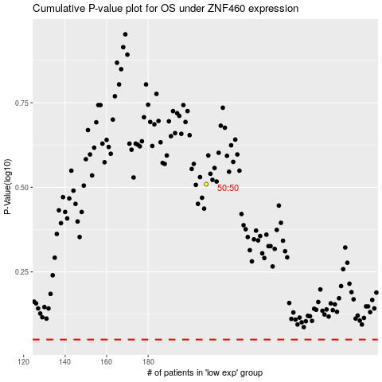

 |  |  |  |  |  | cases_OS | p_OS | rank | exp
 |  |  |  |  |  |  | cases_RFS | p_RFS | rank | exp

