ZNF461 _multivariate
Reported by Tex Li-Hsing Chi. tex@gate.sinica.edu.tw 2019-08-14

Table 2. The clinicopathological features of HNSCC cohort and ZNF461 expression. (Chi square test)
Cutoff at 0.189 (69.6%)
 |  | ZNF461 expression |  | ZNF461 expression |  | (Optimised)
 | Features | Low | (%) | High | (%) | Case no | P-value | Remark | Matthews
Gender | Female | 205 | 49.4 | 101 | 24.3 | 415 | 0.0654 | 0 | 0
2 | Male | 84 | 20.2 | 25 | 6
Age at diagnosis | <=65y | 186 | 44.8 | 88 | 21.2 | 415 | 0.3314 | 0 | 0
4 | >65y | 103 | 24.8 | 38 | 9.2
Clinical T Status | T1+T2 | 96 | 23.1 | 53 | 12.8 | 415 | 0.1061 | 0 | 0
6 | T3+T4 | 193 | 46.5 | 73 | 17.6
Clinical N Status | N0 | 151 | 36.4 | 65 | 15.7 | 415 | 0.9862 | 0 | 0
8 | N1-3 | 138 | 33.3 | 61 | 14.7
Clinical M Status | M0 | 286 | 68.9 | 126 | 30.4 | 415 | 0.5566 | 0 | 0
10 | M1 | 3 | 0.7 | 0 | 0
Clinical Stage | Stage I+II | 69 | 16.6 | 33 | 8 | 415 | 0.7042 | 0 | 0
12 | Stage III+IV | 220 | 53 | 93 | 22.4
Surgical Margin status | Negative | 226 | 54.5 | 92 | 22.2 | 415 | 0.2584 | 0 | 0
14 | Positive | 63 | 15.2 | 34 | 8.2
Tobacco Exposure | Low | 113 | 27.2 | 48 | 11.6 | 415 | 0.9129 | 0 | 0
16 | High | 176 | 42.4 | 78 | 18.8

Table 3. Univariate/Multivariate Cox's proportional hazards regression analyses on OS time of ZNF461 gene expression in HNSCC

 |  | Univariate |  |  |  | Multivariate
 | Features | HR | CI95%(L) | CI95%(H) | P-value | HR | CI95%(L) | CI95%(H) | P-value
1 | Female | 1 |  |  |  | 1
Gender | Male | 1.157 | 0.843 | 1.587 | 0.367 | 1.169 | 0.835 | 1.637 | 0.363
11 | <=65y | 1 |  |  |  | 1
Age at diagnosis | >65y | 1.329 | 0.99 | 1.784 | 0.058 | 1.387 | 1.02 | 1.886 | 0.037
12 | T1+T2 | 1 |  |  |  | 1
Clinical T Status | T3+T4 | 1.409 | 1.028 | 1.931 | 0.033 | 2.072 | 1.093 | 3.928 | 0.026
13 | N0 | 1 |  |  |  | 1
Clinical N Status | N1-3 | 1.185 | 0.89 | 1.577 | 0.246 | 1.246 | 0.873 | 1.778 | 0.225
14 | M0 | 1 |  |  |  | 1
Clinical M Status | M1 | 4.097 | 1.009 | 16.644 | 0.049 | 8.188 | 1.774 | 37.787 | 0.007
15 | Stage I+II | 1 |  |  |  | 1
Clinical Stage | Stage III+IV | 1.245 | 0.882 | 1.759 | 0.213 | 0.519 | 0.242 | 1.115 | 0.093
16 | Negative | 1 |  |  |  | 1
Surgical Margin status | Positive | 1.591 | 1.155 | 2.191 | 0.004 | 1.721 | 1.243 | 2.383 | 0.001
17 | Low | 1 |  |  |  | 1
Tobacco Exposure | High | 1.364 | 1.008 | 1.844 | 0.044 | 1.459 | 1.057 | 2.013 | 0.022
18 | Low | 1 |  |  |  | 1
RNAseq(z-score) | High | 0.716 | 0.515 | 0.995 | 0.046 | 0.741 | 0.529 | 1.037 | 0.08

Table 4. Univariate/Multivariate Cox's proportional hazards regression analyses on RFS time of ZNF461 gene expression in HNSCC

 |  | Univariate |  |  |  | Multivariate
 | Features | HR | CI95%(L) | CI95%(H) | P-value | HR | CI95%(L) | CI95%(H) | P-value
1 | Female | 1 |  |  |  | 1
Gender | Male | 1.157 | 0.843 | 1.587 | 0.367 | 1.169 | 0.835 | 1.637 | 0.363
11 | <=65y | 1 |  |  |  | 1
Age at diagnosis | >65y | 1.329 | 0.99 | 1.784 | 0.058 | 1.387 | 1.02 | 1.886 | 0.037
12 | T1+T2 | 1 |  |  |  | 1
Clinical T Status | T3+T4 | 1.409 | 1.028 | 1.931 | 0.033 | 2.072 | 1.093 | 3.928 | 0.026
13 | N0 | 1 |  |  |  | 1
Clinical N Status | N1-3 | 1.185 | 0.89 | 1.577 | 0.246 | 1.246 | 0.873 | 1.778 | 0.225
14 | M0 | 1 |  |  |  | 1
Clinical M Status | M1 | 4.097 | 1.009 | 16.644 | 0.049 | 8.188 | 1.774 | 37.787 | 0.007
15 | Stage I+II | 1 |  |  |  | 1
Clinical Stage | Stage III+IV | 1.245 | 0.882 | 1.759 | 0.213 | 0.519 | 0.242 | 1.115 | 0.093
16 | Negative | 1 |  |  |  | 1
Surgical Margin status | Positive | 1.591 | 1.155 | 2.191 | 0.004 | 1.721 | 1.243 | 2.383 | 0.001
17 | Low | 1 |  |  |  | 1
Tobacco Exposure | High | 1.364 | 1.008 | 1.844 | 0.044 | 1.459 | 1.057 | 2.013 | 0.022
18 | Low | 1 |  |  |  | 1
RNAseq(z-score) | High | 0.716 | 0.515 | 0.995 | 0.046 | 0.741 | 0.529 | 1.037 | 0.08

Kaplan-Meier survival estimate: Cutoff at 0.189 (69.6%)



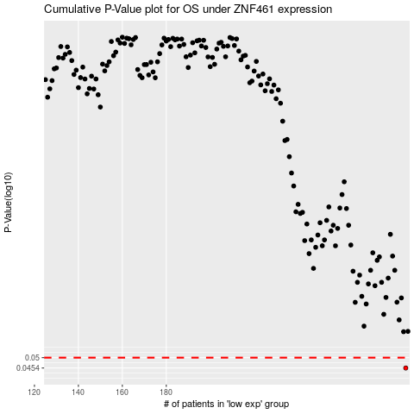

 |  |  |  |  |  | cases_OS | p_OS | rank | exp
 |  |  |  |  |  | 289 | 0.0454 | 131 | 0.18898624197
 |  |  |  |  |  |  | cases_RFS | p_RFS | rank | exp
 |  |  |  |  |  |  | 288 | 0.0454 | 224 | 0.18392395892

