ZNF462 _multivariate
Reported by Tex Li-Hsing Chi. tex@gate.sinica.edu.tw 2019-08-14

Table 2. The clinicopathological features of HNSCC cohort and ZNF462 expression. (Chi square test)
Cutoff at -0.156 (49.8%)
 |  | ZNF462 expression |  | ZNF462 expression |  | (Optimised)
 | Features | Low | (%) | High | (%) | Case no | P-value | Remark | Matthews
Gender | Female | 145 | 34.9 | 161 | 38.8 | 415 | 0.1116 | 0 | 0
2 | Male | 62 | 14.9 | 47 | 11.3
Age at diagnosis | <=65y | 135 | 32.5 | 139 | 33.5 | 415 | 0.8084 | 0 | 0
4 | >65y | 72 | 17.3 | 69 | 16.6
Clinical T Status | T1+T2 | 76 | 18.3 | 73 | 17.6 | 415 | 0.8092 | 0 | 0
6 | T3+T4 | 131 | 31.6 | 135 | 32.5
Clinical N Status | N0 | 104 | 25.1 | 112 | 27 | 415 | 0.5243 | 0 | 0
8 | N1-3 | 103 | 24.8 | 96 | 23.1
Clinical M Status | M0 | 204 | 49.2 | 208 | 50.1 | 415 | 0.1232 | 0 | 0
10 | M1 | 3 | 0.7 | 0 | 0
Clinical Stage | Stage I+II | 49 | 11.8 | 53 | 12.8 | 415 | 0.7535 | 0 | 0
12 | Stage III+IV | 158 | 38.1 | 155 | 37.3
Surgical Margin status | Negative | 153 | 36.9 | 165 | 39.8 | 415 | 0.2036 | 0 | 0
14 | Positive | 54 | 13 | 43 | 10.4
Tobacco Exposure | Low | 85 | 20.5 | 76 | 18.3 | 415 | 0.3655 | 0 | 0
16 | High | 122 | 29.4 | 132 | 31.8

Table 3. Univariate/Multivariate Cox's proportional hazards regression analyses on OS time of ZNF462 gene expression in HNSCC

 |  | Univariate |  |  |  | Multivariate
 | Features | HR | CI95%(L) | CI95%(H) | P-value | HR | CI95%(L) | CI95%(H) | P-value
1 | Female | 1 |  |  |  | 1
Gender | Male | 1.157 | 0.843 | 1.587 | 0.367 | 1.238 | 0.884 | 1.734 | 0.214
11 | <=65y | 1 |  |  |  | 1
Age at diagnosis | >65y | 1.329 | 0.99 | 1.784 | 0.058 | 1.4 | 1.03 | 1.903 | 0.032
12 | T1+T2 | 1 |  |  |  | 1
Clinical T Status | T3+T4 | 1.409 | 1.028 | 1.931 | 0.033 | 2.209 | 1.169 | 4.177 | 0.015
13 | N0 | 1 |  |  |  | 1
Clinical N Status | N1-3 | 1.185 | 0.89 | 1.577 | 0.246 | 1.258 | 0.882 | 1.796 | 0.205
14 | M0 | 1 |  |  |  | 1
Clinical M Status | M1 | 4.097 | 1.009 | 16.644 | 0.049 | 10.513 | 2.27 | 48.688 | 0.003
15 | Stage I+II | 1 |  |  |  | 1
Clinical Stage | Stage III+IV | 1.245 | 0.882 | 1.759 | 0.213 | 0.501 | 0.233 | 1.075 | 0.076
16 | Negative | 1 |  |  |  | 1
Surgical Margin status | Positive | 1.591 | 1.155 | 2.191 | 0.004 | 1.713 | 1.237 | 2.373 | 0.001
17 | Low | 1 |  |  |  | 1
Tobacco Exposure | High | 1.364 | 1.008 | 1.844 | 0.044 | 1.457 | 1.057 | 2.008 | 0.022
18 | Low | 1 |  |  |  | 1
RNAseq(z-score) | High | 1.095 | 0.821 | 1.461 | 0.535 | 1.215 | 0.903 | 1.634 | 0.198

Table 4. Univariate/Multivariate Cox's proportional hazards regression analyses on RFS time of ZNF462 gene expression in HNSCC

 |  | Univariate |  |  |  | Multivariate
 | Features | HR | CI95%(L) | CI95%(H) | P-value | HR | CI95%(L) | CI95%(H) | P-value
1 | Female | 1 |  |  |  | 1
Gender | Male | 1.157 | 0.843 | 1.587 | 0.367 | 1.238 | 0.884 | 1.734 | 0.214
11 | <=65y | 1 |  |  |  | 1
Age at diagnosis | >65y | 1.329 | 0.99 | 1.784 | 0.058 | 1.4 | 1.03 | 1.903 | 0.032
12 | T1+T2 | 1 |  |  |  | 1
Clinical T Status | T3+T4 | 1.409 | 1.028 | 1.931 | 0.033 | 2.209 | 1.169 | 4.177 | 0.015
13 | N0 | 1 |  |  |  | 1
Clinical N Status | N1-3 | 1.185 | 0.89 | 1.577 | 0.246 | 1.258 | 0.882 | 1.796 | 0.205
14 | M0 | 1 |  |  |  | 1
Clinical M Status | M1 | 4.097 | 1.009 | 16.644 | 0.049 | 10.513 | 2.27 | 48.688 | 0.003
15 | Stage I+II | 1 |  |  |  | 1
Clinical Stage | Stage III+IV | 1.245 | 0.882 | 1.759 | 0.213 | 0.501 | 0.233 | 1.075 | 0.076
16 | Negative | 1 |  |  |  | 1
Surgical Margin status | Positive | 1.591 | 1.155 | 2.191 | 0.004 | 1.713 | 1.237 | 2.373 | 0.001
17 | Low | 1 |  |  |  | 1
Tobacco Exposure | High | 1.364 | 1.008 | 1.844 | 0.044 | 1.457 | 1.057 | 2.008 | 0.022
18 | Low | 1 |  |  |  | 1
RNAseq(z-score) | High | 1.095 | 0.821 | 1.461 | 0.535 | 1.215 | 0.903 | 1.634 | 0.198

Kaplan-Meier survival estimate: Cutoff at -0.156 (49.8%)



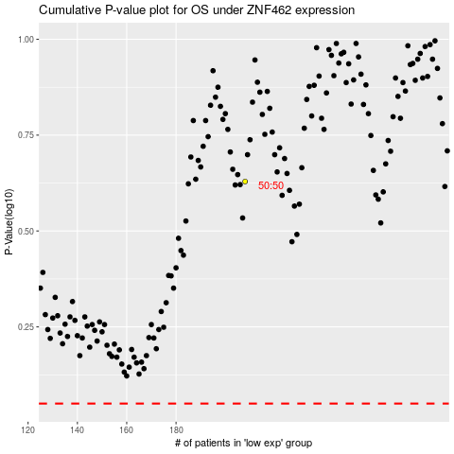

 |  |  |  |  |  | cases_OS | p_OS | rank | exp
 |  |  |  |  |  |  | cases_RFS | p_RFS | rank | exp

