ZNF467 _multivariate
Reported by Tex Li-Hsing Chi. tex@gate.sinica.edu.tw 2019-08-14

Table 2. The clinicopathological features of HNSCC cohort and ZNF467 expression. (Chi square test)
Cutoff at -0.34 (50.0%)
 |  | ZNF467 expression |  | ZNF467 expression |  | (Optimised)
 | Features | Low | (%) | High | (%) | Case no | P-value | Remark | Matthews
Gender | Female | 148 | 35.7 | 158 | 38.1 | 415 | 0.3567 | 0 | 0
2 | Male | 59 | 14.2 | 50 | 12
Age at diagnosis | <=65y | 145 | 34.9 | 129 | 31.1 | 415 | 0.1046 | 0 | 0
4 | >65y | 62 | 14.9 | 79 | 19
Clinical T Status | T1+T2 | 63 | 15.2 | 86 | 20.7 | 415 | 0.0268 | 1 | 0
6 | T3+T4 | 144 | 34.7 | 122 | 29.4
Clinical N Status | N0 | 96 | 23.1 | 120 | 28.9 | 415 | 0.0272 | 1 | 0
8 | N1-3 | 111 | 26.7 | 88 | 21.2
Clinical M Status | M0 | 205 | 49.4 | 207 | 49.9 | 415 | 0.6232 | 0 | 0
10 | M1 | 2 | 0.5 | 1 | 0.2
Clinical Stage | Stage I+II | 39 | 9.4 | 63 | 15.2 | 415 | 0.0095 | 1 | 0
12 | Stage III+IV | 168 | 40.5 | 145 | 34.9
Surgical Margin status | Negative | 159 | 38.3 | 159 | 38.3 | 415 | 1 | 0 | 0
14 | Positive | 48 | 11.6 | 49 | 11.8
Tobacco Exposure | Low | 76 | 18.3 | 85 | 20.5 | 415 | 0.4207 | 0 | 0
16 | High | 131 | 31.6 | 123 | 29.6

Table 3. Univariate/Multivariate Cox's proportional hazards regression analyses on OS time of ZNF467 gene expression in HNSCC

 |  | Univariate |  |  |  | Multivariate
 | Features | HR | CI95%(L) | CI95%(H) | P-value | HR | CI95%(L) | CI95%(H) | P-value
1 | Female | 1 |  |  |  | 1
Gender | Male | 1.157 | 0.843 | 1.587 | 0.367 | 1.189 | 0.85 | 1.664 | 0.312
11 | <=65y | 1 |  |  |  | 1
Age at diagnosis | >65y | 1.329 | 0.99 | 1.784 | 0.058 | 1.412 | 1.037 | 1.923 | 0.029
12 | T1+T2 | 1 |  |  |  | 1
Clinical T Status | T3+T4 | 1.409 | 1.028 | 1.931 | 0.033 | 2.201 | 1.164 | 4.161 | 0.015
13 | N0 | 1 |  |  |  | 1
Clinical N Status | N1-3 | 1.185 | 0.89 | 1.577 | 0.246 | 1.221 | 0.853 | 1.746 | 0.275
14 | M0 | 1 |  |  |  | 1
Clinical M Status | M1 | 4.097 | 1.009 | 16.644 | 0.049 | 9.378 | 2.045 | 43.001 | 0.004
15 | Stage I+II | 1 |  |  |  | 1
Clinical Stage | Stage III+IV | 1.245 | 0.882 | 1.759 | 0.213 | 0.498 | 0.232 | 1.069 | 0.074
16 | Negative | 1 |  |  |  | 1
Surgical Margin status | Positive | 1.591 | 1.155 | 2.191 | 0.004 | 1.696 | 1.224 | 2.349 | 0.001
17 | Low | 1 |  |  |  | 1
Tobacco Exposure | High | 1.364 | 1.008 | 1.844 | 0.044 | 1.454 | 1.055 | 2.004 | 0.022
18 | Low | 1 |  |  |  | 1
RNAseq(z-score) | High | 0.907 | 0.681 | 1.207 | 0.503 | 0.893 | 0.662 | 1.204 | 0.459

Table 4. Univariate/Multivariate Cox's proportional hazards regression analyses on RFS time of ZNF467 gene expression in HNSCC

 |  | Univariate |  |  |  | Multivariate
 | Features | HR | CI95%(L) | CI95%(H) | P-value | HR | CI95%(L) | CI95%(H) | P-value
1 | Female | 1 |  |  |  | 1
Gender | Male | 1.157 | 0.843 | 1.587 | 0.367 | 1.189 | 0.85 | 1.664 | 0.312
11 | <=65y | 1 |  |  |  | 1
Age at diagnosis | >65y | 1.329 | 0.99 | 1.784 | 0.058 | 1.412 | 1.037 | 1.923 | 0.029
12 | T1+T2 | 1 |  |  |  | 1
Clinical T Status | T3+T4 | 1.409 | 1.028 | 1.931 | 0.033 | 2.201 | 1.164 | 4.161 | 0.015
13 | N0 | 1 |  |  |  | 1
Clinical N Status | N1-3 | 1.185 | 0.89 | 1.577 | 0.246 | 1.221 | 0.853 | 1.746 | 0.275
14 | M0 | 1 |  |  |  | 1
Clinical M Status | M1 | 4.097 | 1.009 | 16.644 | 0.049 | 9.378 | 2.045 | 43.001 | 0.004
15 | Stage I+II | 1 |  |  |  | 1
Clinical Stage | Stage III+IV | 1.245 | 0.882 | 1.759 | 0.213 | 0.498 | 0.232 | 1.069 | 0.074
16 | Negative | 1 |  |  |  | 1
Surgical Margin status | Positive | 1.591 | 1.155 | 2.191 | 0.004 | 1.696 | 1.224 | 2.349 | 0.001
17 | Low | 1 |  |  |  | 1
Tobacco Exposure | High | 1.364 | 1.008 | 1.844 | 0.044 | 1.454 | 1.055 | 2.004 | 0.022
18 | Low | 1 |  |  |  | 1
RNAseq(z-score) | High | 0.907 | 0.681 | 1.207 | 0.503 | 0.893 | 0.662 | 1.204 | 0.459

Kaplan-Meier survival estimate: Cutoff at -0.34 (50.0%)



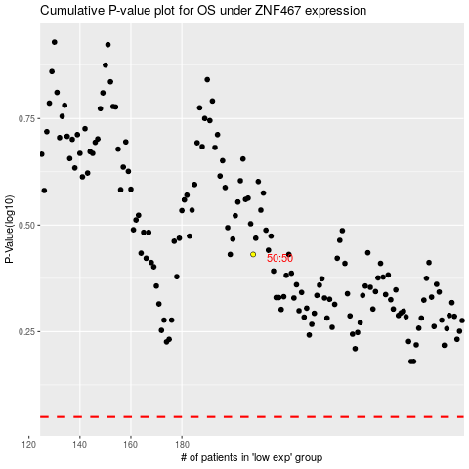

 |  |  |  |  |  | cases_OS | p_OS | rank | exp
 |  |  |  |  |  |  | cases_RFS | p_RFS | rank | exp

