ZNF469 _multivariate
Reported by Tex Li-Hsing Chi. tex@gate.sinica.edu.tw 2019-08-14

Table 2. The clinicopathological features of HNSCC cohort and ZNF469 expression. (Chi square test)
Cutoff at 0.091 (68.6%)
 |  | ZNF469 expression |  | ZNF469 expression |  | (Optimised)
 | Features | Low | (%) | High | (%) | Case no | P-value | Remark | Matthews
Gender | Female | 207 | 49.9 | 99 | 23.9 | 415 | 0.5248 | 0 | 0
2 | Male | 78 | 18.8 | 31 | 7.5
Age at diagnosis | <=65y | 197 | 47.5 | 77 | 18.6 | 415 | 0.0626 | 0 | 0
4 | >65y | 88 | 21.2 | 53 | 12.8
Clinical T Status | T1+T2 | 101 | 24.3 | 48 | 11.6 | 415 | 0.8555 | 0 | 0
6 | T3+T4 | 184 | 44.3 | 82 | 19.8
Clinical N Status | N0 | 144 | 34.7 | 72 | 17.3 | 415 | 0.4163 | 0 | 0
8 | N1-3 | 141 | 34 | 58 | 14
Clinical M Status | M0 | 282 | 68 | 130 | 31.3 | 415 | 0.5551 | 0 | 0
10 | M1 | 3 | 0.7 | 0 | 0
Clinical Stage | Stage I+II | 64 | 15.4 | 38 | 9.2 | 415 | 0.1726 | 0 | 0
12 | Stage III+IV | 221 | 53.3 | 92 | 22.2
Surgical Margin status | Negative | 212 | 51.1 | 106 | 25.5 | 415 | 0.1333 | 0 | 0
14 | Positive | 73 | 17.6 | 24 | 5.8
Tobacco Exposure | Low | 112 | 27 | 49 | 11.8 | 415 | 0.8282 | 0 | 0
16 | High | 173 | 41.7 | 81 | 19.5

Table 3. Univariate/Multivariate Cox's proportional hazards regression analyses on OS time of ZNF469 gene expression in HNSCC

 |  | Univariate |  |  |  | Multivariate
 | Features | HR | CI95%(L) | CI95%(H) | P-value | HR | CI95%(L) | CI95%(H) | P-value
1 | Female | 1 |  |  |  | 1
Gender | Male | 1.157 | 0.843 | 1.587 | 0.367 | 1.172 | 0.837 | 1.64 | 0.355
11 | <=65y | 1 |  |  |  | 1
Age at diagnosis | >65y | 1.329 | 0.99 | 1.784 | 0.058 | 1.439 | 1.057 | 1.959 | 0.021
12 | T1+T2 | 1 |  |  |  | 1
Clinical T Status | T3+T4 | 1.409 | 1.028 | 1.931 | 0.033 | 2.321 | 1.225 | 4.396 | 0.01
13 | N0 | 1 |  |  |  | 1
Clinical N Status | N1-3 | 1.185 | 0.89 | 1.577 | 0.246 | 1.28 | 0.896 | 1.829 | 0.175
14 | M0 | 1 |  |  |  | 1
Clinical M Status | M1 | 4.097 | 1.009 | 16.644 | 0.049 | 8.833 | 1.924 | 40.541 | 0.005
15 | Stage I+II | 1 |  |  |  | 1
Clinical Stage | Stage III+IV | 1.245 | 0.882 | 1.759 | 0.213 | 0.464 | 0.216 | 1 | 0.05
16 | Negative | 1 |  |  |  | 1
Surgical Margin status | Positive | 1.591 | 1.155 | 2.191 | 0.004 | 1.637 | 1.184 | 2.263 | 0.003
17 | Low | 1 |  |  |  | 1
Tobacco Exposure | High | 1.364 | 1.008 | 1.844 | 0.044 | 1.457 | 1.057 | 2.008 | 0.022
18 | Low | 1 |  |  |  | 1
RNAseq(z-score) | High | 0.727 | 0.528 | 0.999 | 0.049 | 0.716 | 0.519 | 0.989 | 0.043

Table 4. Univariate/Multivariate Cox's proportional hazards regression analyses on RFS time of ZNF469 gene expression in HNSCC

 |  | Univariate |  |  |  | Multivariate
 | Features | HR | CI95%(L) | CI95%(H) | P-value | HR | CI95%(L) | CI95%(H) | P-value
1 | Female | 1 |  |  |  | 1
Gender | Male | 1.157 | 0.843 | 1.587 | 0.367 | 1.172 | 0.837 | 1.64 | 0.355
11 | <=65y | 1 |  |  |  | 1
Age at diagnosis | >65y | 1.329 | 0.99 | 1.784 | 0.058 | 1.439 | 1.057 | 1.959 | 0.021
12 | T1+T2 | 1 |  |  |  | 1
Clinical T Status | T3+T4 | 1.409 | 1.028 | 1.931 | 0.033 | 2.321 | 1.225 | 4.396 | 0.01
13 | N0 | 1 |  |  |  | 1
Clinical N Status | N1-3 | 1.185 | 0.89 | 1.577 | 0.246 | 1.28 | 0.896 | 1.829 | 0.175
14 | M0 | 1 |  |  |  | 1
Clinical M Status | M1 | 4.097 | 1.009 | 16.644 | 0.049 | 8.833 | 1.924 | 40.541 | 0.005
15 | Stage I+II | 1 |  |  |  | 1
Clinical Stage | Stage III+IV | 1.245 | 0.882 | 1.759 | 0.213 | 0.464 | 0.216 | 1 | 0.05
16 | Negative | 1 |  |  |  | 1
Surgical Margin status | Positive | 1.591 | 1.155 | 2.191 | 0.004 | 1.637 | 1.184 | 2.263 | 0.003
17 | Low | 1 |  |  |  | 1
Tobacco Exposure | High | 1.364 | 1.008 | 1.844 | 0.044 | 1.457 | 1.057 | 2.008 | 0.022
18 | Low | 1 |  |  |  | 1
RNAseq(z-score) | High | 0.727 | 0.528 | 0.999 | 0.049 | 0.716 | 0.519 | 0.989 | 0.043

Kaplan-Meier survival estimate: Cutoff at 0.091 (68.6%)



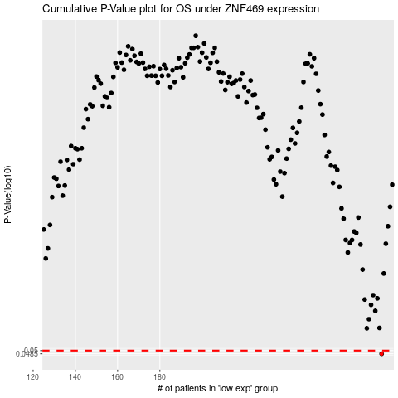

 |  |  |  |  |  | cases_OS | p_OS | rank | exp
 |  |  |  |  |  | 285 | 0.0485 | 271 | 0.091423291956
 |  |  |  |  |  |  | cases_RFS | p_RFS | rank | exp
 |  |  |  |  |  |  | 284 | 0.0485 | 92 | 0.091212248274

