ZNF470 _multivariate
Reported by Tex Li-Hsing Chi. tex@gate.sinica.edu.tw 2019-08-14

Table 2. The clinicopathological features of HNSCC cohort and ZNF470 expression. (Chi square test)
Cutoff at -0.715 (31.4%)
 |  | ZNF470 expression |  | ZNF470 expression |  | (Optimised)
 | Features | Low | (%) | High | (%) | Case no | P-value | Remark | Matthews
Gender | Female | 93 | 22.4 | 213 | 51.3 | 415 | 0.5711 | 0 | 0
2 | Male | 37 | 8.9 | 72 | 17.3
Age at diagnosis | <=65y | 78 | 18.8 | 196 | 47.2 | 415 | 0.1014 | 0 | 0
4 | >65y | 52 | 12.5 | 89 | 21.4
Clinical T Status | T1+T2 | 37 | 8.9 | 112 | 27 | 415 | 0.043 | 1 | 0
6 | T3+T4 | 93 | 22.4 | 173 | 41.7
Clinical N Status | N0 | 71 | 17.1 | 145 | 34.9 | 415 | 0.5478 | 0 | 0
8 | N1-3 | 59 | 14.2 | 140 | 33.7
Clinical M Status | M0 | 128 | 30.8 | 284 | 68.4 | 415 | 0.2323 | 0 | 0
10 | M1 | 2 | 0.5 | 1 | 0.2
Clinical Stage | Stage I+II | 27 | 6.5 | 75 | 18.1 | 415 | 0.2738 | 0 | 0
12 | Stage III+IV | 103 | 24.8 | 210 | 50.6
Surgical Margin status | Negative | 101 | 24.3 | 217 | 52.3 | 415 | 0.8029 | 0 | 0
14 | Positive | 29 | 7 | 68 | 16.4
Tobacco Exposure | Low | 61 | 14.7 | 100 | 24.1 | 415 | 0.023 | 1 | 0
16 | High | 69 | 16.6 | 185 | 44.6

Table 3. Univariate/Multivariate Cox's proportional hazards regression analyses on OS time of ZNF470 gene expression in HNSCC

 |  | Univariate |  |  |  | Multivariate
 | Features | HR | CI95%(L) | CI95%(H) | P-value | HR | CI95%(L) | CI95%(H) | P-value
1 | Female | 1 |  |  |  | 1
Gender | Male | 1.157 | 0.843 | 1.587 | 0.367 | 1.201 | 0.856 | 1.684 | 0.289
11 | <=65y | 1 |  |  |  | 1
Age at diagnosis | >65y | 1.329 | 0.99 | 1.784 | 0.058 | 1.34 | 0.983 | 1.828 | 0.064
12 | T1+T2 | 1 |  |  |  | 1
Clinical T Status | T3+T4 | 1.409 | 1.028 | 1.931 | 0.033 | 2.088 | 1.102 | 3.955 | 0.024
13 | N0 | 1 |  |  |  | 1
Clinical N Status | N1-3 | 1.185 | 0.89 | 1.577 | 0.246 | 1.237 | 0.866 | 1.766 | 0.242
14 | M0 | 1 |  |  |  | 1
Clinical M Status | M1 | 4.097 | 1.009 | 16.644 | 0.049 | 7.484 | 1.615 | 34.681 | 0.01
15 | Stage I+II | 1 |  |  |  | 1
Clinical Stage | Stage III+IV | 1.245 | 0.882 | 1.759 | 0.213 | 0.512 | 0.239 | 1.098 | 0.086
16 | Negative | 1 |  |  |  | 1
Surgical Margin status | Positive | 1.591 | 1.155 | 2.191 | 0.004 | 1.702 | 1.231 | 2.353 | 0.001
17 | Low | 1 |  |  |  | 1
Tobacco Exposure | High | 1.364 | 1.008 | 1.844 | 0.044 | 1.532 | 1.104 | 2.126 | 0.011
18 | Low | 1 |  |  |  | 1
RNAseq(z-score) | High | 0.651 | 0.485 | 0.873 | 0.004 | 0.671 | 0.496 | 0.908 | 0.01

Table 4. Univariate/Multivariate Cox's proportional hazards regression analyses on RFS time of ZNF470 gene expression in HNSCC

 |  | Univariate |  |  |  | Multivariate
 | Features | HR | CI95%(L) | CI95%(H) | P-value | HR | CI95%(L) | CI95%(H) | P-value
1 | Female | 1 |  |  |  | 1
Gender | Male | 1.157 | 0.843 | 1.587 | 0.367 | 1.201 | 0.856 | 1.684 | 0.289
11 | <=65y | 1 |  |  |  | 1
Age at diagnosis | >65y | 1.329 | 0.99 | 1.784 | 0.058 | 1.34 | 0.983 | 1.828 | 0.064
12 | T1+T2 | 1 |  |  |  | 1
Clinical T Status | T3+T4 | 1.409 | 1.028 | 1.931 | 0.033 | 2.088 | 1.102 | 3.955 | 0.024
13 | N0 | 1 |  |  |  | 1
Clinical N Status | N1-3 | 1.185 | 0.89 | 1.577 | 0.246 | 1.237 | 0.866 | 1.766 | 0.242
14 | M0 | 1 |  |  |  | 1
Clinical M Status | M1 | 4.097 | 1.009 | 16.644 | 0.049 | 7.484 | 1.615 | 34.681 | 0.01
15 | Stage I+II | 1 |  |  |  | 1
Clinical Stage | Stage III+IV | 1.245 | 0.882 | 1.759 | 0.213 | 0.512 | 0.239 | 1.098 | 0.086
16 | Negative | 1 |  |  |  | 1
Surgical Margin status | Positive | 1.591 | 1.155 | 2.191 | 0.004 | 1.702 | 1.231 | 2.353 | 0.001
17 | Low | 1 |  |  |  | 1
Tobacco Exposure | High | 1.364 | 1.008 | 1.844 | 0.044 | 1.532 | 1.104 | 2.126 | 0.011
18 | Low | 1 |  |  |  | 1
RNAseq(z-score) | High | 0.651 | 0.485 | 0.873 | 0.004 | 0.671 | 0.496 | 0.908 | 0.01

Kaplan-Meier survival estimate: Cutoff at -0.715 (31.4%)

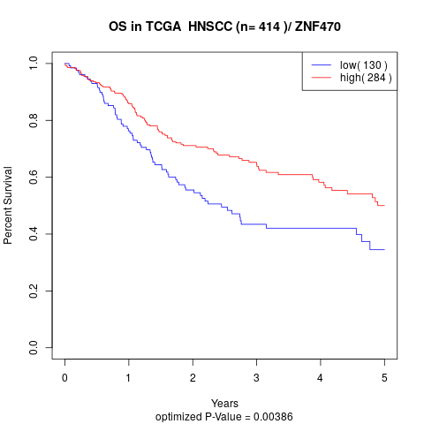

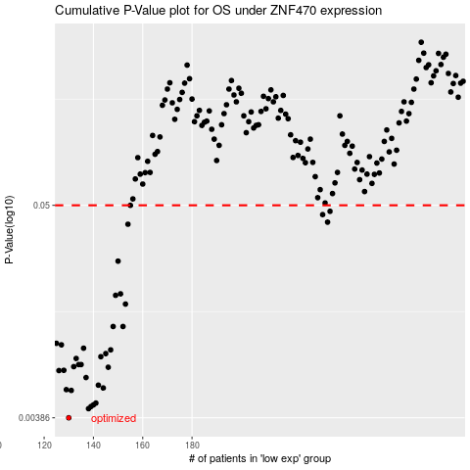

 |  |  |  |  |  | cases_OS | p_OS | rank | exp
 |  |  |  |  |  | 130 | 0.00386 | 130 | -0.71515159558
 |  |  |  |  |  | 138 | 0.00431 | 13 | -0.69631638022
 |  |  |  |  |  | 139 | 0.00442 | 228 | -0.69536403787
 |  |  |  |  |  | 140 | 0.00451 | 154 | -0.69398160542
 |  |  |  |  |  | 141 | 0.00461 | 5 | -0.69317262644
 |  |  |  |  |  | 131 | 0.00537 | 83 | -0.71480684083
 |  |  |  |  |  | 129 | 0.00542 | 65 | -0.71754439841
 |  |  |  |  |  | 144 | 0.00553 | 195 | -0.68651817693
 |  |  |  |  |  | 142 | 0.00572 | 399 | -0.69137034414
 |  |  |  |  |  | 137 | 0.00627 | 227 | -0.69888326712
 |  |  |  |  |  | 126 | 0.00682 | 150 | -0.72215250655
 |  |  |  |  |  | 128 | 0.00684 | 371 | -0.7192442783
 |  |  |  |  |  | 146 | 0.0071 | 33 | -0.68250741614
 |  |  |  |  |  | 132 | 0.00715 | 319 | -0.71320253651
 |  |  |  |  |  | 135 | 0.00733 | 103 | -0.70676313205
 |  |  |  |  |  | 134 | 0.00733 | 333 | -0.70855517411
 |  |  |  |  |  | 133 | 0.00789 | 243 | -0.7117535425
 |  |  |  |  |  | 143 | 0.00806 | 67 | -0.69109215094
 |  |  |  |  |  | 145 | 0.00837 | 142 | -0.68529617492
 |  |  |  |  |  | 147 | 0.00875 | 126 | -0.68168649021
 |  |  |  |  |  | 136 | 0.00893 | 123 | -0.70561451843
 |  |  |  |  |  | 127 | 0.0093 | 185 | -0.71989965368
 |  |  |  |  |  | 125 | 0.00947 | 390 | -0.72528943351
 |  |  |  |  |  | 148 | 0.0116 | 396 | -0.67221597461
 |  |  |  |  |  | 152 | 0.0116 | 402 | -0.66021099954
 |  |  |  |  |  | 153 | 0.0152 | 271 | -0.65880125979
 |  |  |  |  |  | 149 | 0.0169 | 362 | -0.66996141503
 |  |  |  |  |  | 151 | 0.0172 | 201 | -0.66266865722
 |  |  |  |  |  | 150 | 0.0255 | 413 | -0.66416543901
 |  |  |  |  |  | 154 | 0.0398 | 116 | -0.65806054907
 |  |  |  |  |  | 235 | 0.0408 | 16 | -0.33306262849
 |  |  |  |  |  | 233 | 0.0447 | 341 | -0.34079230322
 |  |  |  |  |  | 236 | 0.0465 | 151 | -0.33130984068
 |  |  |  |  |  | 155 | 0.05 | 380 | -0.65088896743
 |  |  |  |  |  |  | cases_RFS | p_RFS | rank | exp
 |  |  |  |  |  |  | 129 | 0.00386 | 65 | -0.71754439841
 |  |  |  |  |  |  | 137 | 0.00431 | 227 | -0.69888326712
 |  |  |  |  |  |  | 138 | 0.00442 | 13 | -0.69631638022
 |  |  |  |  |  |  | 139 | 0.00451 | 228 | -0.69536403787
 |  |  |  |  |  |  | 140 | 0.00461 | 154 | -0.69398160542
 |  |  |  |  |  |  | 130 | 0.00537 | 130 | -0.71515159558
 |  |  |  |  |  |  | 128 | 0.00542 | 371 | -0.7192442783
 |  |  |  |  |  |  | 143 | 0.00553 | 67 | -0.69109215094
 |  |  |  |  |  |  | 141 | 0.00572 | 5 | -0.69317262644
 |  |  |  |  |  |  | 136 | 0.00627 | 123 | -0.70561451843
 |  |  |  |  |  |  | 125 | 0.00682 | 390 | -0.72528943351
 |  |  |  |  |  |  | 127 | 0.00684 | 185 | -0.71989965368
 |  |  |  |  |  |  | 145 | 0.0071 | 142 | -0.68529617492
 |  |  |  |  |  |  | 131 | 0.00715 | 83 | -0.71480684083
 |  |  |  |  |  |  | 133 | 0.00733 | 243 | -0.7117535425
 |  |  |  |  |  |  | 134 | 0.00733 | 333 | -0.70855517411
 |  |  |  |  |  |  | 132 | 0.00789 | 319 | -0.71320253651
 |  |  |  |  |  |  | 142 | 0.00806 | 399 | -0.69137034414
 |  |  |  |  |  |  | 144 | 0.00837 | 195 | -0.68651817693
 |  |  |  |  |  |  | 146 | 0.00875 | 33 | -0.68250741614
 |  |  |  |  |  |  | 135 | 0.00893 | 103 | -0.70676313205
 |  |  |  |  |  |  | 126 | 0.0093 | 150 | -0.72215250655
 |  |  |  |  |  |  |  | 0.00947 | 50 | -0.72761738147
 |  |  |  |  |  |  | 147 | 0.0116 | 126 | -0.68168649021
 |  |  |  |  |  |  | 151 | 0.0116 | 201 | -0.66266865722
 |  |  |  |  |  |  | 152 | 0.0152 | 402 | -0.66021099954
 |  |  |  |  |  |  | 148 | 0.0169 | 396 | -0.67221597461
 |  |  |  |  |  |  | 150 | 0.0172 | 413 | -0.66416543901
 |  |  |  |  |  |  | 149 | 0.0255 | 362 | -0.66996141503
 |  |  |  |  |  |  | 153 | 0.0398 | 271 | -0.65880125979
 |  |  |  |  |  |  | 234 | 0.0408 | 143 | -0.33716043132
 |  |  |  |  |  |  | 232 | 0.0447 | 70 | -0.34262359953
 |  |  |  |  |  |  | 235 | 0.0465 | 16 | -0.33306262849
 |  |  |  |  |  |  | 154 | 0.05 | 116 | -0.65806054907

