ZNF474 _multivariate
Reported by Tex Li-Hsing Chi. tex@gate.sinica.edu.tw 2019-08-14

Table 2. The clinicopathological features of HNSCC cohort and ZNF474 expression. (Chi square test)
Cutoff at -0.297 (34.8%)
 |  | ZNF474 expression |  | ZNF474 expression |  | (Optimised)
 | Features | Low | (%) | High | (%) | Case no | P-value | Remark | Matthews
Gender | Female | 109 | 26.3 | 197 | 47.5 | 415 | 0.5864 | 0 | 0
2 | Male | 35 | 8.4 | 74 | 17.8
Age at diagnosis | <=65y | 94 | 22.7 | 180 | 43.4 | 415 | 0.9004 | 0 | 0
4 | >65y | 50 | 12 | 91 | 21.9
Clinical T Status | T1+T2 | 54 | 13 | 95 | 22.9 | 415 | 0.699 | 0 | 0
6 | T3+T4 | 90 | 21.7 | 176 | 42.4
Clinical N Status | N0 | 71 | 17.1 | 145 | 34.9 | 415 | 0.4764 | 0 | 0
8 | N1-3 | 73 | 17.6 | 126 | 30.4
Clinical M Status | M0 | 143 | 34.5 | 269 | 64.8 | 415 | 1 | 0 | 0
10 | M1 | 1 | 0.2 | 2 | 0.5
Clinical Stage | Stage I+II | 31 | 7.5 | 71 | 17.1 | 415 | 0.3511 | 0 | 0
12 | Stage III+IV | 113 | 27.2 | 200 | 48.2
Surgical Margin status | Negative | 106 | 25.5 | 212 | 51.1 | 415 | 0.3298 | 0 | 0
14 | Positive | 38 | 9.2 | 59 | 14.2
Tobacco Exposure | Low | 53 | 12.8 | 108 | 26 | 415 | 0.5971 | 0 | 0
16 | High | 91 | 21.9 | 163 | 39.3

Table 3. Univariate/Multivariate Cox's proportional hazards regression analyses on OS time of ZNF474 gene expression in HNSCC

 |  | Univariate |  |  |  | Multivariate
 | Features | HR | CI95%(L) | CI95%(H) | P-value | HR | CI95%(L) | CI95%(H) | P-value
1 | Female | 1 |  |  |  | 1
Gender | Male | 1.157 | 0.843 | 1.587 | 0.367 | 1.172 | 0.841 | 1.635 | 0.349
11 | <=65y | 1 |  |  |  | 1
Age at diagnosis | >65y | 1.329 | 0.99 | 1.784 | 0.058 | 1.435 | 1.056 | 1.951 | 0.021
12 | T1+T2 | 1 |  |  |  | 1
Clinical T Status | T3+T4 | 1.409 | 1.028 | 1.931 | 0.033 | 2.096 | 1.108 | 3.966 | 0.023
13 | N0 | 1 |  |  |  | 1
Clinical N Status | N1-3 | 1.185 | 0.89 | 1.577 | 0.246 | 1.261 | 0.884 | 1.8 | 0.201
14 | M0 | 1 |  |  |  | 1
Clinical M Status | M1 | 4.097 | 1.009 | 16.644 | 0.049 | 8.948 | 1.952 | 41.018 | 0.005
15 | Stage I+II | 1 |  |  |  | 1
Clinical Stage | Stage III+IV | 1.245 | 0.882 | 1.759 | 0.213 | 0.543 | 0.252 | 1.167 | 0.118
16 | Negative | 1 |  |  |  | 1
Surgical Margin status | Positive | 1.591 | 1.155 | 2.191 | 0.004 | 1.701 | 1.232 | 2.349 | 0.001
17 | Low | 1 |  |  |  | 1
Tobacco Exposure | High | 1.364 | 1.008 | 1.844 | 0.044 | 1.435 | 1.043 | 1.974 | 0.027
18 | Low | 1 |  |  |  | 1
RNAseq(z-score) | High | 1.432 | 1.04 | 1.971 | 0.028 | 1.476 | 1.068 | 2.041 | 0.018

Table 4. Univariate/Multivariate Cox's proportional hazards regression analyses on RFS time of ZNF474 gene expression in HNSCC

 |  | Univariate |  |  |  | Multivariate
 | Features | HR | CI95%(L) | CI95%(H) | P-value | HR | CI95%(L) | CI95%(H) | P-value
1 | Female | 1 |  |  |  | 1
Gender | Male | 1.157 | 0.843 | 1.587 | 0.367 | 1.172 | 0.841 | 1.635 | 0.349
11 | <=65y | 1 |  |  |  | 1
Age at diagnosis | >65y | 1.329 | 0.99 | 1.784 | 0.058 | 1.435 | 1.056 | 1.951 | 0.021
12 | T1+T2 | 1 |  |  |  | 1
Clinical T Status | T3+T4 | 1.409 | 1.028 | 1.931 | 0.033 | 2.096 | 1.108 | 3.966 | 0.023
13 | N0 | 1 |  |  |  | 1
Clinical N Status | N1-3 | 1.185 | 0.89 | 1.577 | 0.246 | 1.261 | 0.884 | 1.8 | 0.201
14 | M0 | 1 |  |  |  | 1
Clinical M Status | M1 | 4.097 | 1.009 | 16.644 | 0.049 | 8.948 | 1.952 | 41.018 | 0.005
15 | Stage I+II | 1 |  |  |  | 1
Clinical Stage | Stage III+IV | 1.245 | 0.882 | 1.759 | 0.213 | 0.543 | 0.252 | 1.167 | 0.118
16 | Negative | 1 |  |  |  | 1
Surgical Margin status | Positive | 1.591 | 1.155 | 2.191 | 0.004 | 1.701 | 1.232 | 2.349 | 0.001
17 | Low | 1 |  |  |  | 1
Tobacco Exposure | High | 1.364 | 1.008 | 1.844 | 0.044 | 1.435 | 1.043 | 1.974 | 0.027
18 | Low | 1 |  |  |  | 1
RNAseq(z-score) | High | 1.432 | 1.04 | 1.971 | 0.028 | 1.476 | 1.068 | 2.041 | 0.018

Kaplan-Meier survival estimate: Cutoff at -0.297 (34.8%)

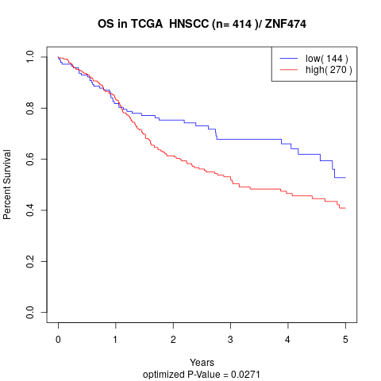

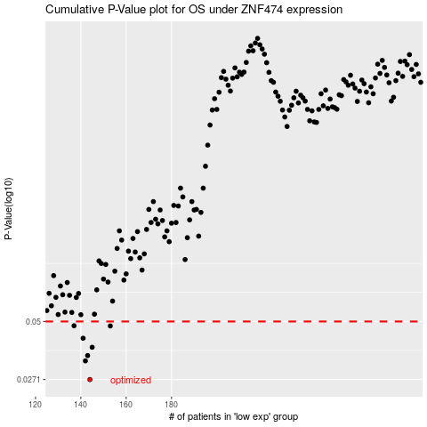

 |  |  |  |  |  | cases_OS | p_OS | rank | exp
 |  |  |  |  |  | 144 | 0.0271 | 61 | -0.29723207487
 |  |  |  |  |  | 142 | 0.033 | 280 | -0.30005864038
 |  |  |  |  |  | 143 | 0.0349 | 106 | -0.29769551471
 |  |  |  |  |  | 145 | 0.0381 | 413 | -0.29680760295
 |  |  |  |  |  | 141 | 0.0419 | 242 | -0.30016580214
 |  |  |  |  |  | 153 | 0.0477 | 339 | -0.28874681152
 |  |  |  |  |  | 137 | 0.0478 | 66 | -0.30228120321
 |  |  |  |  |  |  | cases_RFS | p_RFS | rank | exp
 |  |  |  |  |  |  | 143 | 0.0271 | 106 | -0.29769551471
 |  |  |  |  |  |  | 141 | 0.033 | 242 | -0.30016580214
 |  |  |  |  |  |  | 142 | 0.0349 | 280 | -0.30005864038
 |  |  |  |  |  |  | 144 | 0.0381 | 61 | -0.29723207487
 |  |  |  |  |  |  | 140 | 0.0419 | 50 | -0.30077815508
 |  |  |  |  |  |  | 152 | 0.0477 | 230 | -0.2894885936
 |  |  |  |  |  |  | 136 | 0.0478 | 96 | -0.30236053075

