ZNF48 _multivariate
Reported by Tex Li-Hsing Chi. tex@gate.sinica.edu.tw 2019-08-14

Table 2. The clinicopathological features of HNSCC cohort and ZNF48 expression. (Chi square test)
Cutoff at -0.452 (41.1%)
 |  | ZNF48 expression |  | ZNF48 expression |  | (Optimised)
 | Features | Low | (%) | High | (%) | Case no | P-value | Remark | Matthews
Gender | Female | 108 | 26 | 198 | 47.7 | 415 | 1e-04 | 1 | 0
2 | Male | 63 | 15.2 | 46 | 11.1
Age at diagnosis | <=65y | 112 | 27 | 162 | 39 | 415 | 0.9327 | 0 | 0
4 | >65y | 59 | 14.2 | 82 | 19.8
Clinical T Status | T1+T2 | 64 | 15.4 | 85 | 20.5 | 415 | 0.6617 | 0 | 0
6 | T3+T4 | 107 | 25.8 | 159 | 38.3
Clinical N Status | N0 | 94 | 22.7 | 122 | 29.4 | 415 | 0.3693 | 0 | 0
8 | N1-3 | 77 | 18.6 | 122 | 29.4
Clinical M Status | M0 | 169 | 40.7 | 243 | 58.6 | 415 | 0.5713 | 0 | 0
10 | M1 | 2 | 0.5 | 1 | 0.2
Clinical Stage | Stage I+II | 48 | 11.6 | 54 | 13 | 415 | 0.205 | 0 | 0
12 | Stage III+IV | 123 | 29.6 | 190 | 45.8
Surgical Margin status | Negative | 129 | 31.1 | 189 | 45.5 | 415 | 0.6392 | 0 | 0
14 | Positive | 42 | 10.1 | 55 | 13.3
Tobacco Exposure | Low | 78 | 18.8 | 83 | 20 | 415 | 0.0188 | 1 | 0
16 | High | 93 | 22.4 | 161 | 38.8

Table 3. Univariate/Multivariate Cox's proportional hazards regression analyses on OS time of ZNF48 gene expression in HNSCC

 |  | Univariate |  |  |  | Multivariate
 | Features | HR | CI95%(L) | CI95%(H) | P-value | HR | CI95%(L) | CI95%(H) | P-value
1 | Female | 1 |  |  |  | 1
Gender | Male | 1.157 | 0.843 | 1.587 | 0.367 | 1.118 | 0.794 | 1.573 | 0.523
11 | <=65y | 1 |  |  |  | 1
Age at diagnosis | >65y | 1.329 | 0.99 | 1.784 | 0.058 | 1.396 | 1.027 | 1.898 | 0.033
12 | T1+T2 | 1 |  |  |  | 1
Clinical T Status | T3+T4 | 1.409 | 1.028 | 1.931 | 0.033 | 2.129 | 1.125 | 4.03 | 0.02
13 | N0 | 1 |  |  |  | 1
Clinical N Status | N1-3 | 1.185 | 0.89 | 1.577 | 0.246 | 1.25 | 0.877 | 1.783 | 0.217
14 | M0 | 1 |  |  |  | 1
Clinical M Status | M1 | 4.097 | 1.009 | 16.644 | 0.049 | 8.368 | 1.818 | 38.516 | 0.006
15 | Stage I+II | 1 |  |  |  | 1
Clinical Stage | Stage III+IV | 1.245 | 0.882 | 1.759 | 0.213 | 0.529 | 0.246 | 1.136 | 0.102
16 | Negative | 1 |  |  |  | 1
Surgical Margin status | Positive | 1.591 | 1.155 | 2.191 | 0.004 | 1.647 | 1.192 | 2.278 | 0.003
17 | Low | 1 |  |  |  | 1
Tobacco Exposure | High | 1.364 | 1.008 | 1.844 | 0.044 | 1.532 | 1.105 | 2.123 | 0.01
18 | Low | 1 |  |  |  | 1
RNAseq(z-score) | High | 0.741 | 0.555 | 0.99 | 0.043 | 0.719 | 0.529 | 0.975 | 0.034

Table 4. Univariate/Multivariate Cox's proportional hazards regression analyses on RFS time of ZNF48 gene expression in HNSCC

 |  | Univariate |  |  |  | Multivariate
 | Features | HR | CI95%(L) | CI95%(H) | P-value | HR | CI95%(L) | CI95%(H) | P-value
1 | Female | 1 |  |  |  | 1
Gender | Male | 1.157 | 0.843 | 1.587 | 0.367 | 1.118 | 0.794 | 1.573 | 0.523
11 | <=65y | 1 |  |  |  | 1
Age at diagnosis | >65y | 1.329 | 0.99 | 1.784 | 0.058 | 1.396 | 1.027 | 1.898 | 0.033
12 | T1+T2 | 1 |  |  |  | 1
Clinical T Status | T3+T4 | 1.409 | 1.028 | 1.931 | 0.033 | 2.129 | 1.125 | 4.03 | 0.02
13 | N0 | 1 |  |  |  | 1
Clinical N Status | N1-3 | 1.185 | 0.89 | 1.577 | 0.246 | 1.25 | 0.877 | 1.783 | 0.217
14 | M0 | 1 |  |  |  | 1
Clinical M Status | M1 | 4.097 | 1.009 | 16.644 | 0.049 | 8.368 | 1.818 | 38.516 | 0.006
15 | Stage I+II | 1 |  |  |  | 1
Clinical Stage | Stage III+IV | 1.245 | 0.882 | 1.759 | 0.213 | 0.529 | 0.246 | 1.136 | 0.102
16 | Negative | 1 |  |  |  | 1
Surgical Margin status | Positive | 1.591 | 1.155 | 2.191 | 0.004 | 1.647 | 1.192 | 2.278 | 0.003
17 | Low | 1 |  |  |  | 1
Tobacco Exposure | High | 1.364 | 1.008 | 1.844 | 0.044 | 1.532 | 1.105 | 2.123 | 0.01
18 | Low | 1 |  |  |  | 1
RNAseq(z-score) | High | 0.741 | 0.555 | 0.99 | 0.043 | 0.719 | 0.529 | 0.975 | 0.034

Kaplan-Meier survival estimate: Cutoff at -0.452 (41.1%)



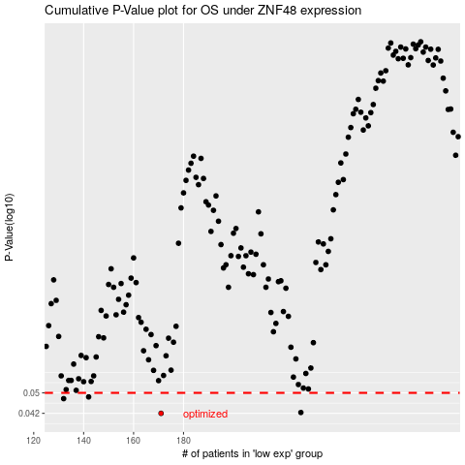

 |  |  |  |  |  | cases_OS | p_OS | rank | exp
 |  |  |  |  |  | 171 | 0.042 | 120 | -0.45172751087
 |  |  |  |  |  | 227 | 0.0423 | 59 | -0.22012271107
 |  |  |  |  |  | 132 | 0.0476 | 98 | -0.64242565492
 |  |  |  |  |  | 142 | 0.0483 | 353 | -0.57394568015
 |  |  |  |  |  |  | cases_RFS | p_RFS | rank | exp
 |  |  |  |  |  |  | 170 | 0.042 | 227 | -0.45198107333
 |  |  |  |  |  |  | 226 | 0.0423 | 163 | -0.22829104448
 |  |  |  |  |  |  | 131 | 0.0476 | 4 | -0.64461715901
 |  |  |  |  |  |  | 141 | 0.0483 | 285 | -0.58470184215

