ZNF480 _multivariate
Reported by Tex Li-Hsing Chi. tex@gate.sinica.edu.tw 2019-08-14

Table 2. The clinicopathological features of HNSCC cohort and ZNF480 expression. (Chi square test)
Cutoff at -0.229 (49.8%)
 |  | ZNF480 expression |  | ZNF480 expression |  | (Optimised)
 | Features | Low | (%) | High | (%) | Case no | P-value | Remark | Matthews
Gender | Female | 146 | 35.2 | 160 | 38.6 | 415 | 0.1714 | 0 | 0
2 | Male | 61 | 14.7 | 48 | 11.6
Age at diagnosis | <=65y | 130 | 31.3 | 144 | 34.7 | 415 | 0.2009 | 0 | 0
4 | >65y | 77 | 18.6 | 64 | 15.4
Clinical T Status | T1+T2 | 68 | 16.4 | 81 | 19.5 | 415 | 0.2336 | 0 | 0
6 | T3+T4 | 139 | 33.5 | 127 | 30.6
Clinical N Status | N0 | 104 | 25.1 | 112 | 27 | 415 | 0.5243 | 0 | 0
8 | N1-3 | 103 | 24.8 | 96 | 23.1
Clinical M Status | M0 | 207 | 49.9 | 205 | 49.4 | 415 | 0.2482 | 0 | 0
10 | M1 | 0 | 0 | 3 | 0.7
Clinical Stage | Stage I+II | 50 | 12 | 52 | 12.5 | 415 | 0.9315 | 0 | 0
12 | Stage III+IV | 157 | 37.8 | 156 | 37.6
Surgical Margin status | Negative | 164 | 39.5 | 154 | 37.1 | 415 | 0.2462 | 0 | 0
14 | Positive | 43 | 10.4 | 54 | 13
Tobacco Exposure | Low | 78 | 18.8 | 83 | 20 | 415 | 0.6873 | 0 | 0
16 | High | 129 | 31.1 | 125 | 30.1

Table 3. Univariate/Multivariate Cox's proportional hazards regression analyses on OS time of ZNF480 gene expression in HNSCC

 |  | Univariate |  |  |  | Multivariate
 | Features | HR | CI95%(L) | CI95%(H) | P-value | HR | CI95%(L) | CI95%(H) | P-value
1 | Female | 1 |  |  |  | 1
Gender | Male | 1.157 | 0.843 | 1.587 | 0.367 | 1.193 | 0.854 | 1.666 | 0.302
11 | <=65y | 1 |  |  |  | 1
Age at diagnosis | >65y | 1.329 | 0.99 | 1.784 | 0.058 | 1.368 | 1.004 | 1.865 | 0.047
12 | T1+T2 | 1 |  |  |  | 1
Clinical T Status | T3+T4 | 1.409 | 1.028 | 1.931 | 0.033 | 2.162 | 1.141 | 4.095 | 0.018
13 | N0 | 1 |  |  |  | 1
Clinical N Status | N1-3 | 1.185 | 0.89 | 1.577 | 0.246 | 1.235 | 0.865 | 1.763 | 0.245
14 | M0 | 1 |  |  |  | 1
Clinical M Status | M1 | 4.097 | 1.009 | 16.644 | 0.049 | 9.923 | 2.154 | 45.711 | 0.003
15 | Stage I+II | 1 |  |  |  | 1
Clinical Stage | Stage III+IV | 1.245 | 0.882 | 1.759 | 0.213 | 0.509 | 0.237 | 1.094 | 0.084
16 | Negative | 1 |  |  |  | 1
Surgical Margin status | Positive | 1.591 | 1.155 | 2.191 | 0.004 | 1.706 | 1.231 | 2.365 | 0.001
17 | Low | 1 |  |  |  | 1
Tobacco Exposure | High | 1.364 | 1.008 | 1.844 | 0.044 | 1.437 | 1.043 | 1.982 | 0.027
18 | Low | 1 |  |  |  | 1
RNAseq(z-score) | High | 0.846 | 0.635 | 1.127 | 0.252 | 0.872 | 0.649 | 1.172 | 0.365

Table 4. Univariate/Multivariate Cox's proportional hazards regression analyses on RFS time of ZNF480 gene expression in HNSCC

 |  | Univariate |  |  |  | Multivariate
 | Features | HR | CI95%(L) | CI95%(H) | P-value | HR | CI95%(L) | CI95%(H) | P-value
1 | Female | 1 |  |  |  | 1
Gender | Male | 1.157 | 0.843 | 1.587 | 0.367 | 1.193 | 0.854 | 1.666 | 0.302
11 | <=65y | 1 |  |  |  | 1
Age at diagnosis | >65y | 1.329 | 0.99 | 1.784 | 0.058 | 1.368 | 1.004 | 1.865 | 0.047
12 | T1+T2 | 1 |  |  |  | 1
Clinical T Status | T3+T4 | 1.409 | 1.028 | 1.931 | 0.033 | 2.162 | 1.141 | 4.095 | 0.018
13 | N0 | 1 |  |  |  | 1
Clinical N Status | N1-3 | 1.185 | 0.89 | 1.577 | 0.246 | 1.235 | 0.865 | 1.763 | 0.245
14 | M0 | 1 |  |  |  | 1
Clinical M Status | M1 | 4.097 | 1.009 | 16.644 | 0.049 | 9.923 | 2.154 | 45.711 | 0.003
15 | Stage I+II | 1 |  |  |  | 1
Clinical Stage | Stage III+IV | 1.245 | 0.882 | 1.759 | 0.213 | 0.509 | 0.237 | 1.094 | 0.084
16 | Negative | 1 |  |  |  | 1
Surgical Margin status | Positive | 1.591 | 1.155 | 2.191 | 0.004 | 1.706 | 1.231 | 2.365 | 0.001
17 | Low | 1 |  |  |  | 1
Tobacco Exposure | High | 1.364 | 1.008 | 1.844 | 0.044 | 1.437 | 1.043 | 1.982 | 0.027
18 | Low | 1 |  |  |  | 1
RNAseq(z-score) | High | 0.846 | 0.635 | 1.127 | 0.252 | 0.872 | 0.649 | 1.172 | 0.365

Kaplan-Meier survival estimate: Cutoff at -0.229 (49.8%)



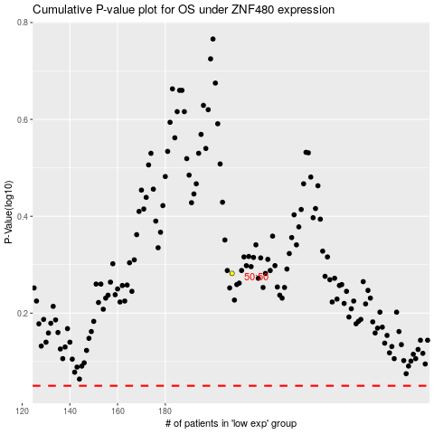

 |  |  |  |  |  | cases_OS | p_OS | rank | exp
 |  |  |  |  |  |  | cases_RFS | p_RFS | rank | exp

