ZNF487 _multivariate
Reported by Tex Li-Hsing Chi. tex@gate.sinica.edu.tw 2019-08-14

Table 2. The clinicopathological features of HNSCC cohort and ZNF487 expression. (Chi square test)
Cutoff at -0.199 (50.0%)
 |  | ZNF487 expression |  | ZNF487 expression |  | (Optimised)
 | Features | Low | (%) | High | (%) | Case no | P-value | Remark | Matthews
Gender | Female | 147 | 35.4 | 159 | 38.3 | 415 | 0.2523 | 0 | 0
2 | Male | 60 | 14.5 | 49 | 11.8
Age at diagnosis | <=65y | 143 | 34.5 | 131 | 31.6 | 415 | 0.2269 | 0 | 0
4 | >65y | 64 | 15.4 | 77 | 18.6
Clinical T Status | T1+T2 | 71 | 17.1 | 78 | 18.8 | 415 | 0.5638 | 0 | 0
6 | T3+T4 | 136 | 32.8 | 130 | 31.3
Clinical N Status | N0 | 111 | 26.7 | 105 | 25.3 | 415 | 0.5875 | 0 | 0
8 | N1-3 | 96 | 23.1 | 103 | 24.8
Clinical M Status | M0 | 205 | 49.4 | 207 | 49.9 | 415 | 0.6232 | 0 | 0
10 | M1 | 2 | 0.5 | 1 | 0.2
Clinical Stage | Stage I+II | 48 | 11.6 | 54 | 13 | 415 | 0.5878 | 0 | 0
12 | Stage III+IV | 159 | 38.3 | 154 | 37.1
Surgical Margin status | Negative | 156 | 37.6 | 162 | 39 | 415 | 0.5636 | 0 | 0
14 | Positive | 51 | 12.3 | 46 | 11.1
Tobacco Exposure | Low | 77 | 18.6 | 84 | 20.2 | 415 | 0.5459 | 0 | 0
16 | High | 130 | 31.3 | 124 | 29.9

Table 3. Univariate/Multivariate Cox's proportional hazards regression analyses on OS time of ZNF487 gene expression in HNSCC

 |  | Univariate |  |  |  | Multivariate
 | Features | HR | CI95%(L) | CI95%(H) | P-value | HR | CI95%(L) | CI95%(H) | P-value
1 | Female | 1 |  |  |  | 1
Gender | Male | 1.157 | 0.843 | 1.587 | 0.367 | 1.201 | 0.859 | 1.678 | 0.284
11 | <=65y | 1 |  |  |  | 1
Age at diagnosis | >65y | 1.329 | 0.99 | 1.784 | 0.058 | 1.392 | 1.024 | 1.892 | 0.035
12 | T1+T2 | 1 |  |  |  | 1
Clinical T Status | T3+T4 | 1.409 | 1.028 | 1.931 | 0.033 | 2.202 | 1.165 | 4.164 | 0.015
13 | N0 | 1 |  |  |  | 1
Clinical N Status | N1-3 | 1.185 | 0.89 | 1.577 | 0.246 | 1.242 | 0.87 | 1.773 | 0.233
14 | M0 | 1 |  |  |  | 1
Clinical M Status | M1 | 4.097 | 1.009 | 16.644 | 0.049 | 9.367 | 2.037 | 43.087 | 0.004
15 | Stage I+II | 1 |  |  |  | 1
Clinical Stage | Stage III+IV | 1.245 | 0.882 | 1.759 | 0.213 | 0.504 | 0.235 | 1.082 | 0.079
16 | Negative | 1 |  |  |  | 1
Surgical Margin status | Positive | 1.591 | 1.155 | 2.191 | 0.004 | 1.672 | 1.21 | 2.31 | 0.002
17 | Low | 1 |  |  |  | 1
Tobacco Exposure | High | 1.364 | 1.008 | 1.844 | 0.044 | 1.452 | 1.054 | 2.001 | 0.023
18 | Low | 1 |  |  |  | 1
RNAseq(z-score) | High | 0.958 | 0.719 | 1.276 | 0.768 | 0.988 | 0.741 | 1.319 | 0.936

Table 4. Univariate/Multivariate Cox's proportional hazards regression analyses on RFS time of ZNF487 gene expression in HNSCC

 |  | Univariate |  |  |  | Multivariate
 | Features | HR | CI95%(L) | CI95%(H) | P-value | HR | CI95%(L) | CI95%(H) | P-value
1 | Female | 1 |  |  |  | 1
Gender | Male | 1.157 | 0.843 | 1.587 | 0.367 | 1.201 | 0.859 | 1.678 | 0.284
11 | <=65y | 1 |  |  |  | 1
Age at diagnosis | >65y | 1.329 | 0.99 | 1.784 | 0.058 | 1.392 | 1.024 | 1.892 | 0.035
12 | T1+T2 | 1 |  |  |  | 1
Clinical T Status | T3+T4 | 1.409 | 1.028 | 1.931 | 0.033 | 2.202 | 1.165 | 4.164 | 0.015
13 | N0 | 1 |  |  |  | 1
Clinical N Status | N1-3 | 1.185 | 0.89 | 1.577 | 0.246 | 1.242 | 0.87 | 1.773 | 0.233
14 | M0 | 1 |  |  |  | 1
Clinical M Status | M1 | 4.097 | 1.009 | 16.644 | 0.049 | 9.367 | 2.037 | 43.087 | 0.004
15 | Stage I+II | 1 |  |  |  | 1
Clinical Stage | Stage III+IV | 1.245 | 0.882 | 1.759 | 0.213 | 0.504 | 0.235 | 1.082 | 0.079
16 | Negative | 1 |  |  |  | 1
Surgical Margin status | Positive | 1.591 | 1.155 | 2.191 | 0.004 | 1.672 | 1.21 | 2.31 | 0.002
17 | Low | 1 |  |  |  | 1
Tobacco Exposure | High | 1.364 | 1.008 | 1.844 | 0.044 | 1.452 | 1.054 | 2.001 | 0.023
18 | Low | 1 |  |  |  | 1
RNAseq(z-score) | High | 0.958 | 0.719 | 1.276 | 0.768 | 0.988 | 0.741 | 1.319 | 0.936

Kaplan-Meier survival estimate: Cutoff at -0.199 (50.0%)



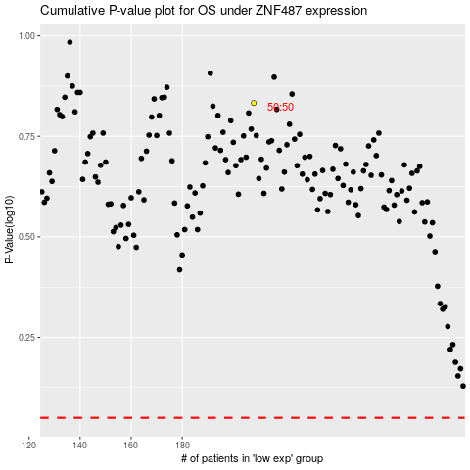

 |  |  |  |  |  | cases_OS | p_OS | rank | exp
 |  |  |  |  |  |  | cases_RFS | p_RFS | rank | exp

