ZNF488 _multivariate
Reported by Tex Li-Hsing Chi. tex@gate.sinica.edu.tw 2019-08-14

Table 2. The clinicopathological features of HNSCC cohort and ZNF488 expression. (Chi square test)
Cutoff at -0.291 (49.8%)
 |  | ZNF488 expression |  | ZNF488 expression |  | (Optimised)
 | Features | Low | (%) | High | (%) | Case no | P-value | Remark | Matthews
Gender | Female | 142 | 34.2 | 164 | 39.5 | 415 | 0.0238 | 1 | 0
2 | Male | 65 | 15.7 | 44 | 10.6
Age at diagnosis | <=65y | 131 | 31.6 | 143 | 34.5 | 415 | 0.2839 | 0 | 0
4 | >65y | 76 | 18.3 | 65 | 15.7
Clinical T Status | T1+T2 | 66 | 15.9 | 83 | 20 | 415 | 0.1095 | 0 | 0
6 | T3+T4 | 141 | 34 | 125 | 30.1
Clinical N Status | N0 | 110 | 26.5 | 106 | 25.5 | 415 | 0.7294 | 0 | 0
8 | N1-3 | 97 | 23.4 | 102 | 24.6
Clinical M Status | M0 | 206 | 49.6 | 206 | 49.6 | 415 | 1 | 0 | 0
10 | M1 | 1 | 0.2 | 2 | 0.5
Clinical Stage | Stage I+II | 47 | 11.3 | 55 | 13.3 | 415 | 0.4413 | 0 | 0
12 | Stage III+IV | 160 | 38.6 | 153 | 36.9
Surgical Margin status | Negative | 159 | 38.3 | 159 | 38.3 | 415 | 1 | 0 | 0
14 | Positive | 48 | 11.6 | 49 | 11.8
Tobacco Exposure | Low | 88 | 21.2 | 73 | 17.6 | 415 | 0.1314 | 0 | 0
16 | High | 119 | 28.7 | 135 | 32.5

Table 3. Univariate/Multivariate Cox's proportional hazards regression analyses on OS time of ZNF488 gene expression in HNSCC

 |  | Univariate |  |  |  | Multivariate
 | Features | HR | CI95%(L) | CI95%(H) | P-value | HR | CI95%(L) | CI95%(H) | P-value
1 | Female | 1 |  |  |  | 1
Gender | Male | 1.157 | 0.843 | 1.587 | 0.367 | 1.201 | 0.857 | 1.683 | 0.288
11 | <=65y | 1 |  |  |  | 1
Age at diagnosis | >65y | 1.329 | 0.99 | 1.784 | 0.058 | 1.392 | 1.024 | 1.892 | 0.035
12 | T1+T2 | 1 |  |  |  | 1
Clinical T Status | T3+T4 | 1.409 | 1.028 | 1.931 | 0.033 | 2.201 | 1.163 | 4.166 | 0.015
13 | N0 | 1 |  |  |  | 1
Clinical N Status | N1-3 | 1.185 | 0.89 | 1.577 | 0.246 | 1.241 | 0.869 | 1.773 | 0.235
14 | M0 | 1 |  |  |  | 1
Clinical M Status | M1 | 4.097 | 1.009 | 16.644 | 0.049 | 9.404 | 2.051 | 43.111 | 0.004
15 | Stage I+II | 1 |  |  |  | 1
Clinical Stage | Stage III+IV | 1.245 | 0.882 | 1.759 | 0.213 | 0.505 | 0.235 | 1.083 | 0.079
16 | Negative | 1 |  |  |  | 1
Surgical Margin status | Positive | 1.591 | 1.155 | 2.191 | 0.004 | 1.672 | 1.209 | 2.313 | 0.002
17 | Low | 1 |  |  |  | 1
Tobacco Exposure | High | 1.364 | 1.008 | 1.844 | 0.044 | 1.454 | 1.054 | 2.005 | 0.023
18 | Low | 1 |  |  |  | 1
RNAseq(z-score) | High | 1.007 | 0.755 | 1.343 | 0.963 | 0.996 | 0.741 | 1.338 | 0.977

Table 4. Univariate/Multivariate Cox's proportional hazards regression analyses on RFS time of ZNF488 gene expression in HNSCC

 |  | Univariate |  |  |  | Multivariate
 | Features | HR | CI95%(L) | CI95%(H) | P-value | HR | CI95%(L) | CI95%(H) | P-value
1 | Female | 1 |  |  |  | 1
Gender | Male | 1.157 | 0.843 | 1.587 | 0.367 | 1.201 | 0.857 | 1.683 | 0.288
11 | <=65y | 1 |  |  |  | 1
Age at diagnosis | >65y | 1.329 | 0.99 | 1.784 | 0.058 | 1.392 | 1.024 | 1.892 | 0.035
12 | T1+T2 | 1 |  |  |  | 1
Clinical T Status | T3+T4 | 1.409 | 1.028 | 1.931 | 0.033 | 2.201 | 1.163 | 4.166 | 0.015
13 | N0 | 1 |  |  |  | 1
Clinical N Status | N1-3 | 1.185 | 0.89 | 1.577 | 0.246 | 1.241 | 0.869 | 1.773 | 0.235
14 | M0 | 1 |  |  |  | 1
Clinical M Status | M1 | 4.097 | 1.009 | 16.644 | 0.049 | 9.404 | 2.051 | 43.111 | 0.004
15 | Stage I+II | 1 |  |  |  | 1
Clinical Stage | Stage III+IV | 1.245 | 0.882 | 1.759 | 0.213 | 0.505 | 0.235 | 1.083 | 0.079
16 | Negative | 1 |  |  |  | 1
Surgical Margin status | Positive | 1.591 | 1.155 | 2.191 | 0.004 | 1.672 | 1.209 | 2.313 | 0.002
17 | Low | 1 |  |  |  | 1
Tobacco Exposure | High | 1.364 | 1.008 | 1.844 | 0.044 | 1.454 | 1.054 | 2.005 | 0.023
18 | Low | 1 |  |  |  | 1
RNAseq(z-score) | High | 1.007 | 0.755 | 1.343 | 0.963 | 0.996 | 0.741 | 1.338 | 0.977

Kaplan-Meier survival estimate: Cutoff at -0.291 (49.8%)



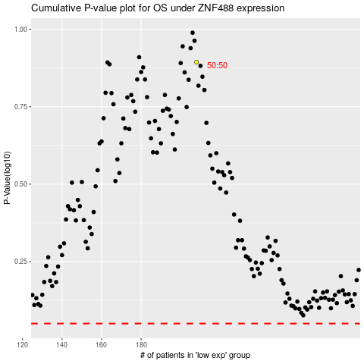

 |  |  |  |  |  | cases_OS | p_OS | rank | exp
 |  |  |  |  |  |  | cases_RFS | p_RFS | rank | exp

