ZNF492 _multivariate
Reported by Tex Li-Hsing Chi. tex@gate.sinica.edu.tw 2019-08-14

Table 2. The clinicopathological features of HNSCC cohort and ZNF492 expression. (Chi square test)
Cutoff at -0.273 (49.8%)
 |  | ZNF492 expression |  | ZNF492 expression |  | (Optimised)
 | Features | Low | (%) | High | (%) | Case no | P-value | Remark | Matthews
Gender | Female | 161 | 38.8 | 145 | 34.9 | 415 | 0.0792 | 0 | 0
2 | Male | 46 | 11.1 | 63 | 15.2
Age at diagnosis | <=65y | 140 | 33.7 | 134 | 32.3 | 415 | 0.5574 | 0 | 0
4 | >65y | 67 | 16.1 | 74 | 17.8
Clinical T Status | T1+T2 | 64 | 15.4 | 85 | 20.5 | 415 | 0.0445 | 1 | 0
6 | T3+T4 | 143 | 34.5 | 123 | 29.6
Clinical N Status | N0 | 110 | 26.5 | 106 | 25.5 | 415 | 0.7294 | 0 | 0
8 | N1-3 | 97 | 23.4 | 102 | 24.6
Clinical M Status | M0 | 204 | 49.2 | 208 | 50.1 | 415 | 0.1232 | 0 | 0
10 | M1 | 3 | 0.7 | 0 | 0
Clinical Stage | Stage I+II | 42 | 10.1 | 60 | 14.5 | 415 | 0.0561 | 0 | 0
12 | Stage III+IV | 165 | 39.8 | 148 | 35.7
Surgical Margin status | Negative | 159 | 38.3 | 159 | 38.3 | 415 | 1 | 0 | 0
14 | Positive | 48 | 11.6 | 49 | 11.8
Tobacco Exposure | Low | 83 | 20 | 78 | 18.8 | 415 | 0.6152 | 0 | 0
16 | High | 124 | 29.9 | 130 | 31.3

Table 3. Univariate/Multivariate Cox's proportional hazards regression analyses on OS time of ZNF492 gene expression in HNSCC

 |  | Univariate |  |  |  | Multivariate
 | Features | HR | CI95%(L) | CI95%(H) | P-value | HR | CI95%(L) | CI95%(H) | P-value
1 | Female | 1 |  |  |  | 1
Gender | Male | 1.157 | 0.843 | 1.587 | 0.367 | 1.219 | 0.87 | 1.708 | 0.25
11 | <=65y | 1 |  |  |  | 1
Age at diagnosis | >65y | 1.329 | 0.99 | 1.784 | 0.058 | 1.388 | 1.021 | 1.887 | 0.037
12 | T1+T2 | 1 |  |  |  | 1
Clinical T Status | T3+T4 | 1.409 | 1.028 | 1.931 | 0.033 | 2.185 | 1.155 | 4.132 | 0.016
13 | N0 | 1 |  |  |  | 1
Clinical N Status | N1-3 | 1.185 | 0.89 | 1.577 | 0.246 | 1.256 | 0.879 | 1.794 | 0.211
14 | M0 | 1 |  |  |  | 1
Clinical M Status | M1 | 4.097 | 1.009 | 16.644 | 0.049 | 8.807 | 1.907 | 40.672 | 0.005
15 | Stage I+II | 1 |  |  |  | 1
Clinical Stage | Stage III+IV | 1.245 | 0.882 | 1.759 | 0.213 | 0.495 | 0.231 | 1.065 | 0.072
16 | Negative | 1 |  |  |  | 1
Surgical Margin status | Positive | 1.591 | 1.155 | 2.191 | 0.004 | 1.664 | 1.204 | 2.299 | 0.002
17 | Low | 1 |  |  |  | 1
Tobacco Exposure | High | 1.364 | 1.008 | 1.844 | 0.044 | 1.463 | 1.06 | 2.018 | 0.021
18 | Low | 1 |  |  |  | 1
RNAseq(z-score) | High | 0.862 | 0.647 | 1.148 | 0.31 | 0.883 | 0.658 | 1.184 | 0.406

Table 4. Univariate/Multivariate Cox's proportional hazards regression analyses on RFS time of ZNF492 gene expression in HNSCC

 |  | Univariate |  |  |  | Multivariate
 | Features | HR | CI95%(L) | CI95%(H) | P-value | HR | CI95%(L) | CI95%(H) | P-value
1 | Female | 1 |  |  |  | 1
Gender | Male | 1.157 | 0.843 | 1.587 | 0.367 | 1.219 | 0.87 | 1.708 | 0.25
11 | <=65y | 1 |  |  |  | 1
Age at diagnosis | >65y | 1.329 | 0.99 | 1.784 | 0.058 | 1.388 | 1.021 | 1.887 | 0.037
12 | T1+T2 | 1 |  |  |  | 1
Clinical T Status | T3+T4 | 1.409 | 1.028 | 1.931 | 0.033 | 2.185 | 1.155 | 4.132 | 0.016
13 | N0 | 1 |  |  |  | 1
Clinical N Status | N1-3 | 1.185 | 0.89 | 1.577 | 0.246 | 1.256 | 0.879 | 1.794 | 0.211
14 | M0 | 1 |  |  |  | 1
Clinical M Status | M1 | 4.097 | 1.009 | 16.644 | 0.049 | 8.807 | 1.907 | 40.672 | 0.005
15 | Stage I+II | 1 |  |  |  | 1
Clinical Stage | Stage III+IV | 1.245 | 0.882 | 1.759 | 0.213 | 0.495 | 0.231 | 1.065 | 0.072
16 | Negative | 1 |  |  |  | 1
Surgical Margin status | Positive | 1.591 | 1.155 | 2.191 | 0.004 | 1.664 | 1.204 | 2.299 | 0.002
17 | Low | 1 |  |  |  | 1
Tobacco Exposure | High | 1.364 | 1.008 | 1.844 | 0.044 | 1.463 | 1.06 | 2.018 | 0.021
18 | Low | 1 |  |  |  | 1
RNAseq(z-score) | High | 0.862 | 0.647 | 1.148 | 0.31 | 0.883 | 0.658 | 1.184 | 0.406

Kaplan-Meier survival estimate: Cutoff at -0.273 (49.8%)



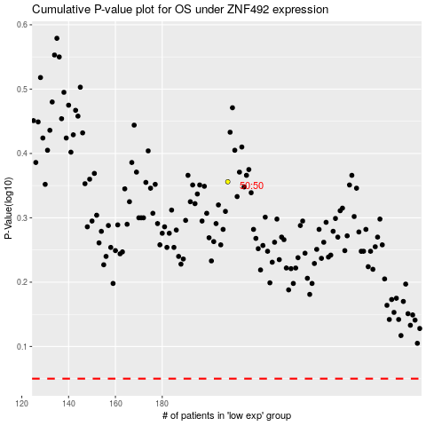

 |  |  |  |  |  | cases_OS | p_OS | rank | exp
 |  |  |  |  |  |  | cases_RFS | p_RFS | rank | exp

