ZNF496 _multivariate
Reported by Tex Li-Hsing Chi. tex@gate.sinica.edu.tw 2019-08-14

Table 2. The clinicopathological features of HNSCC cohort and ZNF496 expression. (Chi square test)
Cutoff at -0.119 (49.8%)
 |  | ZNF496 expression |  | ZNF496 expression |  | (Optimised)
 | Features | Low | (%) | High | (%) | Case no | P-value | Remark | Matthews
Gender | Female | 146 | 35.2 | 160 | 38.6 | 415 | 0.1714 | 0 | 0
2 | Male | 61 | 14.7 | 48 | 11.6
Age at diagnosis | <=65y | 139 | 33.5 | 135 | 32.5 | 415 | 0.7044 | 0 | 0
4 | >65y | 68 | 16.4 | 73 | 17.6
Clinical T Status | T1+T2 | 79 | 19 | 70 | 16.9 | 415 | 0.3924 | 0 | 0
6 | T3+T4 | 128 | 30.8 | 138 | 33.3
Clinical N Status | N0 | 111 | 26.7 | 105 | 25.3 | 415 | 0.5875 | 0 | 0
8 | N1-3 | 96 | 23.1 | 103 | 24.8
Clinical M Status | M0 | 204 | 49.2 | 208 | 50.1 | 415 | 0.1232 | 0 | 0
10 | M1 | 3 | 0.7 | 0 | 0
Clinical Stage | Stage I+II | 55 | 13.3 | 47 | 11.3 | 415 | 0.4087 | 0 | 0
12 | Stage III+IV | 152 | 36.6 | 161 | 38.8
Surgical Margin status | Negative | 154 | 37.1 | 164 | 39.5 | 415 | 0.2984 | 0 | 0
14 | Positive | 53 | 12.8 | 44 | 10.6
Tobacco Exposure | Low | 91 | 21.9 | 70 | 16.9 | 415 | 0.0346 | 1 | 0
16 | High | 116 | 28 | 138 | 33.3

Table 3. Univariate/Multivariate Cox's proportional hazards regression analyses on OS time of ZNF496 gene expression in HNSCC

 |  | Univariate |  |  |  | Multivariate
 | Features | HR | CI95%(L) | CI95%(H) | P-value | HR | CI95%(L) | CI95%(H) | P-value
1 | Female | 1 |  |  |  | 1
Gender | Male | 1.157 | 0.843 | 1.587 | 0.367 | 1.182 | 0.845 | 1.654 | 0.33
11 | <=65y | 1 |  |  |  | 1
Age at diagnosis | >65y | 1.329 | 0.99 | 1.784 | 0.058 | 1.399 | 1.029 | 1.901 | 0.032
12 | T1+T2 | 1 |  |  |  | 1
Clinical T Status | T3+T4 | 1.409 | 1.028 | 1.931 | 0.033 | 2.199 | 1.163 | 4.158 | 0.015
13 | N0 | 1 |  |  |  | 1
Clinical N Status | N1-3 | 1.185 | 0.89 | 1.577 | 0.246 | 1.256 | 0.88 | 1.792 | 0.209
14 | M0 | 1 |  |  |  | 1
Clinical M Status | M1 | 4.097 | 1.009 | 16.644 | 0.049 | 8.489 | 1.836 | 39.248 | 0.006
15 | Stage I+II | 1 |  |  |  | 1
Clinical Stage | Stage III+IV | 1.245 | 0.882 | 1.759 | 0.213 | 0.512 | 0.238 | 1.098 | 0.086
16 | Negative | 1 |  |  |  | 1
Surgical Margin status | Positive | 1.591 | 1.155 | 2.191 | 0.004 | 1.632 | 1.178 | 2.26 | 0.003
17 | Low | 1 |  |  |  | 1
Tobacco Exposure | High | 1.364 | 1.008 | 1.844 | 0.044 | 1.467 | 1.063 | 2.024 | 0.02
18 | Low | 1 |  |  |  | 1
RNAseq(z-score) | High | 0.829 | 0.62 | 1.107 | 0.203 | 0.837 | 0.622 | 1.127 | 0.241

Table 4. Univariate/Multivariate Cox's proportional hazards regression analyses on RFS time of ZNF496 gene expression in HNSCC

 |  | Univariate |  |  |  | Multivariate
 | Features | HR | CI95%(L) | CI95%(H) | P-value | HR | CI95%(L) | CI95%(H) | P-value
1 | Female | 1 |  |  |  | 1
Gender | Male | 1.157 | 0.843 | 1.587 | 0.367 | 1.182 | 0.845 | 1.654 | 0.33
11 | <=65y | 1 |  |  |  | 1
Age at diagnosis | >65y | 1.329 | 0.99 | 1.784 | 0.058 | 1.399 | 1.029 | 1.901 | 0.032
12 | T1+T2 | 1 |  |  |  | 1
Clinical T Status | T3+T4 | 1.409 | 1.028 | 1.931 | 0.033 | 2.199 | 1.163 | 4.158 | 0.015
13 | N0 | 1 |  |  |  | 1
Clinical N Status | N1-3 | 1.185 | 0.89 | 1.577 | 0.246 | 1.256 | 0.88 | 1.792 | 0.209
14 | M0 | 1 |  |  |  | 1
Clinical M Status | M1 | 4.097 | 1.009 | 16.644 | 0.049 | 8.489 | 1.836 | 39.248 | 0.006
15 | Stage I+II | 1 |  |  |  | 1
Clinical Stage | Stage III+IV | 1.245 | 0.882 | 1.759 | 0.213 | 0.512 | 0.238 | 1.098 | 0.086
16 | Negative | 1 |  |  |  | 1
Surgical Margin status | Positive | 1.591 | 1.155 | 2.191 | 0.004 | 1.632 | 1.178 | 2.26 | 0.003
17 | Low | 1 |  |  |  | 1
Tobacco Exposure | High | 1.364 | 1.008 | 1.844 | 0.044 | 1.467 | 1.063 | 2.024 | 0.02
18 | Low | 1 |  |  |  | 1
RNAseq(z-score) | High | 0.829 | 0.62 | 1.107 | 0.203 | 0.837 | 0.622 | 1.127 | 0.241

Kaplan-Meier survival estimate: Cutoff at -0.119 (49.8%)



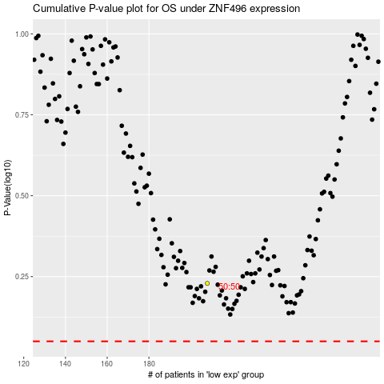

 |  |  |  |  |  | cases_OS | p_OS | rank | exp
 |  |  |  |  |  |  | cases_RFS | p_RFS | rank | exp

