ZNF506 _multivariate
Reported by Tex Li-Hsing Chi. tex@gate.sinica.edu.tw 2019-08-14

Table 2. The clinicopathological features of HNSCC cohort and ZNF506 expression. (Chi square test)
Cutoff at -0.544 (36.2%)
 |  | ZNF506 expression |  | ZNF506 expression |  | (Optimised)
 | Features | Low | (%) | High | (%) | Case no | P-value | Remark | Matthews
Gender | Female | 111 | 26.7 | 195 | 47 | 415 | 1 | 0 | 0
2 | Male | 40 | 9.6 | 69 | 16.6
Age at diagnosis | <=65y | 92 | 22.2 | 182 | 43.9 | 415 | 0.1211 | 0 | 0
4 | >65y | 59 | 14.2 | 82 | 19.8
Clinical T Status | T1+T2 | 51 | 12.3 | 98 | 23.6 | 415 | 0.5637 | 0 | 0
6 | T3+T4 | 100 | 24.1 | 166 | 40
Clinical N Status | N0 | 71 | 17.1 | 145 | 34.9 | 415 | 0.1475 | 0 | 0
8 | N1-3 | 80 | 19.3 | 119 | 28.7
Clinical M Status | M0 | 150 | 36.1 | 262 | 63.1 | 415 | 1 | 0 | 0
10 | M1 | 1 | 0.2 | 2 | 0.5
Clinical Stage | Stage I+II | 31 | 7.5 | 71 | 17.1 | 415 | 0.1834 | 0 | 0
12 | Stage III+IV | 120 | 28.9 | 193 | 46.5
Surgical Margin status | Negative | 110 | 26.5 | 208 | 50.1 | 415 | 0.1855 | 0 | 0
14 | Positive | 41 | 9.9 | 56 | 13.5
Tobacco Exposure | Low | 65 | 15.7 | 96 | 23.1 | 415 | 0.209 | 0 | 0
16 | High | 86 | 20.7 | 168 | 40.5

Table 3. Univariate/Multivariate Cox's proportional hazards regression analyses on OS time of ZNF506 gene expression in HNSCC

 |  | Univariate |  |  |  | Multivariate
 | Features | HR | CI95%(L) | CI95%(H) | P-value | HR | CI95%(L) | CI95%(H) | P-value
1 | Female | 1 |  |  |  | 1
Gender | Male | 1.157 | 0.843 | 1.587 | 0.367 | 1.181 | 0.844 | 1.652 | 0.332
11 | <=65y | 1 |  |  |  | 1
Age at diagnosis | >65y | 1.329 | 0.99 | 1.784 | 0.058 | 1.35 | 0.992 | 1.838 | 0.056
12 | T1+T2 | 1 |  |  |  | 1
Clinical T Status | T3+T4 | 1.409 | 1.028 | 1.931 | 0.033 | 2.319 | 1.222 | 4.4 | 0.01
13 | N0 | 1 |  |  |  | 1
Clinical N Status | N1-3 | 1.185 | 0.89 | 1.577 | 0.246 | 1.223 | 0.856 | 1.748 | 0.268
14 | M0 | 1 |  |  |  | 1
Clinical M Status | M1 | 4.097 | 1.009 | 16.644 | 0.049 | 10.482 | 2.276 | 48.281 | 0.003
15 | Stage I+II | 1 |  |  |  | 1
Clinical Stage | Stage III+IV | 1.245 | 0.882 | 1.759 | 0.213 | 0.464 | 0.215 | 1 | 0.05
16 | Negative | 1 |  |  |  | 1
Surgical Margin status | Positive | 1.591 | 1.155 | 2.191 | 0.004 | 1.669 | 1.207 | 2.308 | 0.002
17 | Low | 1 |  |  |  | 1
Tobacco Exposure | High | 1.364 | 1.008 | 1.844 | 0.044 | 1.486 | 1.077 | 2.05 | 0.016
18 | Low | 1 |  |  |  | 1
RNAseq(z-score) | High | 0.724 | 0.542 | 0.967 | 0.029 | 0.729 | 0.542 | 0.98 | 0.036

Table 4. Univariate/Multivariate Cox's proportional hazards regression analyses on RFS time of ZNF506 gene expression in HNSCC

 |  | Univariate |  |  |  | Multivariate
 | Features | HR | CI95%(L) | CI95%(H) | P-value | HR | CI95%(L) | CI95%(H) | P-value
1 | Female | 1 |  |  |  | 1
Gender | Male | 1.157 | 0.843 | 1.587 | 0.367 | 1.181 | 0.844 | 1.652 | 0.332
11 | <=65y | 1 |  |  |  | 1
Age at diagnosis | >65y | 1.329 | 0.99 | 1.784 | 0.058 | 1.35 | 0.992 | 1.838 | 0.056
12 | T1+T2 | 1 |  |  |  | 1
Clinical T Status | T3+T4 | 1.409 | 1.028 | 1.931 | 0.033 | 2.319 | 1.222 | 4.4 | 0.01
13 | N0 | 1 |  |  |  | 1
Clinical N Status | N1-3 | 1.185 | 0.89 | 1.577 | 0.246 | 1.223 | 0.856 | 1.748 | 0.268
14 | M0 | 1 |  |  |  | 1
Clinical M Status | M1 | 4.097 | 1.009 | 16.644 | 0.049 | 10.482 | 2.276 | 48.281 | 0.003
15 | Stage I+II | 1 |  |  |  | 1
Clinical Stage | Stage III+IV | 1.245 | 0.882 | 1.759 | 0.213 | 0.464 | 0.215 | 1 | 0.05
16 | Negative | 1 |  |  |  | 1
Surgical Margin status | Positive | 1.591 | 1.155 | 2.191 | 0.004 | 1.669 | 1.207 | 2.308 | 0.002
17 | Low | 1 |  |  |  | 1
Tobacco Exposure | High | 1.364 | 1.008 | 1.844 | 0.044 | 1.486 | 1.077 | 2.05 | 0.016
18 | Low | 1 |  |  |  | 1
RNAseq(z-score) | High | 0.724 | 0.542 | 0.967 | 0.029 | 0.729 | 0.542 | 0.98 | 0.036

Kaplan-Meier survival estimate: Cutoff at -0.544 (36.2%)



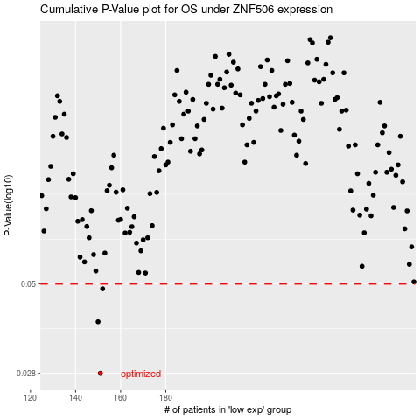

 |  |  |  |  |  | cases_OS | p_OS | rank | exp
 |  |  |  |  |  | 151 | 0.028 | 205 | -0.54383043395
 |  |  |  |  |  | 150 | 0.0391 | 70 | -0.55563100269
 |  |  |  |  |  | 152 | 0.0484 | 165 | -0.53492811929
 |  |  |  |  |  |  | cases_RFS | p_RFS | rank | exp
 |  |  |  |  |  |  | 150 | 0.028 | 70 | -0.55563100269
 |  |  |  |  |  |  | 149 | 0.0391 | 78 | -0.55918370125
 |  |  |  |  |  |  | 151 | 0.0484 | 205 | -0.54383043395

