ZNF507 _multivariate
Reported by Tex Li-Hsing Chi. tex@gate.sinica.edu.tw 2019-08-14

Table 2. The clinicopathological features of HNSCC cohort and ZNF507 expression. (Chi square test)
Cutoff at -0.254 (49.8%)
 |  | ZNF507 expression |  | ZNF507 expression |  | (Optimised)
 | Features | Low | (%) | High | (%) | Case no | P-value | Remark | Matthews
Gender | Female | 139 | 33.5 | 167 | 40.2 | 415 | 0.0034 | 1 | 0
2 | Male | 68 | 16.4 | 41 | 9.9
Age at diagnosis | <=65y | 131 | 31.6 | 143 | 34.5 | 415 | 0.2839 | 0 | 0
4 | >65y | 76 | 18.3 | 65 | 15.7
Clinical T Status | T1+T2 | 73 | 17.6 | 76 | 18.3 | 415 | 0.8666 | 0 | 0
6 | T3+T4 | 134 | 32.3 | 132 | 31.8
Clinical N Status | N0 | 112 | 27 | 104 | 25.1 | 415 | 0.4599 | 0 | 0
8 | N1-3 | 95 | 22.9 | 104 | 25.1
Clinical M Status | M0 | 204 | 49.2 | 208 | 50.1 | 415 | 0.1232 | 0 | 0
10 | M1 | 3 | 0.7 | 0 | 0
Clinical Stage | Stage I+II | 52 | 12.5 | 50 | 12 | 415 | 0.8871 | 0 | 0
12 | Stage III+IV | 155 | 37.3 | 158 | 38.1
Surgical Margin status | Negative | 158 | 38.1 | 160 | 38.6 | 415 | 0.9081 | 0 | 0
14 | Positive | 49 | 11.8 | 48 | 11.6
Tobacco Exposure | Low | 99 | 23.9 | 62 | 14.9 | 415 | 2e-04 | 1 | 0
16 | High | 108 | 26 | 146 | 35.2

Table 3. Univariate/Multivariate Cox's proportional hazards regression analyses on OS time of ZNF507 gene expression in HNSCC

 |  | Univariate |  |  |  | Multivariate
 | Features | HR | CI95%(L) | CI95%(H) | P-value | HR | CI95%(L) | CI95%(H) | P-value
1 | Female | 1 |  |  |  | 1
Gender | Male | 1.157 | 0.843 | 1.587 | 0.367 | 1.246 | 0.889 | 1.746 | 0.202
11 | <=65y | 1 |  |  |  | 1
Age at diagnosis | >65y | 1.329 | 0.99 | 1.784 | 0.058 | 1.4 | 1.03 | 1.904 | 0.032
12 | T1+T2 | 1 |  |  |  | 1
Clinical T Status | T3+T4 | 1.409 | 1.028 | 1.931 | 0.033 | 2.26 | 1.194 | 4.279 | 0.012
13 | N0 | 1 |  |  |  | 1
Clinical N Status | N1-3 | 1.185 | 0.89 | 1.577 | 0.246 | 1.228 | 0.86 | 1.754 | 0.258
14 | M0 | 1 |  |  |  | 1
Clinical M Status | M1 | 4.097 | 1.009 | 16.644 | 0.049 | 10.998 | 2.361 | 51.245 | 0.002
15 | Stage I+II | 1 |  |  |  | 1
Clinical Stage | Stage III+IV | 1.245 | 0.882 | 1.759 | 0.213 | 0.489 | 0.227 | 1.051 | 0.067
16 | Negative | 1 |  |  |  | 1
Surgical Margin status | Positive | 1.591 | 1.155 | 2.191 | 0.004 | 1.682 | 1.217 | 2.326 | 0.002
17 | Low | 1 |  |  |  | 1
Tobacco Exposure | High | 1.364 | 1.008 | 1.844 | 0.044 | 1.412 | 1.023 | 1.948 | 0.036
18 | Low | 1 |  |  |  | 1
RNAseq(z-score) | High | 1.201 | 0.898 | 1.605 | 0.216 | 1.248 | 0.922 | 1.687 | 0.151

Table 4. Univariate/Multivariate Cox's proportional hazards regression analyses on RFS time of ZNF507 gene expression in HNSCC

 |  | Univariate |  |  |  | Multivariate
 | Features | HR | CI95%(L) | CI95%(H) | P-value | HR | CI95%(L) | CI95%(H) | P-value
1 | Female | 1 |  |  |  | 1
Gender | Male | 1.157 | 0.843 | 1.587 | 0.367 | 1.246 | 0.889 | 1.746 | 0.202
11 | <=65y | 1 |  |  |  | 1
Age at diagnosis | >65y | 1.329 | 0.99 | 1.784 | 0.058 | 1.4 | 1.03 | 1.904 | 0.032
12 | T1+T2 | 1 |  |  |  | 1
Clinical T Status | T3+T4 | 1.409 | 1.028 | 1.931 | 0.033 | 2.26 | 1.194 | 4.279 | 0.012
13 | N0 | 1 |  |  |  | 1
Clinical N Status | N1-3 | 1.185 | 0.89 | 1.577 | 0.246 | 1.228 | 0.86 | 1.754 | 0.258
14 | M0 | 1 |  |  |  | 1
Clinical M Status | M1 | 4.097 | 1.009 | 16.644 | 0.049 | 10.998 | 2.361 | 51.245 | 0.002
15 | Stage I+II | 1 |  |  |  | 1
Clinical Stage | Stage III+IV | 1.245 | 0.882 | 1.759 | 0.213 | 0.489 | 0.227 | 1.051 | 0.067
16 | Negative | 1 |  |  |  | 1
Surgical Margin status | Positive | 1.591 | 1.155 | 2.191 | 0.004 | 1.682 | 1.217 | 2.326 | 0.002
17 | Low | 1 |  |  |  | 1
Tobacco Exposure | High | 1.364 | 1.008 | 1.844 | 0.044 | 1.412 | 1.023 | 1.948 | 0.036
18 | Low | 1 |  |  |  | 1
RNAseq(z-score) | High | 1.201 | 0.898 | 1.605 | 0.216 | 1.248 | 0.922 | 1.687 | 0.151

Kaplan-Meier survival estimate: Cutoff at -0.254 (49.8%)



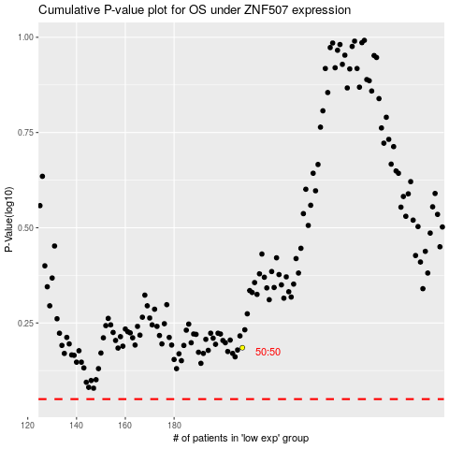

 |  |  |  |  |  | cases_OS | p_OS | rank | exp
 |  |  |  |  |  |  | cases_RFS | p_RFS | rank | exp

