ZNF511 _multivariate
Reported by Tex Li-Hsing Chi. tex@gate.sinica.edu.tw 2019-08-14

Table 2. The clinicopathological features of HNSCC cohort and ZNF511 expression. (Chi square test)
Cutoff at -0.236 (49.8%)
 |  | ZNF511 expression |  | ZNF511 expression |  | (Optimised)
 | Features | Low | (%) | High | (%) | Case no | P-value | Remark | Matthews
Gender | Female | 147 | 35.4 | 159 | 38.3 | 415 | 0.2523 | 0 | 0
2 | Male | 60 | 14.5 | 49 | 11.8
Age at diagnosis | <=65y | 141 | 34 | 133 | 32 | 415 | 0.4272 | 0 | 0
4 | >65y | 66 | 15.9 | 75 | 18.1
Clinical T Status | T1+T2 | 75 | 18.1 | 74 | 17.8 | 415 | 0.9707 | 0 | 0
6 | T3+T4 | 132 | 31.8 | 134 | 32.3
Clinical N Status | N0 | 111 | 26.7 | 105 | 25.3 | 415 | 0.5875 | 0 | 0
8 | N1-3 | 96 | 23.1 | 103 | 24.8
Clinical M Status | M0 | 207 | 49.9 | 205 | 49.4 | 415 | 0.2482 | 0 | 0
10 | M1 | 0 | 0 | 3 | 0.7
Clinical Stage | Stage I+II | 53 | 12.8 | 49 | 11.8 | 415 | 0.7113 | 0 | 0
12 | Stage III+IV | 154 | 37.1 | 159 | 38.3
Surgical Margin status | Negative | 165 | 39.8 | 153 | 36.9 | 415 | 0.1639 | 0 | 0
14 | Positive | 42 | 10.1 | 55 | 13.3
Tobacco Exposure | Low | 87 | 21 | 74 | 17.8 | 415 | 0.1911 | 0 | 0
16 | High | 120 | 28.9 | 134 | 32.3

Table 3. Univariate/Multivariate Cox's proportional hazards regression analyses on OS time of ZNF511 gene expression in HNSCC

 |  | Univariate |  |  |  | Multivariate
 | Features | HR | CI95%(L) | CI95%(H) | P-value | HR | CI95%(L) | CI95%(H) | P-value
1 | Female | 1 |  |  |  | 1
Gender | Male | 1.157 | 0.843 | 1.587 | 0.367 | 1.198 | 0.858 | 1.673 | 0.289
11 | <=65y | 1 |  |  |  | 1
Age at diagnosis | >65y | 1.329 | 0.99 | 1.784 | 0.058 | 1.4 | 1.029 | 1.904 | 0.032
12 | T1+T2 | 1 |  |  |  | 1
Clinical T Status | T3+T4 | 1.409 | 1.028 | 1.931 | 0.033 | 2.204 | 1.166 | 4.166 | 0.015
13 | N0 | 1 |  |  |  | 1
Clinical N Status | N1-3 | 1.185 | 0.89 | 1.577 | 0.246 | 1.257 | 0.88 | 1.796 | 0.209
14 | M0 | 1 |  |  |  | 1
Clinical M Status | M1 | 4.097 | 1.009 | 16.644 | 0.049 | 10.007 | 2.168 | 46.186 | 0.003
15 | Stage I+II | 1 |  |  |  | 1
Clinical Stage | Stage III+IV | 1.245 | 0.882 | 1.759 | 0.213 | 0.503 | 0.234 | 1.08 | 0.078
16 | Negative | 1 |  |  |  | 1
Surgical Margin status | Positive | 1.591 | 1.155 | 2.191 | 0.004 | 1.69 | 1.222 | 2.338 | 0.002
17 | Low | 1 |  |  |  | 1
Tobacco Exposure | High | 1.364 | 1.008 | 1.844 | 0.044 | 1.482 | 1.072 | 2.047 | 0.017
18 | Low | 1 |  |  |  | 1
RNAseq(z-score) | High | 0.993 | 0.746 | 1.323 | 0.964 | 0.88 | 0.655 | 1.182 | 0.395

Table 4. Univariate/Multivariate Cox's proportional hazards regression analyses on RFS time of ZNF511 gene expression in HNSCC

 |  | Univariate |  |  |  | Multivariate
 | Features | HR | CI95%(L) | CI95%(H) | P-value | HR | CI95%(L) | CI95%(H) | P-value
1 | Female | 1 |  |  |  | 1
Gender | Male | 1.157 | 0.843 | 1.587 | 0.367 | 1.198 | 0.858 | 1.673 | 0.289
11 | <=65y | 1 |  |  |  | 1
Age at diagnosis | >65y | 1.329 | 0.99 | 1.784 | 0.058 | 1.4 | 1.029 | 1.904 | 0.032
12 | T1+T2 | 1 |  |  |  | 1
Clinical T Status | T3+T4 | 1.409 | 1.028 | 1.931 | 0.033 | 2.204 | 1.166 | 4.166 | 0.015
13 | N0 | 1 |  |  |  | 1
Clinical N Status | N1-3 | 1.185 | 0.89 | 1.577 | 0.246 | 1.257 | 0.88 | 1.796 | 0.209
14 | M0 | 1 |  |  |  | 1
Clinical M Status | M1 | 4.097 | 1.009 | 16.644 | 0.049 | 10.007 | 2.168 | 46.186 | 0.003
15 | Stage I+II | 1 |  |  |  | 1
Clinical Stage | Stage III+IV | 1.245 | 0.882 | 1.759 | 0.213 | 0.503 | 0.234 | 1.08 | 0.078
16 | Negative | 1 |  |  |  | 1
Surgical Margin status | Positive | 1.591 | 1.155 | 2.191 | 0.004 | 1.69 | 1.222 | 2.338 | 0.002
17 | Low | 1 |  |  |  | 1
Tobacco Exposure | High | 1.364 | 1.008 | 1.844 | 0.044 | 1.482 | 1.072 | 2.047 | 0.017
18 | Low | 1 |  |  |  | 1
RNAseq(z-score) | High | 0.993 | 0.746 | 1.323 | 0.964 | 0.88 | 0.655 | 1.182 | 0.395

Kaplan-Meier survival estimate: Cutoff at -0.236 (49.8%)



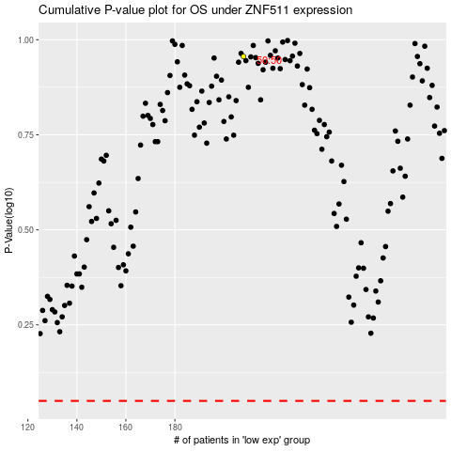

 |  |  |  |  |  | cases_OS | p_OS | rank | exp
 |  |  |  |  |  |  | cases_RFS | p_RFS | rank | exp

