ZNF527 _multivariate
Reported by Tex Li-Hsing Chi. tex@gate.sinica.edu.tw 2019-08-14

Table 2. The clinicopathological features of HNSCC cohort and ZNF527 expression. (Chi square test)
Cutoff at 0.076 (68.1%)
 |  | ZNF527 expression |  | ZNF527 expression |  | (Optimised)
 | Features | Low | (%) | High | (%) | Case no | P-value | Remark | Matthews
Gender | Female | 201 | 48.4 | 105 | 25.3 | 415 | 0.0859 | 0 | 0
2 | Male | 82 | 19.8 | 27 | 6.5
Age at diagnosis | <=65y | 185 | 44.6 | 89 | 21.4 | 415 | 0.7642 | 0 | 0
4 | >65y | 98 | 23.6 | 43 | 10.4
Clinical T Status | T1+T2 | 90 | 21.7 | 59 | 14.2 | 415 | 0.0147 | 1 | 0
6 | T3+T4 | 193 | 46.5 | 73 | 17.6
Clinical N Status | N0 | 145 | 34.9 | 71 | 17.1 | 415 | 0.7047 | 0 | 0
8 | N1-3 | 138 | 33.3 | 61 | 14.7
Clinical M Status | M0 | 280 | 67.5 | 132 | 31.8 | 415 | 0.5546 | 0 | 0
10 | M1 | 3 | 0.7 | 0 | 0
Clinical Stage | Stage I+II | 66 | 15.9 | 36 | 8.7 | 415 | 0.4543 | 0 | 0
12 | Stage III+IV | 217 | 52.3 | 96 | 23.1
Surgical Margin status | Negative | 225 | 54.2 | 93 | 22.4 | 415 | 0.0468 | 1 | 0
14 | Positive | 58 | 14 | 39 | 9.4
Tobacco Exposure | Low | 109 | 26.3 | 52 | 12.5 | 415 | 0.914 | 0 | 0
16 | High | 174 | 41.9 | 80 | 19.3

Table 3. Univariate/Multivariate Cox's proportional hazards regression analyses on OS time of ZNF527 gene expression in HNSCC

 |  | Univariate |  |  |  | Multivariate
 | Features | HR | CI95%(L) | CI95%(H) | P-value | HR | CI95%(L) | CI95%(H) | P-value
1 | Female | 1 |  |  |  | 1
Gender | Male | 1.157 | 0.843 | 1.587 | 0.367 | 1.183 | 0.846 | 1.654 | 0.327
11 | <=65y | 1 |  |  |  | 1
Age at diagnosis | >65y | 1.329 | 0.99 | 1.784 | 0.058 | 1.386 | 1.019 | 1.885 | 0.037
12 | T1+T2 | 1 |  |  |  | 1
Clinical T Status | T3+T4 | 1.409 | 1.028 | 1.931 | 0.033 | 2.032 | 1.072 | 3.853 | 0.03
13 | N0 | 1 |  |  |  | 1
Clinical N Status | N1-3 | 1.185 | 0.89 | 1.577 | 0.246 | 1.207 | 0.846 | 1.721 | 0.3
14 | M0 | 1 |  |  |  | 1
Clinical M Status | M1 | 4.097 | 1.009 | 16.644 | 0.049 | 7.883 | 1.711 | 36.314 | 0.008
15 | Stage I+II | 1 |  |  |  | 1
Clinical Stage | Stage III+IV | 1.245 | 0.882 | 1.759 | 0.213 | 0.532 | 0.247 | 1.144 | 0.106
16 | Negative | 1 |  |  |  | 1
Surgical Margin status | Positive | 1.591 | 1.155 | 2.191 | 0.004 | 1.781 | 1.284 | 2.47 | 0.001
17 | Low | 1 |  |  |  | 1
Tobacco Exposure | High | 1.364 | 1.008 | 1.844 | 0.044 | 1.446 | 1.047 | 1.995 | 0.025
18 | Low | 1 |  |  |  | 1
RNAseq(z-score) | High | 0.631 | 0.451 | 0.883 | 0.007 | 0.64 | 0.454 | 0.901 | 0.011

Table 4. Univariate/Multivariate Cox's proportional hazards regression analyses on RFS time of ZNF527 gene expression in HNSCC

 |  | Univariate |  |  |  | Multivariate
 | Features | HR | CI95%(L) | CI95%(H) | P-value | HR | CI95%(L) | CI95%(H) | P-value
1 | Female | 1 |  |  |  | 1
Gender | Male | 1.157 | 0.843 | 1.587 | 0.367 | 1.183 | 0.846 | 1.654 | 0.327
11 | <=65y | 1 |  |  |  | 1
Age at diagnosis | >65y | 1.329 | 0.99 | 1.784 | 0.058 | 1.386 | 1.019 | 1.885 | 0.037
12 | T1+T2 | 1 |  |  |  | 1
Clinical T Status | T3+T4 | 1.409 | 1.028 | 1.931 | 0.033 | 2.032 | 1.072 | 3.853 | 0.03
13 | N0 | 1 |  |  |  | 1
Clinical N Status | N1-3 | 1.185 | 0.89 | 1.577 | 0.246 | 1.207 | 0.846 | 1.721 | 0.3
14 | M0 | 1 |  |  |  | 1
Clinical M Status | M1 | 4.097 | 1.009 | 16.644 | 0.049 | 7.883 | 1.711 | 36.314 | 0.008
15 | Stage I+II | 1 |  |  |  | 1
Clinical Stage | Stage III+IV | 1.245 | 0.882 | 1.759 | 0.213 | 0.532 | 0.247 | 1.144 | 0.106
16 | Negative | 1 |  |  |  | 1
Surgical Margin status | Positive | 1.591 | 1.155 | 2.191 | 0.004 | 1.781 | 1.284 | 2.47 | 0.001
17 | Low | 1 |  |  |  | 1
Tobacco Exposure | High | 1.364 | 1.008 | 1.844 | 0.044 | 1.446 | 1.047 | 1.995 | 0.025
18 | Low | 1 |  |  |  | 1
RNAseq(z-score) | High | 0.631 | 0.451 | 0.883 | 0.007 | 0.64 | 0.454 | 0.901 | 0.011

Kaplan-Meier survival estimate: Cutoff at 0.076 (68.1%)

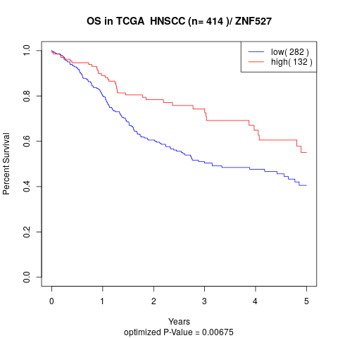

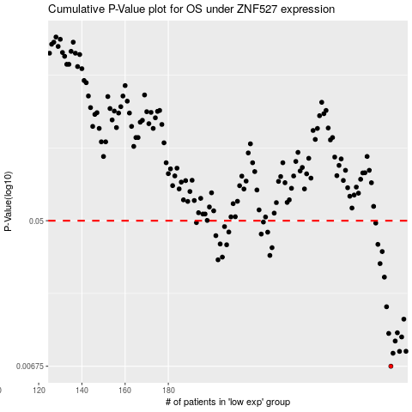

 |  |  |  |  |  | cases_OS | p_OS | rank | exp
 |  |  |  |  |  | 283 | 0.00675 | 295 | 0.076441052106
 |  |  |  |  |  | 284 | 0.00807 | 382 | 0.10223629715
 |  |  |  |  |  | 287 | 0.00828 | 18 | 0.12219121857
 |  |  |  |  |  | 290 | 0.00829 | 330 | 0.15946741696
 |  |  |  |  |  | 285 | 0.00955 | 331 | 0.10808819724
 |  |  |  |  |  | 288 | 0.0101 | 327 | 0.12489142766
 |  |  |  |  |  | 282 | 0.0106 | 225 | 0.075321029685
 |  |  |  |  |  | 286 | 0.0107 | 76 | 0.11006777175
 |  |  |  |  |  | 289 | 0.0129 | 198 | 0.14138209369
 |  |  |  |  |  | 281 | 0.0153 | 308 | 0.071726539127
 |  |  |  |  |  | 280 | 0.023 | 216 | 0.070276587621
 |  |  |  |  |  | 278 | 0.0277 | 162 | 0.053233145672
 |  |  |  |  |  | 203 | 0.0292 | 42 | -0.28709159972
 |  |  |  |  |  | 205 | 0.0303 | 183 | -0.27407965967
 |  |  |  |  |  | 227 | 0.031 | 8 | -0.21431618943
 |  |  |  |  |  | 279 | 0.0327 | 223 | 0.069330212087
 |  |  |  |  |  | 228 | 0.0345 | 219 | -0.21419174249
 |  |  |  |  |  | 207 | 0.0359 | 170 | -0.27197563822
 |  |  |  |  |  | 277 | 0.0361 | 325 | 0.05054451304
 |  |  |  |  |  | 204 | 0.0363 | 82 | -0.27605055183
 |  |  |  |  |  | 202 | 0.0407 | 210 | -0.2926280413
 |  |  |  |  |  | 223 | 0.0416 | 357 | -0.22465686154
 |  |  |  |  |  | 226 | 0.0427 | 64 | -0.21644915202
 |  |  |  |  |  | 208 | 0.0428 | 14 | -0.27129552125
 |  |  |  |  |  | 206 | 0.0461 | 390 | -0.27204509697
 |  |  |  |  |  | 276 | 0.0484 | 52 | 0.047080257647
 |  |  |  |  |  | 193 | 0.0487 | 11 | -0.33437275291
 |  |  |  |  |  | 224 | 0.0491 | 146 | -0.22372206247
 |  |  |  |  |  |  | cases_RFS | p_RFS | rank | exp
 |  |  |  |  |  |  | 282 | 0.00675 | 225 | 0.075321029685
 |  |  |  |  |  |  | 283 | 0.00807 | 295 | 0.076441052106
 |  |  |  |  |  |  | 286 | 0.00828 | 76 | 0.11006777175
 |  |  |  |  |  |  | 289 | 0.00829 | 198 | 0.14138209369
 |  |  |  |  |  |  | 284 | 0.00955 | 382 | 0.10223629715
 |  |  |  |  |  |  | 287 | 0.0101 | 18 | 0.12219121857
 |  |  |  |  |  |  | 281 | 0.0106 | 308 | 0.071726539127
 |  |  |  |  |  |  | 285 | 0.0107 | 331 | 0.10808819724
 |  |  |  |  |  |  | 288 | 0.0129 | 327 | 0.12489142766
 |  |  |  |  |  |  | 280 | 0.0153 | 216 | 0.070276587621
 |  |  |  |  |  |  | 279 | 0.023 | 223 | 0.069330212087
 |  |  |  |  |  |  | 277 | 0.0277 | 325 | 0.05054451304
 |  |  |  |  |  |  | 202 | 0.0292 | 210 | -0.2926280413
 |  |  |  |  |  |  | 204 | 0.0303 | 82 | -0.27605055183
 |  |  |  |  |  |  | 226 | 0.031 | 64 | -0.21644915202
 |  |  |  |  |  |  | 278 | 0.0327 | 162 | 0.053233145672
 |  |  |  |  |  |  | 227 | 0.0345 | 8 | -0.21431618943
 |  |  |  |  |  |  | 206 | 0.0359 | 390 | -0.27204509697
 |  |  |  |  |  |  | 276 | 0.0361 | 52 | 0.047080257647
 |  |  |  |  |  |  | 203 | 0.0363 | 42 | -0.28709159972
 |  |  |  |  |  |  | 201 | 0.0407 | 247 | -0.29498963896
 |  |  |  |  |  |  | 222 | 0.0416 | 108 | -0.22637596572
 |  |  |  |  |  |  | 225 | 0.0427 | 107 | -0.22187851135
 |  |  |  |  |  |  | 207 | 0.0428 | 170 | -0.27197563822
 |  |  |  |  |  |  | 205 | 0.0461 | 183 | -0.27407965967
 |  |  |  |  |  |  | 275 | 0.0484 | 206 | 0.036947961796
 |  |  |  |  |  |  | 192 | 0.0487 | 389 | -0.3399699709
 |  |  |  |  |  |  | 223 | 0.0491 | 357 | -0.22465686154

