ZNF528 _multivariate
Reported by Tex Li-Hsing Chi. tex@gate.sinica.edu.tw 2019-08-14

Table 2. The clinicopathological features of HNSCC cohort and ZNF528 expression. (Chi square test)
Cutoff at -0.746 (30.4%)
 |  | ZNF528 expression |  | ZNF528 expression |  | (Optimised)
 | Features | Low | (%) | High | (%) | Case no | P-value | Remark | Matthews
Gender | Female | 87 | 21 | 219 | 52.8 | 415 | 0.1897 | 0 | 0
2 | Male | 39 | 9.4 | 70 | 16.9
Age at diagnosis | <=65y | 70 | 16.9 | 204 | 49.2 | 415 | 0.0042 | 1 | 0
4 | >65y | 56 | 13.5 | 85 | 20.5
Clinical T Status | T1+T2 | 37 | 8.9 | 112 | 27 | 415 | 0.085 | 0 | 0
6 | T3+T4 | 89 | 21.4 | 177 | 42.7
Clinical N Status | N0 | 66 | 15.9 | 150 | 36.1 | 415 | 1 | 0 | 0
8 | N1-3 | 60 | 14.5 | 139 | 33.5
Clinical M Status | M0 | 126 | 30.4 | 286 | 68.9 | 415 | 0.5566 | 0 | 0
10 | M1 | 0 | 0 | 3 | 0.7
Clinical Stage | Stage I+II | 29 | 7 | 73 | 17.6 | 415 | 0.7157 | 0 | 0
12 | Stage III+IV | 97 | 23.4 | 216 | 52
Surgical Margin status | Negative | 94 | 22.7 | 224 | 54 | 415 | 0.53 | 0 | 0
14 | Positive | 32 | 7.7 | 65 | 15.7
Tobacco Exposure | Low | 55 | 13.3 | 106 | 25.5 | 415 | 0.1899 | 0 | 0
16 | High | 71 | 17.1 | 183 | 44.1

Table 3. Univariate/Multivariate Cox's proportional hazards regression analyses on OS time of ZNF528 gene expression in HNSCC

 |  | Univariate |  |  |  | Multivariate
 | Features | HR | CI95%(L) | CI95%(H) | P-value | HR | CI95%(L) | CI95%(H) | P-value
1 | Female | 1 |  |  |  | 1
Gender | Male | 1.157 | 0.843 | 1.587 | 0.367 | 1.191 | 0.851 | 1.666 | 0.307
11 | <=65y | 1 |  |  |  | 1
Age at diagnosis | >65y | 1.329 | 0.99 | 1.784 | 0.058 | 1.359 | 0.999 | 1.85 | 0.051
12 | T1+T2 | 1 |  |  |  | 1
Clinical T Status | T3+T4 | 1.409 | 1.028 | 1.931 | 0.033 | 2.112 | 1.115 | 3.999 | 0.022
13 | N0 | 1 |  |  |  | 1
Clinical N Status | N1-3 | 1.185 | 0.89 | 1.577 | 0.246 | 1.223 | 0.857 | 1.746 | 0.268
14 | M0 | 1 |  |  |  | 1
Clinical M Status | M1 | 4.097 | 1.009 | 16.644 | 0.049 | 9.951 | 2.167 | 45.699 | 0.003
15 | Stage I+II | 1 |  |  |  | 1
Clinical Stage | Stage III+IV | 1.245 | 0.882 | 1.759 | 0.213 | 0.52 | 0.242 | 1.116 | 0.093
16 | Negative | 1 |  |  |  | 1
Surgical Margin status | Positive | 1.591 | 1.155 | 2.191 | 0.004 | 1.654 | 1.197 | 2.286 | 0.002
17 | Low | 1 |  |  |  | 1
Tobacco Exposure | High | 1.364 | 1.008 | 1.844 | 0.044 | 1.488 | 1.079 | 2.053 | 0.016
18 | Low | 1 |  |  |  | 1
RNAseq(z-score) | High | 0.722 | 0.535 | 0.975 | 0.034 | 0.765 | 0.563 | 1.04 | 0.087

Table 4. Univariate/Multivariate Cox's proportional hazards regression analyses on RFS time of ZNF528 gene expression in HNSCC

 |  | Univariate |  |  |  | Multivariate
 | Features | HR | CI95%(L) | CI95%(H) | P-value | HR | CI95%(L) | CI95%(H) | P-value
1 | Female | 1 |  |  |  | 1
Gender | Male | 1.157 | 0.843 | 1.587 | 0.367 | 1.191 | 0.851 | 1.666 | 0.307
11 | <=65y | 1 |  |  |  | 1
Age at diagnosis | >65y | 1.329 | 0.99 | 1.784 | 0.058 | 1.359 | 0.999 | 1.85 | 0.051
12 | T1+T2 | 1 |  |  |  | 1
Clinical T Status | T3+T4 | 1.409 | 1.028 | 1.931 | 0.033 | 2.112 | 1.115 | 3.999 | 0.022
13 | N0 | 1 |  |  |  | 1
Clinical N Status | N1-3 | 1.185 | 0.89 | 1.577 | 0.246 | 1.223 | 0.857 | 1.746 | 0.268
14 | M0 | 1 |  |  |  | 1
Clinical M Status | M1 | 4.097 | 1.009 | 16.644 | 0.049 | 9.951 | 2.167 | 45.699 | 0.003
15 | Stage I+II | 1 |  |  |  | 1
Clinical Stage | Stage III+IV | 1.245 | 0.882 | 1.759 | 0.213 | 0.52 | 0.242 | 1.116 | 0.093
16 | Negative | 1 |  |  |  | 1
Surgical Margin status | Positive | 1.591 | 1.155 | 2.191 | 0.004 | 1.654 | 1.197 | 2.286 | 0.002
17 | Low | 1 |  |  |  | 1
Tobacco Exposure | High | 1.364 | 1.008 | 1.844 | 0.044 | 1.488 | 1.079 | 2.053 | 0.016
18 | Low | 1 |  |  |  | 1
RNAseq(z-score) | High | 0.722 | 0.535 | 0.975 | 0.034 | 0.765 | 0.563 | 1.04 | 0.087

Kaplan-Meier survival estimate: Cutoff at -0.746 (30.4%)



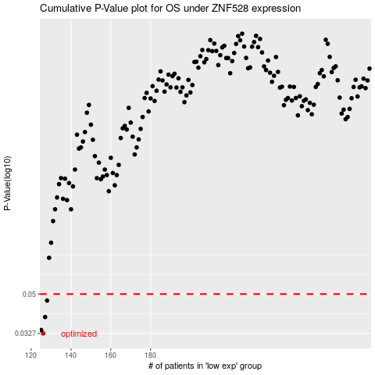

 |  |  |  |  |  | cases_OS | p_OS | rank | exp
 |  |  |  |  |  | 126 | 0.0327 | 293 | -0.74573344324
 |  |  |  |  |  | 125 | 0.0339 | 218 | -0.7521786001
 |  |  |  |  |  | 127 | 0.039 | 311 | -0.74551028115
 |  |  |  |  |  | 128 | 0.0466 | 184 | -0.74454586705
 |  |  |  |  |  |  | cases_RFS | p_RFS | rank | exp
 |  |  |  |  |  |  | 125 | 0.0327 | 218 | -0.7521786001
 |  |  |  |  |  |  |  | 0.0339 | 176 | -0.76220024883
 |  |  |  |  |  |  | 126 | 0.039 | 293 | -0.74573344324
 |  |  |  |  |  |  | 127 | 0.0466 | 311 | -0.74551028115

