ZNF530 _multivariate
Reported by Tex Li-Hsing Chi. tex@gate.sinica.edu.tw 2019-08-14

Table 2. The clinicopathological features of HNSCC cohort and ZNF530 expression. (Chi square test)
Cutoff at -0.226 (49.8%)
 |  | ZNF530 expression |  | ZNF530 expression |  | (Optimised)
 | Features | Low | (%) | High | (%) | Case no | P-value | Remark | Matthews
Gender | Female | 149 | 35.9 | 157 | 37.8 | 415 | 0.4848 | 0 | 0
2 | Male | 58 | 14 | 51 | 12.3
Age at diagnosis | <=65y | 135 | 32.5 | 139 | 33.5 | 415 | 0.8084 | 0 | 0
4 | >65y | 72 | 17.3 | 69 | 16.6
Clinical T Status | T1+T2 | 64 | 15.4 | 85 | 20.5 | 415 | 0.0445 | 1 | 0
6 | T3+T4 | 143 | 34.5 | 123 | 29.6
Clinical N Status | N0 | 108 | 26 | 108 | 26 | 415 | 1 | 0 | 0
8 | N1-3 | 99 | 23.9 | 100 | 24.1
Clinical M Status | M0 | 206 | 49.6 | 206 | 49.6 | 415 | 1 | 0 | 0
10 | M1 | 1 | 0.2 | 2 | 0.5
Clinical Stage | Stage I+II | 46 | 11.1 | 56 | 13.5 | 415 | 0.3182 | 0 | 0
12 | Stage III+IV | 161 | 38.8 | 152 | 36.6
Surgical Margin status | Negative | 162 | 39 | 156 | 37.6 | 415 | 0.4867 | 0 | 0
14 | Positive | 45 | 10.8 | 52 | 12.5
Tobacco Exposure | Low | 85 | 20.5 | 76 | 18.3 | 415 | 0.3655 | 0 | 0
16 | High | 122 | 29.4 | 132 | 31.8

Table 3. Univariate/Multivariate Cox's proportional hazards regression analyses on OS time of ZNF530 gene expression in HNSCC

 |  | Univariate |  |  |  | Multivariate
 | Features | HR | CI95%(L) | CI95%(H) | P-value | HR | CI95%(L) | CI95%(H) | P-value
1 | Female | 1 |  |  |  | 1
Gender | Male | 1.157 | 0.843 | 1.587 | 0.367 | 1.211 | 0.866 | 1.694 | 0.264
11 | <=65y | 1 |  |  |  | 1
Age at diagnosis | >65y | 1.329 | 0.99 | 1.784 | 0.058 | 1.395 | 1.026 | 1.897 | 0.034
12 | T1+T2 | 1 |  |  |  | 1
Clinical T Status | T3+T4 | 1.409 | 1.028 | 1.931 | 0.033 | 2.237 | 1.18 | 4.242 | 0.014
13 | N0 | 1 |  |  |  | 1
Clinical N Status | N1-3 | 1.185 | 0.89 | 1.577 | 0.246 | 1.247 | 0.874 | 1.78 | 0.224
14 | M0 | 1 |  |  |  | 1
Clinical M Status | M1 | 4.097 | 1.009 | 16.644 | 0.049 | 9.453 | 2.062 | 43.335 | 0.004
15 | Stage I+II | 1 |  |  |  | 1
Clinical Stage | Stage III+IV | 1.245 | 0.882 | 1.759 | 0.213 | 0.502 | 0.234 | 1.077 | 0.077
16 | Negative | 1 |  |  |  | 1
Surgical Margin status | Positive | 1.591 | 1.155 | 2.191 | 0.004 | 1.666 | 1.206 | 2.303 | 0.002
17 | Low | 1 |  |  |  | 1
Tobacco Exposure | High | 1.364 | 1.008 | 1.844 | 0.044 | 1.444 | 1.047 | 1.991 | 0.025
18 | Low | 1 |  |  |  | 1
RNAseq(z-score) | High | 1.019 | 0.765 | 1.357 | 0.897 | 1.078 | 0.804 | 1.446 | 0.616

Table 4. Univariate/Multivariate Cox's proportional hazards regression analyses on RFS time of ZNF530 gene expression in HNSCC

 |  | Univariate |  |  |  | Multivariate
 | Features | HR | CI95%(L) | CI95%(H) | P-value | HR | CI95%(L) | CI95%(H) | P-value
1 | Female | 1 |  |  |  | 1
Gender | Male | 1.157 | 0.843 | 1.587 | 0.367 | 1.211 | 0.866 | 1.694 | 0.264
11 | <=65y | 1 |  |  |  | 1
Age at diagnosis | >65y | 1.329 | 0.99 | 1.784 | 0.058 | 1.395 | 1.026 | 1.897 | 0.034
12 | T1+T2 | 1 |  |  |  | 1
Clinical T Status | T3+T4 | 1.409 | 1.028 | 1.931 | 0.033 | 2.237 | 1.18 | 4.242 | 0.014
13 | N0 | 1 |  |  |  | 1
Clinical N Status | N1-3 | 1.185 | 0.89 | 1.577 | 0.246 | 1.247 | 0.874 | 1.78 | 0.224
14 | M0 | 1 |  |  |  | 1
Clinical M Status | M1 | 4.097 | 1.009 | 16.644 | 0.049 | 9.453 | 2.062 | 43.335 | 0.004
15 | Stage I+II | 1 |  |  |  | 1
Clinical Stage | Stage III+IV | 1.245 | 0.882 | 1.759 | 0.213 | 0.502 | 0.234 | 1.077 | 0.077
16 | Negative | 1 |  |  |  | 1
Surgical Margin status | Positive | 1.591 | 1.155 | 2.191 | 0.004 | 1.666 | 1.206 | 2.303 | 0.002
17 | Low | 1 |  |  |  | 1
Tobacco Exposure | High | 1.364 | 1.008 | 1.844 | 0.044 | 1.444 | 1.047 | 1.991 | 0.025
18 | Low | 1 |  |  |  | 1
RNAseq(z-score) | High | 1.019 | 0.765 | 1.357 | 0.897 | 1.078 | 0.804 | 1.446 | 0.616

Kaplan-Meier survival estimate: Cutoff at -0.226 (49.8%)



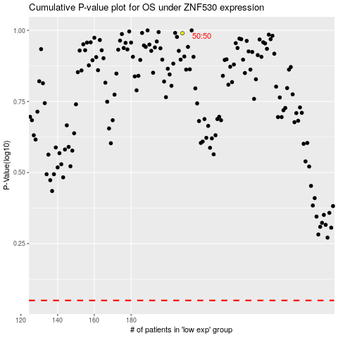

 |  |  |  |  |  | cases_OS | p_OS | rank | exp
 |  |  |  |  |  |  | cases_RFS | p_RFS | rank | exp

