ZNF544 _multivariate
Reported by Tex Li-Hsing Chi. tex@gate.sinica.edu.tw 2019-08-14

Table 2. The clinicopathological features of HNSCC cohort and ZNF544 expression. (Chi square test)
Cutoff at -0.304 (41.1%)
 |  | ZNF544 expression |  | ZNF544 expression |  | (Optimised)
 | Features | Low | (%) | High | (%) | Case no | P-value | Remark | Matthews
Gender | Female | 126 | 30.4 | 180 | 43.4 | 415 | 1 | 0 | 0
2 | Male | 45 | 10.8 | 64 | 15.4
Age at diagnosis | <=65y | 107 | 25.8 | 167 | 40.2 | 415 | 0.2554 | 0 | 0
4 | >65y | 64 | 15.4 | 77 | 18.6
Clinical T Status | T1+T2 | 54 | 13 | 95 | 22.9 | 415 | 0.1517 | 0 | 0
6 | T3+T4 | 117 | 28.2 | 149 | 35.9
Clinical N Status | N0 | 89 | 21.4 | 127 | 30.6 | 415 | 1 | 0 | 0
8 | N1-3 | 82 | 19.8 | 117 | 28.2
Clinical M Status | M0 | 171 | 41.2 | 241 | 58.1 | 415 | 0.2715 | 0 | 0
10 | M1 | 0 | 0 | 3 | 0.7
Clinical Stage | Stage I+II | 38 | 9.2 | 64 | 15.4 | 415 | 0.4137 | 0 | 0
12 | Stage III+IV | 133 | 32 | 180 | 43.4
Surgical Margin status | Negative | 138 | 33.3 | 180 | 43.4 | 415 | 0.1253 | 0 | 0
14 | Positive | 33 | 8 | 64 | 15.4
Tobacco Exposure | Low | 64 | 15.4 | 97 | 23.4 | 415 | 0.6826 | 0 | 0
16 | High | 107 | 25.8 | 147 | 35.4

Table 3. Univariate/Multivariate Cox's proportional hazards regression analyses on OS time of ZNF544 gene expression in HNSCC

 |  | Univariate |  |  |  | Multivariate
 | Features | HR | CI95%(L) | CI95%(H) | P-value | HR | CI95%(L) | CI95%(H) | P-value
1 | Female | 1 |  |  |  | 1
Gender | Male | 1.157 | 0.843 | 1.587 | 0.367 | 1.197 | 0.855 | 1.675 | 0.294
11 | <=65y | 1 |  |  |  | 1
Age at diagnosis | >65y | 1.329 | 0.99 | 1.784 | 0.058 | 1.414 | 1.039 | 1.924 | 0.027
12 | T1+T2 | 1 |  |  |  | 1
Clinical T Status | T3+T4 | 1.409 | 1.028 | 1.931 | 0.033 | 2.222 | 1.175 | 4.201 | 0.014
13 | N0 | 1 |  |  |  | 1
Clinical N Status | N1-3 | 1.185 | 0.89 | 1.577 | 0.246 | 1.228 | 0.861 | 1.752 | 0.257
14 | M0 | 1 |  |  |  | 1
Clinical M Status | M1 | 4.097 | 1.009 | 16.644 | 0.049 | 8.415 | 1.829 | 38.72 | 0.006
15 | Stage I+II | 1 |  |  |  | 1
Clinical Stage | Stage III+IV | 1.245 | 0.882 | 1.759 | 0.213 | 0.521 | 0.243 | 1.119 | 0.094
16 | Negative | 1 |  |  |  | 1
Surgical Margin status | Positive | 1.591 | 1.155 | 2.191 | 0.004 | 1.618 | 1.169 | 2.239 | 0.004
17 | Low | 1 |  |  |  | 1
Tobacco Exposure | High | 1.364 | 1.008 | 1.844 | 0.044 | 1.461 | 1.06 | 2.014 | 0.021
18 | Low | 1 |  |  |  | 1
RNAseq(z-score) | High | 1.348 | 1.004 | 1.812 | 0.047 | 1.338 | 0.991 | 1.806 | 0.057

Table 4. Univariate/Multivariate Cox's proportional hazards regression analyses on RFS time of ZNF544 gene expression in HNSCC

 |  | Univariate |  |  |  | Multivariate
 | Features | HR | CI95%(L) | CI95%(H) | P-value | HR | CI95%(L) | CI95%(H) | P-value
1 | Female | 1 |  |  |  | 1
Gender | Male | 1.157 | 0.843 | 1.587 | 0.367 | 1.197 | 0.855 | 1.675 | 0.294
11 | <=65y | 1 |  |  |  | 1
Age at diagnosis | >65y | 1.329 | 0.99 | 1.784 | 0.058 | 1.414 | 1.039 | 1.924 | 0.027
12 | T1+T2 | 1 |  |  |  | 1
Clinical T Status | T3+T4 | 1.409 | 1.028 | 1.931 | 0.033 | 2.222 | 1.175 | 4.201 | 0.014
13 | N0 | 1 |  |  |  | 1
Clinical N Status | N1-3 | 1.185 | 0.89 | 1.577 | 0.246 | 1.228 | 0.861 | 1.752 | 0.257
14 | M0 | 1 |  |  |  | 1
Clinical M Status | M1 | 4.097 | 1.009 | 16.644 | 0.049 | 8.415 | 1.829 | 38.72 | 0.006
15 | Stage I+II | 1 |  |  |  | 1
Clinical Stage | Stage III+IV | 1.245 | 0.882 | 1.759 | 0.213 | 0.521 | 0.243 | 1.119 | 0.094
16 | Negative | 1 |  |  |  | 1
Surgical Margin status | Positive | 1.591 | 1.155 | 2.191 | 0.004 | 1.618 | 1.169 | 2.239 | 0.004
17 | Low | 1 |  |  |  | 1
Tobacco Exposure | High | 1.364 | 1.008 | 1.844 | 0.044 | 1.461 | 1.06 | 2.014 | 0.021
18 | Low | 1 |  |  |  | 1
RNAseq(z-score) | High | 1.348 | 1.004 | 1.812 | 0.047 | 1.338 | 0.991 | 1.806 | 0.057

Kaplan-Meier survival estimate: Cutoff at -0.304 (41.1%)



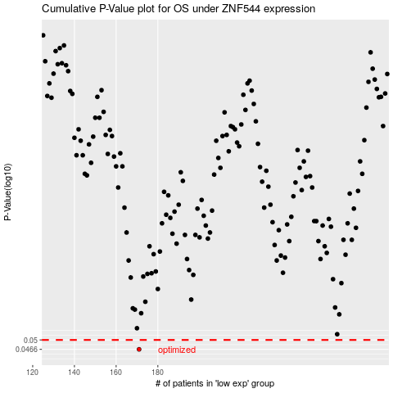

 |  |  |  |  |  | cases_OS | p_OS | rank | exp
 |  |  |  |  |  | 171 | 0.0466 | 12 | -0.30426635633
 |  |  |  |  |  |  | cases_RFS | p_RFS | rank | exp
 |  |  |  |  |  |  | 170 | 0.0466 | 15 | -0.30604159699

