ZNF549 _multivariate
Reported by Tex Li-Hsing Chi. tex@gate.sinica.edu.tw 2019-08-14

Table 2. The clinicopathological features of HNSCC cohort and ZNF549 expression. (Chi square test)
Cutoff at -0.106 (49.8%)
 |  | ZNF549 expression |  | ZNF549 expression |  | (Optimised)
 | Features | Low | (%) | High | (%) | Case no | P-value | Remark | Matthews
Gender | Female | 155 | 37.3 | 151 | 36.4 | 415 | 0.6768 | 0 | 0
2 | Male | 52 | 12.5 | 57 | 13.7
Age at diagnosis | <=65y | 133 | 32 | 141 | 34 | 415 | 0.5111 | 0 | 0
4 | >65y | 74 | 17.8 | 67 | 16.1
Clinical T Status | T1+T2 | 73 | 17.6 | 76 | 18.3 | 415 | 0.8666 | 0 | 0
6 | T3+T4 | 134 | 32.3 | 132 | 31.8
Clinical N Status | N0 | 109 | 26.3 | 107 | 25.8 | 415 | 0.8812 | 0 | 0
8 | N1-3 | 98 | 23.6 | 101 | 24.3
Clinical M Status | M0 | 206 | 49.6 | 206 | 49.6 | 415 | 1 | 0 | 0
10 | M1 | 1 | 0.2 | 2 | 0.5
Clinical Stage | Stage I+II | 48 | 11.6 | 54 | 13 | 415 | 0.5878 | 0 | 0
12 | Stage III+IV | 159 | 38.3 | 154 | 37.1
Surgical Margin status | Negative | 153 | 36.9 | 165 | 39.8 | 415 | 0.2036 | 0 | 0
14 | Positive | 54 | 13 | 43 | 10.4
Tobacco Exposure | Low | 75 | 18.1 | 86 | 20.7 | 415 | 0.3141 | 0 | 0
16 | High | 132 | 31.8 | 122 | 29.4

Table 3. Univariate/Multivariate Cox's proportional hazards regression analyses on OS time of ZNF549 gene expression in HNSCC

 |  | Univariate |  |  |  | Multivariate
 | Features | HR | CI95%(L) | CI95%(H) | P-value | HR | CI95%(L) | CI95%(H) | P-value
1 | Female | 1 |  |  |  | 1
Gender | Male | 1.157 | 0.843 | 1.587 | 0.367 | 1.205 | 0.862 | 1.684 | 0.276
11 | <=65y | 1 |  |  |  | 1
Age at diagnosis | >65y | 1.329 | 0.99 | 1.784 | 0.058 | 1.395 | 1.025 | 1.897 | 0.034
12 | T1+T2 | 1 |  |  |  | 1
Clinical T Status | T3+T4 | 1.409 | 1.028 | 1.931 | 0.033 | 2.196 | 1.161 | 4.154 | 0.016
13 | N0 | 1 |  |  |  | 1
Clinical N Status | N1-3 | 1.185 | 0.89 | 1.577 | 0.246 | 1.238 | 0.867 | 1.767 | 0.24
14 | M0 | 1 |  |  |  | 1
Clinical M Status | M1 | 4.097 | 1.009 | 16.644 | 0.049 | 9.299 | 2.023 | 42.745 | 0.004
15 | Stage I+II | 1 |  |  |  | 1
Clinical Stage | Stage III+IV | 1.245 | 0.882 | 1.759 | 0.213 | 0.507 | 0.236 | 1.089 | 0.082
16 | Negative | 1 |  |  |  | 1
Surgical Margin status | Positive | 1.591 | 1.155 | 2.191 | 0.004 | 1.678 | 1.213 | 2.323 | 0.002
17 | Low | 1 |  |  |  | 1
Tobacco Exposure | High | 1.364 | 1.008 | 1.844 | 0.044 | 1.46 | 1.057 | 2.015 | 0.022
18 | Low | 1 |  |  |  | 1
RNAseq(z-score) | High | 0.962 | 0.721 | 1.284 | 0.792 | 1.037 | 0.772 | 1.394 | 0.807

Table 4. Univariate/Multivariate Cox's proportional hazards regression analyses on RFS time of ZNF549 gene expression in HNSCC

 |  | Univariate |  |  |  | Multivariate
 | Features | HR | CI95%(L) | CI95%(H) | P-value | HR | CI95%(L) | CI95%(H) | P-value
1 | Female | 1 |  |  |  | 1
Gender | Male | 1.157 | 0.843 | 1.587 | 0.367 | 1.205 | 0.862 | 1.684 | 0.276
11 | <=65y | 1 |  |  |  | 1
Age at diagnosis | >65y | 1.329 | 0.99 | 1.784 | 0.058 | 1.395 | 1.025 | 1.897 | 0.034
12 | T1+T2 | 1 |  |  |  | 1
Clinical T Status | T3+T4 | 1.409 | 1.028 | 1.931 | 0.033 | 2.196 | 1.161 | 4.154 | 0.016
13 | N0 | 1 |  |  |  | 1
Clinical N Status | N1-3 | 1.185 | 0.89 | 1.577 | 0.246 | 1.238 | 0.867 | 1.767 | 0.24
14 | M0 | 1 |  |  |  | 1
Clinical M Status | M1 | 4.097 | 1.009 | 16.644 | 0.049 | 9.299 | 2.023 | 42.745 | 0.004
15 | Stage I+II | 1 |  |  |  | 1
Clinical Stage | Stage III+IV | 1.245 | 0.882 | 1.759 | 0.213 | 0.507 | 0.236 | 1.089 | 0.082
16 | Negative | 1 |  |  |  | 1
Surgical Margin status | Positive | 1.591 | 1.155 | 2.191 | 0.004 | 1.678 | 1.213 | 2.323 | 0.002
17 | Low | 1 |  |  |  | 1
Tobacco Exposure | High | 1.364 | 1.008 | 1.844 | 0.044 | 1.46 | 1.057 | 2.015 | 0.022
18 | Low | 1 |  |  |  | 1
RNAseq(z-score) | High | 0.962 | 0.721 | 1.284 | 0.792 | 1.037 | 0.772 | 1.394 | 0.807

Kaplan-Meier survival estimate: Cutoff at -0.106 (49.8%)



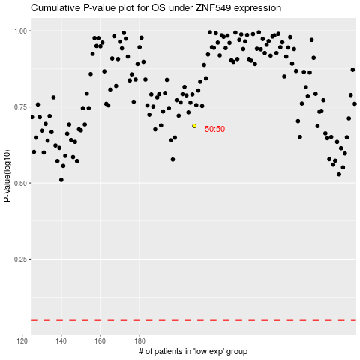

 |  |  |  |  |  | cases_OS | p_OS | rank | exp
 |  |  |  |  |  |  | cases_RFS | p_RFS | rank | exp

