ZNF550 _multivariate
Reported by Tex Li-Hsing Chi. tex@gate.sinica.edu.tw 2019-08-14

Table 2. The clinicopathological features of HNSCC cohort and ZNF550 expression. (Chi square test)
Cutoff at -0.232 (49.8%)
 |  | ZNF550 expression |  | ZNF550 expression |  | (Optimised)
 | Features | Low | (%) | High | (%) | Case no | P-value | Remark | Matthews
Gender | Female | 140 | 33.7 | 166 | 40 | 415 | 0.0068 | 1 | 0
2 | Male | 67 | 16.1 | 42 | 10.1
Age at diagnosis | <=65y | 133 | 32 | 141 | 34 | 415 | 0.5111 | 0 | 0
4 | >65y | 74 | 17.8 | 67 | 16.1
Clinical T Status | T1+T2 | 76 | 18.3 | 73 | 17.6 | 415 | 0.8092 | 0 | 0
6 | T3+T4 | 131 | 31.6 | 135 | 32.5
Clinical N Status | N0 | 111 | 26.7 | 105 | 25.3 | 415 | 0.5875 | 0 | 0
8 | N1-3 | 96 | 23.1 | 103 | 24.8
Clinical M Status | M0 | 206 | 49.6 | 206 | 49.6 | 415 | 1 | 0 | 0
10 | M1 | 1 | 0.2 | 2 | 0.5
Clinical Stage | Stage I+II | 54 | 13 | 48 | 11.6 | 415 | 0.5498 | 0 | 0
12 | Stage III+IV | 153 | 36.9 | 160 | 38.6
Surgical Margin status | Negative | 162 | 39 | 156 | 37.6 | 415 | 0.4867 | 0 | 0
14 | Positive | 45 | 10.8 | 52 | 12.5
Tobacco Exposure | Low | 91 | 21.9 | 70 | 16.9 | 415 | 0.0346 | 1 | 0
16 | High | 116 | 28 | 138 | 33.3

Table 3. Univariate/Multivariate Cox's proportional hazards regression analyses on OS time of ZNF550 gene expression in HNSCC

 |  | Univariate |  |  |  | Multivariate
 | Features | HR | CI95%(L) | CI95%(H) | P-value | HR | CI95%(L) | CI95%(H) | P-value
1 | Female | 1 |  |  |  | 1
Gender | Male | 1.157 | 0.843 | 1.587 | 0.367 | 1.19 | 0.85 | 1.666 | 0.311
11 | <=65y | 1 |  |  |  | 1
Age at diagnosis | >65y | 1.329 | 0.99 | 1.784 | 0.058 | 1.39 | 1.022 | 1.889 | 0.036
12 | T1+T2 | 1 |  |  |  | 1
Clinical T Status | T3+T4 | 1.409 | 1.028 | 1.931 | 0.033 | 2.202 | 1.165 | 4.164 | 0.015
13 | N0 | 1 |  |  |  | 1
Clinical N Status | N1-3 | 1.185 | 0.89 | 1.577 | 0.246 | 1.244 | 0.872 | 1.775 | 0.229
14 | M0 | 1 |  |  |  | 1
Clinical M Status | M1 | 4.097 | 1.009 | 16.644 | 0.049 | 9.439 | 2.059 | 43.27 | 0.004
15 | Stage I+II | 1 |  |  |  | 1
Clinical Stage | Stage III+IV | 1.245 | 0.882 | 1.759 | 0.213 | 0.506 | 0.236 | 1.085 | 0.08
16 | Negative | 1 |  |  |  | 1
Surgical Margin status | Positive | 1.591 | 1.155 | 2.191 | 0.004 | 1.687 | 1.219 | 2.334 | 0.002
17 | Low | 1 |  |  |  | 1
Tobacco Exposure | High | 1.364 | 1.008 | 1.844 | 0.044 | 1.46 | 1.058 | 2.013 | 0.021
18 | Low | 1 |  |  |  | 1
RNAseq(z-score) | High | 0.954 | 0.716 | 1.271 | 0.748 | 0.919 | 0.687 | 1.23 | 0.57

Table 4. Univariate/Multivariate Cox's proportional hazards regression analyses on RFS time of ZNF550 gene expression in HNSCC

 |  | Univariate |  |  |  | Multivariate
 | Features | HR | CI95%(L) | CI95%(H) | P-value | HR | CI95%(L) | CI95%(H) | P-value
1 | Female | 1 |  |  |  | 1
Gender | Male | 1.157 | 0.843 | 1.587 | 0.367 | 1.19 | 0.85 | 1.666 | 0.311
11 | <=65y | 1 |  |  |  | 1
Age at diagnosis | >65y | 1.329 | 0.99 | 1.784 | 0.058 | 1.39 | 1.022 | 1.889 | 0.036
12 | T1+T2 | 1 |  |  |  | 1
Clinical T Status | T3+T4 | 1.409 | 1.028 | 1.931 | 0.033 | 2.202 | 1.165 | 4.164 | 0.015
13 | N0 | 1 |  |  |  | 1
Clinical N Status | N1-3 | 1.185 | 0.89 | 1.577 | 0.246 | 1.244 | 0.872 | 1.775 | 0.229
14 | M0 | 1 |  |  |  | 1
Clinical M Status | M1 | 4.097 | 1.009 | 16.644 | 0.049 | 9.439 | 2.059 | 43.27 | 0.004
15 | Stage I+II | 1 |  |  |  | 1
Clinical Stage | Stage III+IV | 1.245 | 0.882 | 1.759 | 0.213 | 0.506 | 0.236 | 1.085 | 0.08
16 | Negative | 1 |  |  |  | 1
Surgical Margin status | Positive | 1.591 | 1.155 | 2.191 | 0.004 | 1.687 | 1.219 | 2.334 | 0.002
17 | Low | 1 |  |  |  | 1
Tobacco Exposure | High | 1.364 | 1.008 | 1.844 | 0.044 | 1.46 | 1.058 | 2.013 | 0.021
18 | Low | 1 |  |  |  | 1
RNAseq(z-score) | High | 0.954 | 0.716 | 1.271 | 0.748 | 0.919 | 0.687 | 1.23 | 0.57

Kaplan-Meier survival estimate: Cutoff at -0.232 (49.8%)



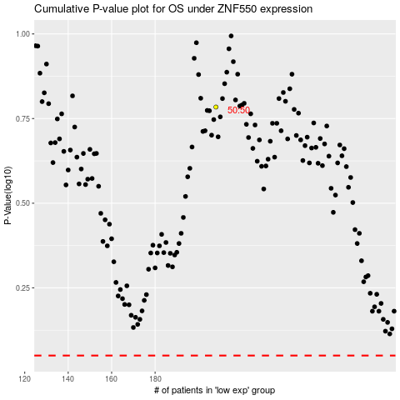

 |  |  |  |  |  | cases_OS | p_OS | rank | exp
 |  |  |  |  |  |  | cases_RFS | p_RFS | rank | exp

