ZNF556 _multivariate
Reported by Tex Li-Hsing Chi. tex@gate.sinica.edu.tw 2019-08-14

Table 2. The clinicopathological features of HNSCC cohort and ZNF556 expression. (Chi square test)
Cutoff at -0.601 (31.2%)
 |  | ZNF556 expression |  | ZNF556 expression |  | (Optimised)
 | Features | Low | (%) | High | (%) | Case no | P-value | Remark | Matthews
Gender | Female | 94 | 22.7 | 212 | 51.1 | 415 | 0.8816 | 0 | 0
2 | Male | 35 | 8.4 | 74 | 17.8
Age at diagnosis | <=65y | 87 | 21 | 187 | 45.1 | 415 | 0.766 | 0 | 0
4 | >65y | 42 | 10.1 | 99 | 23.9
Clinical T Status | T1+T2 | 60 | 14.5 | 89 | 21.4 | 415 | 0.0036 | 1 | 0
6 | T3+T4 | 69 | 16.6 | 197 | 47.5
Clinical N Status | N0 | 63 | 15.2 | 153 | 36.9 | 415 | 0.4394 | 0 | 0
8 | N1-3 | 66 | 15.9 | 133 | 32
Clinical M Status | M0 | 129 | 31.1 | 283 | 68.2 | 415 | 0.5554 | 0 | 0
10 | M1 | 0 | 0 | 3 | 0.7
Clinical Stage | Stage I+II | 34 | 8.2 | 68 | 16.4 | 415 | 0.6586 | 0 | 0
12 | Stage III+IV | 95 | 22.9 | 218 | 52.5
Surgical Margin status | Negative | 97 | 23.4 | 221 | 53.3 | 415 | 0.7071 | 0 | 0
14 | Positive | 32 | 7.7 | 65 | 15.7
Tobacco Exposure | Low | 64 | 15.4 | 97 | 23.4 | 415 | 0.0032 | 1 | 0
16 | High | 65 | 15.7 | 189 | 45.5

Table 3. Univariate/Multivariate Cox's proportional hazards regression analyses on OS time of ZNF556 gene expression in HNSCC

 |  | Univariate |  |  |  | Multivariate
 | Features | HR | CI95%(L) | CI95%(H) | P-value | HR | CI95%(L) | CI95%(H) | P-value
1 | Female | 1 |  |  |  | 1
Gender | Male | 1.157 | 0.843 | 1.587 | 0.367 | 1.22 | 0.873 | 1.707 | 0.245
11 | <=65y | 1 |  |  |  | 1
Age at diagnosis | >65y | 1.329 | 0.99 | 1.784 | 0.058 | 1.39 | 1.022 | 1.891 | 0.036
12 | T1+T2 | 1 |  |  |  | 1
Clinical T Status | T3+T4 | 1.409 | 1.028 | 1.931 | 0.033 | 2.02 | 1.06 | 3.848 | 0.033
13 | N0 | 1 |  |  |  | 1
Clinical N Status | N1-3 | 1.185 | 0.89 | 1.577 | 0.246 | 1.242 | 0.87 | 1.773 | 0.232
14 | M0 | 1 |  |  |  | 1
Clinical M Status | M1 | 4.097 | 1.009 | 16.644 | 0.049 | 8.115 | 1.754 | 37.54 | 0.007
15 | Stage I+II | 1 |  |  |  | 1
Clinical Stage | Stage III+IV | 1.245 | 0.882 | 1.759 | 0.213 | 0.536 | 0.249 | 1.155 | 0.111
16 | Negative | 1 |  |  |  | 1
Surgical Margin status | Positive | 1.591 | 1.155 | 2.191 | 0.004 | 1.702 | 1.23 | 2.356 | 0.001
17 | Low | 1 |  |  |  | 1
Tobacco Exposure | High | 1.364 | 1.008 | 1.844 | 0.044 | 1.403 | 1.015 | 1.94 | 0.04
18 | Low | 1 |  |  |  | 1
RNAseq(z-score) | High | 1.429 | 1.028 | 1.988 | 0.034 | 1.325 | 0.941 | 1.864 | 0.107

Table 4. Univariate/Multivariate Cox's proportional hazards regression analyses on RFS time of ZNF556 gene expression in HNSCC

 |  | Univariate |  |  |  | Multivariate
 | Features | HR | CI95%(L) | CI95%(H) | P-value | HR | CI95%(L) | CI95%(H) | P-value
1 | Female | 1 |  |  |  | 1
Gender | Male | 1.157 | 0.843 | 1.587 | 0.367 | 1.22 | 0.873 | 1.707 | 0.245
11 | <=65y | 1 |  |  |  | 1
Age at diagnosis | >65y | 1.329 | 0.99 | 1.784 | 0.058 | 1.39 | 1.022 | 1.891 | 0.036
12 | T1+T2 | 1 |  |  |  | 1
Clinical T Status | T3+T4 | 1.409 | 1.028 | 1.931 | 0.033 | 2.02 | 1.06 | 3.848 | 0.033
13 | N0 | 1 |  |  |  | 1
Clinical N Status | N1-3 | 1.185 | 0.89 | 1.577 | 0.246 | 1.242 | 0.87 | 1.773 | 0.232
14 | M0 | 1 |  |  |  | 1
Clinical M Status | M1 | 4.097 | 1.009 | 16.644 | 0.049 | 8.115 | 1.754 | 37.54 | 0.007
15 | Stage I+II | 1 |  |  |  | 1
Clinical Stage | Stage III+IV | 1.245 | 0.882 | 1.759 | 0.213 | 0.536 | 0.249 | 1.155 | 0.111
16 | Negative | 1 |  |  |  | 1
Surgical Margin status | Positive | 1.591 | 1.155 | 2.191 | 0.004 | 1.702 | 1.23 | 2.356 | 0.001
17 | Low | 1 |  |  |  | 1
Tobacco Exposure | High | 1.364 | 1.008 | 1.844 | 0.044 | 1.403 | 1.015 | 1.94 | 0.04
18 | Low | 1 |  |  |  | 1
RNAseq(z-score) | High | 1.429 | 1.028 | 1.988 | 0.034 | 1.325 | 0.941 | 1.864 | 0.107

Kaplan-Meier survival estimate: Cutoff at -0.601 (31.2%)



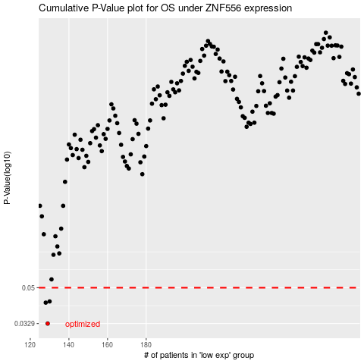

 |  |  |  |  |  | cases_OS | p_OS | rank | exp
 |  |  |  |  |  | 129 | 0.0329 | 143 | -0.60079129611
 |  |  |  |  |  | 128 | 0.042 | 49 | -0.60100219136
 |  |  |  |  |  | 130 | 0.0426 | 176 | -0.6004102047
 |  |  |  |  |  |  | cases_RFS | p_RFS | rank | exp
 |  |  |  |  |  |  | 128 | 0.0329 | 49 | -0.60100219136
 |  |  |  |  |  |  | 127 | 0.042 | 245 | -0.60248585792
 |  |  |  |  |  |  | 129 | 0.0426 | 143 | -0.60079129611

