ZNF563 _multivariate
Reported by Tex Li-Hsing Chi. tex@gate.sinica.edu.tw 2019-08-14

Table 2. The clinicopathological features of HNSCC cohort and ZNF563 expression. (Chi square test)
Cutoff at -0.227 (49.8%)
 |  | ZNF563 expression |  | ZNF563 expression |  | (Optimised)
 | Features | Low | (%) | High | (%) | Case no | P-value | Remark | Matthews
Gender | Female | 149 | 35.9 | 157 | 37.8 | 415 | 0.4848 | 0 | 0
2 | Male | 58 | 14 | 51 | 12.3
Age at diagnosis | <=65y | 138 | 33.3 | 136 | 32.8 | 415 | 0.8634 | 0 | 0
4 | >65y | 69 | 16.6 | 72 | 17.3
Clinical T Status | T1+T2 | 72 | 17.3 | 77 | 18.6 | 415 | 0.7095 | 0 | 0
6 | T3+T4 | 135 | 32.5 | 131 | 31.6
Clinical N Status | N0 | 101 | 24.3 | 115 | 27.7 | 415 | 0.2201 | 0 | 0
8 | N1-3 | 106 | 25.5 | 93 | 22.4
Clinical M Status | M0 | 205 | 49.4 | 207 | 49.9 | 415 | 0.6232 | 0 | 0
10 | M1 | 2 | 0.5 | 1 | 0.2
Clinical Stage | Stage I+II | 48 | 11.6 | 54 | 13 | 415 | 0.5878 | 0 | 0
12 | Stage III+IV | 159 | 38.3 | 154 | 37.1
Surgical Margin status | Negative | 168 | 40.5 | 150 | 36.1 | 415 | 0.0366 | 1 | 0
14 | Positive | 39 | 9.4 | 58 | 14
Tobacco Exposure | Low | 77 | 18.6 | 84 | 20.2 | 415 | 0.5459 | 0 | 0
16 | High | 130 | 31.3 | 124 | 29.9

Table 3. Univariate/Multivariate Cox's proportional hazards regression analyses on OS time of ZNF563 gene expression in HNSCC

 |  | Univariate |  |  |  | Multivariate
 | Features | HR | CI95%(L) | CI95%(H) | P-value | HR | CI95%(L) | CI95%(H) | P-value
1 | Female | 1 |  |  |  | 1
Gender | Male | 1.157 | 0.843 | 1.587 | 0.367 | 1.199 | 0.858 | 1.675 | 0.288
11 | <=65y | 1 |  |  |  | 1
Age at diagnosis | >65y | 1.329 | 0.99 | 1.784 | 0.058 | 1.392 | 1.023 | 1.893 | 0.035
12 | T1+T2 | 1 |  |  |  | 1
Clinical T Status | T3+T4 | 1.409 | 1.028 | 1.931 | 0.033 | 2.228 | 1.178 | 4.214 | 0.014
13 | N0 | 1 |  |  |  | 1
Clinical N Status | N1-3 | 1.185 | 0.89 | 1.577 | 0.246 | 1.202 | 0.84 | 1.721 | 0.314
14 | M0 | 1 |  |  |  | 1
Clinical M Status | M1 | 4.097 | 1.009 | 16.644 | 0.049 | 9.493 | 2.07 | 43.523 | 0.004
15 | Stage I+II | 1 |  |  |  | 1
Clinical Stage | Stage III+IV | 1.245 | 0.882 | 1.759 | 0.213 | 0.503 | 0.234 | 1.079 | 0.077
16 | Negative | 1 |  |  |  | 1
Surgical Margin status | Positive | 1.591 | 1.155 | 2.191 | 0.004 | 1.739 | 1.251 | 2.418 | 0.001
17 | Low | 1 |  |  |  | 1
Tobacco Exposure | High | 1.364 | 1.008 | 1.844 | 0.044 | 1.458 | 1.057 | 2.01 | 0.021
18 | Low | 1 |  |  |  | 1
RNAseq(z-score) | High | 0.884 | 0.663 | 1.178 | 0.4 | 0.827 | 0.616 | 1.112 | 0.209

Table 4. Univariate/Multivariate Cox's proportional hazards regression analyses on RFS time of ZNF563 gene expression in HNSCC

 |  | Univariate |  |  |  | Multivariate
 | Features | HR | CI95%(L) | CI95%(H) | P-value | HR | CI95%(L) | CI95%(H) | P-value
1 | Female | 1 |  |  |  | 1
Gender | Male | 1.157 | 0.843 | 1.587 | 0.367 | 1.199 | 0.858 | 1.675 | 0.288
11 | <=65y | 1 |  |  |  | 1
Age at diagnosis | >65y | 1.329 | 0.99 | 1.784 | 0.058 | 1.392 | 1.023 | 1.893 | 0.035
12 | T1+T2 | 1 |  |  |  | 1
Clinical T Status | T3+T4 | 1.409 | 1.028 | 1.931 | 0.033 | 2.228 | 1.178 | 4.214 | 0.014
13 | N0 | 1 |  |  |  | 1
Clinical N Status | N1-3 | 1.185 | 0.89 | 1.577 | 0.246 | 1.202 | 0.84 | 1.721 | 0.314
14 | M0 | 1 |  |  |  | 1
Clinical M Status | M1 | 4.097 | 1.009 | 16.644 | 0.049 | 9.493 | 2.07 | 43.523 | 0.004
15 | Stage I+II | 1 |  |  |  | 1
Clinical Stage | Stage III+IV | 1.245 | 0.882 | 1.759 | 0.213 | 0.503 | 0.234 | 1.079 | 0.077
16 | Negative | 1 |  |  |  | 1
Surgical Margin status | Positive | 1.591 | 1.155 | 2.191 | 0.004 | 1.739 | 1.251 | 2.418 | 0.001
17 | Low | 1 |  |  |  | 1
Tobacco Exposure | High | 1.364 | 1.008 | 1.844 | 0.044 | 1.458 | 1.057 | 2.01 | 0.021
18 | Low | 1 |  |  |  | 1
RNAseq(z-score) | High | 0.884 | 0.663 | 1.178 | 0.4 | 0.827 | 0.616 | 1.112 | 0.209

Kaplan-Meier survival estimate: Cutoff at -0.227 (49.8%)



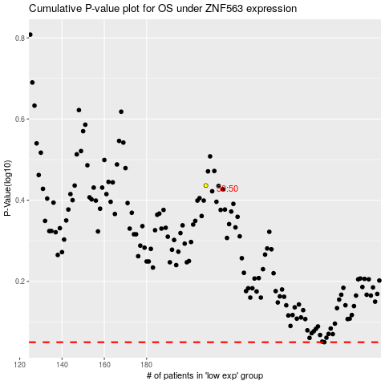

 |  |  |  |  |  | cases_OS | p_OS | rank | exp
 |  |  |  |  |  |  | cases_RFS | p_RFS | rank | exp

