ZNF567 _multivariate
Reported by Tex Li-Hsing Chi. tex@gate.sinica.edu.tw 2019-08-14

Table 2. The clinicopathological features of HNSCC cohort and ZNF567 expression. (Chi square test)
Cutoff at -0.026 (59.7%)
 |  | ZNF567 expression |  | ZNF567 expression |  | (Optimised)
 | Features | Low | (%) | High | (%) | Case no | P-value | Remark | Matthews
Gender | Female | 175 | 42.2 | 131 | 31.6 | 415 | 0.094 | 0 | 0
2 | Male | 73 | 17.6 | 36 | 8.7
Age at diagnosis | <=65y | 157 | 37.8 | 117 | 28.2 | 415 | 0.1872 | 0 | 0
4 | >65y | 91 | 21.9 | 50 | 12
Clinical T Status | T1+T2 | 83 | 20 | 66 | 15.9 | 415 | 0.2476 | 0 | 0
6 | T3+T4 | 165 | 39.8 | 101 | 24.3
Clinical N Status | N0 | 128 | 30.8 | 88 | 21.2 | 415 | 0.9076 | 0 | 0
8 | N1-3 | 120 | 28.9 | 79 | 19
Clinical M Status | M0 | 245 | 59 | 167 | 40.2 | 415 | 0.2768 | 0 | 0
10 | M1 | 3 | 0.7 | 0 | 0
Clinical Stage | Stage I+II | 56 | 13.5 | 46 | 11.1 | 415 | 0.3004 | 0 | 0
12 | Stage III+IV | 192 | 46.3 | 121 | 29.2
Surgical Margin status | Negative | 191 | 46 | 127 | 30.6 | 415 | 0.8143 | 0 | 0
14 | Positive | 57 | 13.7 | 40 | 9.6
Tobacco Exposure | Low | 107 | 25.8 | 54 | 13 | 415 | 0.031 | 1 | 0
16 | High | 141 | 34 | 113 | 27.2

Table 3. Univariate/Multivariate Cox's proportional hazards regression analyses on OS time of ZNF567 gene expression in HNSCC

 |  | Univariate |  |  |  | Multivariate
 | Features | HR | CI95%(L) | CI95%(H) | P-value | HR | CI95%(L) | CI95%(H) | P-value
1 | Female | 1 |  |  |  | 1
Gender | Male | 1.157 | 0.843 | 1.587 | 0.367 | 1.179 | 0.844 | 1.649 | 0.335
11 | <=65y | 1 |  |  |  | 1
Age at diagnosis | >65y | 1.329 | 0.99 | 1.784 | 0.058 | 1.386 | 1.02 | 1.883 | 0.037
12 | T1+T2 | 1 |  |  |  | 1
Clinical T Status | T3+T4 | 1.409 | 1.028 | 1.931 | 0.033 | 2.128 | 1.125 | 4.024 | 0.02
13 | N0 | 1 |  |  |  | 1
Clinical N Status | N1-3 | 1.185 | 0.89 | 1.577 | 0.246 | 1.249 | 0.876 | 1.782 | 0.22
14 | M0 | 1 |  |  |  | 1
Clinical M Status | M1 | 4.097 | 1.009 | 16.644 | 0.049 | 8.121 | 1.762 | 37.425 | 0.007
15 | Stage I+II | 1 |  |  |  | 1
Clinical Stage | Stage III+IV | 1.245 | 0.882 | 1.759 | 0.213 | 0.504 | 0.235 | 1.082 | 0.079
16 | Negative | 1 |  |  |  | 1
Surgical Margin status | Positive | 1.591 | 1.155 | 2.191 | 0.004 | 1.7 | 1.23 | 2.35 | 0.001
17 | Low | 1 |  |  |  | 1
Tobacco Exposure | High | 1.364 | 1.008 | 1.844 | 0.044 | 1.504 | 1.088 | 2.079 | 0.014
18 | Low | 1 |  |  |  | 1
RNAseq(z-score) | High | 0.736 | 0.544 | 0.994 | 0.046 | 0.732 | 0.539 | 0.994 | 0.045

Table 4. Univariate/Multivariate Cox's proportional hazards regression analyses on RFS time of ZNF567 gene expression in HNSCC

 |  | Univariate |  |  |  | Multivariate
 | Features | HR | CI95%(L) | CI95%(H) | P-value | HR | CI95%(L) | CI95%(H) | P-value
1 | Female | 1 |  |  |  | 1
Gender | Male | 1.157 | 0.843 | 1.587 | 0.367 | 1.179 | 0.844 | 1.649 | 0.335
11 | <=65y | 1 |  |  |  | 1
Age at diagnosis | >65y | 1.329 | 0.99 | 1.784 | 0.058 | 1.386 | 1.02 | 1.883 | 0.037
12 | T1+T2 | 1 |  |  |  | 1
Clinical T Status | T3+T4 | 1.409 | 1.028 | 1.931 | 0.033 | 2.128 | 1.125 | 4.024 | 0.02
13 | N0 | 1 |  |  |  | 1
Clinical N Status | N1-3 | 1.185 | 0.89 | 1.577 | 0.246 | 1.249 | 0.876 | 1.782 | 0.22
14 | M0 | 1 |  |  |  | 1
Clinical M Status | M1 | 4.097 | 1.009 | 16.644 | 0.049 | 8.121 | 1.762 | 37.425 | 0.007
15 | Stage I+II | 1 |  |  |  | 1
Clinical Stage | Stage III+IV | 1.245 | 0.882 | 1.759 | 0.213 | 0.504 | 0.235 | 1.082 | 0.079
16 | Negative | 1 |  |  |  | 1
Surgical Margin status | Positive | 1.591 | 1.155 | 2.191 | 0.004 | 1.7 | 1.23 | 2.35 | 0.001
17 | Low | 1 |  |  |  | 1
Tobacco Exposure | High | 1.364 | 1.008 | 1.844 | 0.044 | 1.504 | 1.088 | 2.079 | 0.014
18 | Low | 1 |  |  |  | 1
RNAseq(z-score) | High | 0.736 | 0.544 | 0.994 | 0.046 | 0.732 | 0.539 | 0.994 | 0.045

Kaplan-Meier survival estimate: Cutoff at -0.026 (59.7%)



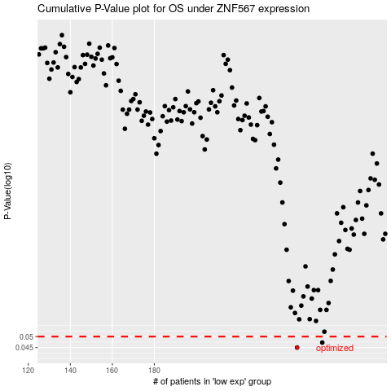

 |  |  |  |  |  | cases_OS | p_OS | rank | exp
 |  |  |  |  |  | 248 | 0.045 | 321 | -0.026242447797
 |  |  |  |  |  | 260 | 0.0472 | 388 | 0.04844231801
 |  |  |  |  |  |  | cases_RFS | p_RFS | rank | exp
 |  |  |  |  |  |  | 247 | 0.045 | 413 | -0.028071880261
 |  |  |  |  |  |  | 259 | 0.0472 | 261 | 0.046640801606

