ZNF572 _multivariate
Reported by Tex Li-Hsing Chi. tex@gate.sinica.edu.tw 2019-08-14

Table 2. The clinicopathological features of HNSCC cohort and ZNF572 expression. (Chi square test)
Cutoff at -0.149 (49.8%)
 |  | ZNF572 expression |  | ZNF572 expression |  | (Optimised)
 | Features | Low | (%) | High | (%) | Case no | P-value | Remark | Matthews
Gender | Female | 145 | 34.9 | 161 | 38.8 | 415 | 0.1116 | 0 | 0
2 | Male | 62 | 14.9 | 47 | 11.3
Age at diagnosis | <=65y | 131 | 31.6 | 143 | 34.5 | 415 | 0.2839 | 0 | 0
4 | >65y | 76 | 18.3 | 65 | 15.7
Clinical T Status | T1+T2 | 69 | 16.6 | 80 | 19.3 | 415 | 0.3239 | 0 | 0
6 | T3+T4 | 138 | 33.3 | 128 | 30.8
Clinical N Status | N0 | 110 | 26.5 | 106 | 25.5 | 415 | 0.7294 | 0 | 0
8 | N1-3 | 97 | 23.4 | 102 | 24.6
Clinical M Status | M0 | 206 | 49.6 | 206 | 49.6 | 415 | 1 | 0 | 0
10 | M1 | 1 | 0.2 | 2 | 0.5
Clinical Stage | Stage I+II | 50 | 12 | 52 | 12.5 | 415 | 0.9315 | 0 | 0
12 | Stage III+IV | 157 | 37.8 | 156 | 37.6
Surgical Margin status | Negative | 158 | 38.1 | 160 | 38.6 | 415 | 0.9081 | 0 | 0
14 | Positive | 49 | 11.8 | 48 | 11.6
Tobacco Exposure | Low | 92 | 22.2 | 69 | 16.6 | 415 | 0.0206 | 1 | 0
16 | High | 115 | 27.7 | 139 | 33.5

Table 3. Univariate/Multivariate Cox's proportional hazards regression analyses on OS time of ZNF572 gene expression in HNSCC

 |  | Univariate |  |  |  | Multivariate
 | Features | HR | CI95%(L) | CI95%(H) | P-value | HR | CI95%(L) | CI95%(H) | P-value
1 | Female | 1 |  |  |  | 1
Gender | Male | 1.157 | 0.843 | 1.587 | 0.367 | 1.21 | 0.864 | 1.694 | 0.267
11 | <=65y | 1 |  |  |  | 1
Age at diagnosis | >65y | 1.329 | 0.99 | 1.784 | 0.058 | 1.397 | 1.027 | 1.901 | 0.033
12 | T1+T2 | 1 |  |  |  | 1
Clinical T Status | T3+T4 | 1.409 | 1.028 | 1.931 | 0.033 | 2.2 | 1.163 | 4.16 | 0.015
13 | N0 | 1 |  |  |  | 1
Clinical N Status | N1-3 | 1.185 | 0.89 | 1.577 | 0.246 | 1.24 | 0.869 | 1.77 | 0.235
14 | M0 | 1 |  |  |  | 1
Clinical M Status | M1 | 4.097 | 1.009 | 16.644 | 0.049 | 9.348 | 2.039 | 42.865 | 0.004
15 | Stage I+II | 1 |  |  |  | 1
Clinical Stage | Stage III+IV | 1.245 | 0.882 | 1.759 | 0.213 | 0.505 | 0.235 | 1.085 | 0.08
16 | Negative | 1 |  |  |  | 1
Surgical Margin status | Positive | 1.591 | 1.155 | 2.191 | 0.004 | 1.669 | 1.208 | 2.306 | 0.002
17 | Low | 1 |  |  |  | 1
Tobacco Exposure | High | 1.364 | 1.008 | 1.844 | 0.044 | 1.441 | 1.042 | 1.991 | 0.027
18 | Low | 1 |  |  |  | 1
RNAseq(z-score) | High | 1.076 | 0.808 | 1.433 | 0.616 | 1.055 | 0.786 | 1.417 | 0.721

Table 4. Univariate/Multivariate Cox's proportional hazards regression analyses on RFS time of ZNF572 gene expression in HNSCC

 |  | Univariate |  |  |  | Multivariate
 | Features | HR | CI95%(L) | CI95%(H) | P-value | HR | CI95%(L) | CI95%(H) | P-value
1 | Female | 1 |  |  |  | 1
Gender | Male | 1.157 | 0.843 | 1.587 | 0.367 | 1.21 | 0.864 | 1.694 | 0.267
11 | <=65y | 1 |  |  |  | 1
Age at diagnosis | >65y | 1.329 | 0.99 | 1.784 | 0.058 | 1.397 | 1.027 | 1.901 | 0.033
12 | T1+T2 | 1 |  |  |  | 1
Clinical T Status | T3+T4 | 1.409 | 1.028 | 1.931 | 0.033 | 2.2 | 1.163 | 4.16 | 0.015
13 | N0 | 1 |  |  |  | 1
Clinical N Status | N1-3 | 1.185 | 0.89 | 1.577 | 0.246 | 1.24 | 0.869 | 1.77 | 0.235
14 | M0 | 1 |  |  |  | 1
Clinical M Status | M1 | 4.097 | 1.009 | 16.644 | 0.049 | 9.348 | 2.039 | 42.865 | 0.004
15 | Stage I+II | 1 |  |  |  | 1
Clinical Stage | Stage III+IV | 1.245 | 0.882 | 1.759 | 0.213 | 0.505 | 0.235 | 1.085 | 0.08
16 | Negative | 1 |  |  |  | 1
Surgical Margin status | Positive | 1.591 | 1.155 | 2.191 | 0.004 | 1.669 | 1.208 | 2.306 | 0.002
17 | Low | 1 |  |  |  | 1
Tobacco Exposure | High | 1.364 | 1.008 | 1.844 | 0.044 | 1.441 | 1.042 | 1.991 | 0.027
18 | Low | 1 |  |  |  | 1
RNAseq(z-score) | High | 1.076 | 0.808 | 1.433 | 0.616 | 1.055 | 0.786 | 1.417 | 0.721

Kaplan-Meier survival estimate: Cutoff at -0.149 (49.8%)



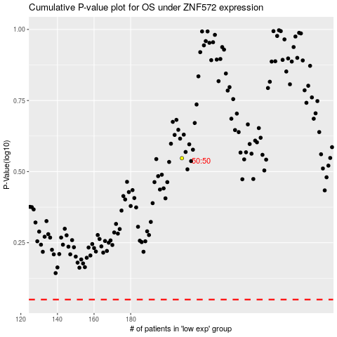

 |  |  |  |  |  | cases_OS | p_OS | rank | exp
 |  |  |  |  |  |  | cases_RFS | p_RFS | rank | exp

