ZNF576 _multivariate
Reported by Tex Li-Hsing Chi. tex@gate.sinica.edu.tw 2019-08-14

Table 2. The clinicopathological features of HNSCC cohort and ZNF576 expression. (Chi square test)
Cutoff at -0.303 (49.8%)
 |  | ZNF576 expression |  | ZNF576 expression |  | (Optimised)
 | Features | Low | (%) | High | (%) | Case no | P-value | Remark | Matthews
Gender | Female | 145 | 34.9 | 161 | 38.8 | 415 | 0.1116 | 0 | 0
2 | Male | 62 | 14.9 | 47 | 11.3
Age at diagnosis | <=65y | 137 | 33 | 137 | 33 | 415 | 1 | 0 | 0
4 | >65y | 70 | 16.9 | 71 | 17.1
Clinical T Status | T1+T2 | 69 | 16.6 | 80 | 19.3 | 415 | 0.3239 | 0 | 0
6 | T3+T4 | 138 | 33.3 | 128 | 30.8
Clinical N Status | N0 | 111 | 26.7 | 105 | 25.3 | 415 | 0.5875 | 0 | 0
8 | N1-3 | 96 | 23.1 | 103 | 24.8
Clinical M Status | M0 | 206 | 49.6 | 206 | 49.6 | 415 | 1 | 0 | 0
10 | M1 | 1 | 0.2 | 2 | 0.5
Clinical Stage | Stage I+II | 51 | 12.3 | 51 | 12.3 | 415 | 1 | 0 | 0
12 | Stage III+IV | 156 | 37.6 | 157 | 37.8
Surgical Margin status | Negative | 165 | 39.8 | 153 | 36.9 | 415 | 0.1639 | 0 | 0
14 | Positive | 42 | 10.1 | 55 | 13.3
Tobacco Exposure | Low | 77 | 18.6 | 84 | 20.2 | 415 | 0.5459 | 0 | 0
16 | High | 130 | 31.3 | 124 | 29.9

Table 3. Univariate/Multivariate Cox's proportional hazards regression analyses on OS time of ZNF576 gene expression in HNSCC

 |  | Univariate |  |  |  | Multivariate
 | Features | HR | CI95%(L) | CI95%(H) | P-value | HR | CI95%(L) | CI95%(H) | P-value
1 | Female | 1 |  |  |  | 1
Gender | Male | 1.157 | 0.843 | 1.587 | 0.367 | 1.2 | 0.859 | 1.676 | 0.285
11 | <=65y | 1 |  |  |  | 1
Age at diagnosis | >65y | 1.329 | 0.99 | 1.784 | 0.058 | 1.393 | 1.025 | 1.894 | 0.034
12 | T1+T2 | 1 |  |  |  | 1
Clinical T Status | T3+T4 | 1.409 | 1.028 | 1.931 | 0.033 | 2.189 | 1.157 | 4.141 | 0.016
13 | N0 | 1 |  |  |  | 1
Clinical N Status | N1-3 | 1.185 | 0.89 | 1.577 | 0.246 | 1.246 | 0.873 | 1.779 | 0.226
14 | M0 | 1 |  |  |  | 1
Clinical M Status | M1 | 4.097 | 1.009 | 16.644 | 0.049 | 9.504 | 2.072 | 43.597 | 0.004
15 | Stage I+II | 1 |  |  |  | 1
Clinical Stage | Stage III+IV | 1.245 | 0.882 | 1.759 | 0.213 | 0.508 | 0.237 | 1.092 | 0.083
16 | Negative | 1 |  |  |  | 1
Surgical Margin status | Positive | 1.591 | 1.155 | 2.191 | 0.004 | 1.676 | 1.213 | 2.317 | 0.002
17 | Low | 1 |  |  |  | 1
Tobacco Exposure | High | 1.364 | 1.008 | 1.844 | 0.044 | 1.455 | 1.056 | 2.005 | 0.022
18 | Low | 1 |  |  |  | 1
RNAseq(z-score) | High | 0.977 | 0.734 | 1.302 | 0.874 | 0.943 | 0.706 | 1.26 | 0.694

Table 4. Univariate/Multivariate Cox's proportional hazards regression analyses on RFS time of ZNF576 gene expression in HNSCC

 |  | Univariate |  |  |  | Multivariate
 | Features | HR | CI95%(L) | CI95%(H) | P-value | HR | CI95%(L) | CI95%(H) | P-value
1 | Female | 1 |  |  |  | 1
Gender | Male | 1.157 | 0.843 | 1.587 | 0.367 | 1.2 | 0.859 | 1.676 | 0.285
11 | <=65y | 1 |  |  |  | 1
Age at diagnosis | >65y | 1.329 | 0.99 | 1.784 | 0.058 | 1.393 | 1.025 | 1.894 | 0.034
12 | T1+T2 | 1 |  |  |  | 1
Clinical T Status | T3+T4 | 1.409 | 1.028 | 1.931 | 0.033 | 2.189 | 1.157 | 4.141 | 0.016
13 | N0 | 1 |  |  |  | 1
Clinical N Status | N1-3 | 1.185 | 0.89 | 1.577 | 0.246 | 1.246 | 0.873 | 1.779 | 0.226
14 | M0 | 1 |  |  |  | 1
Clinical M Status | M1 | 4.097 | 1.009 | 16.644 | 0.049 | 9.504 | 2.072 | 43.597 | 0.004
15 | Stage I+II | 1 |  |  |  | 1
Clinical Stage | Stage III+IV | 1.245 | 0.882 | 1.759 | 0.213 | 0.508 | 0.237 | 1.092 | 0.083
16 | Negative | 1 |  |  |  | 1
Surgical Margin status | Positive | 1.591 | 1.155 | 2.191 | 0.004 | 1.676 | 1.213 | 2.317 | 0.002
17 | Low | 1 |  |  |  | 1
Tobacco Exposure | High | 1.364 | 1.008 | 1.844 | 0.044 | 1.455 | 1.056 | 2.005 | 0.022
18 | Low | 1 |  |  |  | 1
RNAseq(z-score) | High | 0.977 | 0.734 | 1.302 | 0.874 | 0.943 | 0.706 | 1.26 | 0.694

Kaplan-Meier survival estimate: Cutoff at -0.303 (49.8%)



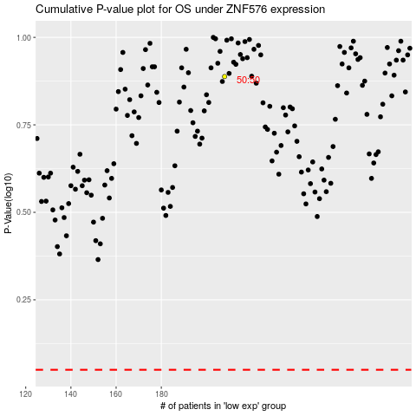

 |  |  |  |  |  | cases_OS | p_OS | rank | exp
 |  |  |  |  |  |  | cases_RFS | p_RFS | rank | exp

