ZNF579 _multivariate
Reported by Tex Li-Hsing Chi. tex@gate.sinica.edu.tw 2019-08-14

Table 2. The clinicopathological features of HNSCC cohort and ZNF579 expression. (Chi square test)
Cutoff at -0.267 (50.0%)
 |  | ZNF579 expression |  | ZNF579 expression |  | (Optimised)
 | Features | Low | (%) | High | (%) | Case no | P-value | Remark | Matthews
Gender | Female | 143 | 34.5 | 163 | 39.3 | 415 | 0.0416 | 1 | 0
2 | Male | 64 | 15.4 | 45 | 10.8
Age at diagnosis | <=65y | 142 | 34.2 | 132 | 31.8 | 415 | 0.3167 | 0 | 0
4 | >65y | 65 | 15.7 | 76 | 18.3
Clinical T Status | T1+T2 | 79 | 19 | 70 | 16.9 | 415 | 0.3924 | 0 | 0
6 | T3+T4 | 128 | 30.8 | 138 | 33.3
Clinical N Status | N0 | 113 | 27.2 | 103 | 24.8 | 415 | 0.3495 | 1 | 0
8 | N1-3 | 94 | 22.7 | 105 | 25.3
Clinical M Status | M0 | 206 | 49.6 | 206 | 49.6 | 415 | 1 | 0 | 0
10 | M1 | 1 | 0.2 | 2 | 0.5
Clinical Stage | Stage I+II | 57 | 13.7 | 45 | 10.8 | 415 | 0.1998 | 0 | 0
12 | Stage III+IV | 150 | 36.1 | 163 | 39.3
Surgical Margin status | Negative | 163 | 39.3 | 155 | 37.3 | 415 | 0.3537 | 0 | 0
14 | Positive | 44 | 10.6 | 53 | 12.8
Tobacco Exposure | Low | 86 | 20.7 | 75 | 18.1 | 415 | 0.2687 | 0 | 0
16 | High | 121 | 29.2 | 133 | 32

Table 3. Univariate/Multivariate Cox's proportional hazards regression analyses on OS time of ZNF579 gene expression in HNSCC

 |  | Univariate |  |  |  | Multivariate
 | Features | HR | CI95%(L) | CI95%(H) | P-value | HR | CI95%(L) | CI95%(H) | P-value
1 | Female | 1 |  |  |  | 1
Gender | Male | 1.157 | 0.843 | 1.587 | 0.367 | 1.21 | 0.864 | 1.694 | 0.267
11 | <=65y | 1 |  |  |  | 1
Age at diagnosis | >65y | 1.329 | 0.99 | 1.784 | 0.058 | 1.385 | 1.018 | 1.884 | 0.038
12 | T1+T2 | 1 |  |  |  | 1
Clinical T Status | T3+T4 | 1.409 | 1.028 | 1.931 | 0.033 | 2.191 | 1.159 | 4.144 | 0.016
13 | N0 | 1 |  |  |  | 1
Clinical N Status | N1-3 | 1.185 | 0.89 | 1.577 | 0.246 | 1.237 | 0.867 | 1.766 | 0.241
14 | M0 | 1 |  |  |  | 1
Clinical M Status | M1 | 4.097 | 1.009 | 16.644 | 0.049 | 9.329 | 2.034 | 42.783 | 0.004
15 | Stage I+II | 1 |  |  |  | 1
Clinical Stage | Stage III+IV | 1.245 | 0.882 | 1.759 | 0.213 | 0.503 | 0.234 | 1.079 | 0.078
16 | Negative | 1 |  |  |  | 1
Surgical Margin status | Positive | 1.591 | 1.155 | 2.191 | 0.004 | 1.67 | 1.209 | 2.307 | 0.002
17 | Low | 1 |  |  |  | 1
Tobacco Exposure | High | 1.364 | 1.008 | 1.844 | 0.044 | 1.453 | 1.054 | 2.002 | 0.022
18 | Low | 1 |  |  |  | 1
RNAseq(z-score) | High | 1.119 | 0.839 | 1.492 | 0.444 | 1.062 | 0.791 | 1.424 | 0.69

Table 4. Univariate/Multivariate Cox's proportional hazards regression analyses on RFS time of ZNF579 gene expression in HNSCC

 |  | Univariate |  |  |  | Multivariate
 | Features | HR | CI95%(L) | CI95%(H) | P-value | HR | CI95%(L) | CI95%(H) | P-value
1 | Female | 1 |  |  |  | 1
Gender | Male | 1.157 | 0.843 | 1.587 | 0.367 | 1.21 | 0.864 | 1.694 | 0.267
11 | <=65y | 1 |  |  |  | 1
Age at diagnosis | >65y | 1.329 | 0.99 | 1.784 | 0.058 | 1.385 | 1.018 | 1.884 | 0.038
12 | T1+T2 | 1 |  |  |  | 1
Clinical T Status | T3+T4 | 1.409 | 1.028 | 1.931 | 0.033 | 2.191 | 1.159 | 4.144 | 0.016
13 | N0 | 1 |  |  |  | 1
Clinical N Status | N1-3 | 1.185 | 0.89 | 1.577 | 0.246 | 1.237 | 0.867 | 1.766 | 0.241
14 | M0 | 1 |  |  |  | 1
Clinical M Status | M1 | 4.097 | 1.009 | 16.644 | 0.049 | 9.329 | 2.034 | 42.783 | 0.004
15 | Stage I+II | 1 |  |  |  | 1
Clinical Stage | Stage III+IV | 1.245 | 0.882 | 1.759 | 0.213 | 0.503 | 0.234 | 1.079 | 0.078
16 | Negative | 1 |  |  |  | 1
Surgical Margin status | Positive | 1.591 | 1.155 | 2.191 | 0.004 | 1.67 | 1.209 | 2.307 | 0.002
17 | Low | 1 |  |  |  | 1
Tobacco Exposure | High | 1.364 | 1.008 | 1.844 | 0.044 | 1.453 | 1.054 | 2.002 | 0.022
18 | Low | 1 |  |  |  | 1
RNAseq(z-score) | High | 1.119 | 0.839 | 1.492 | 0.444 | 1.062 | 0.791 | 1.424 | 0.69

Kaplan-Meier survival estimate: Cutoff at -0.267 (50.0%)



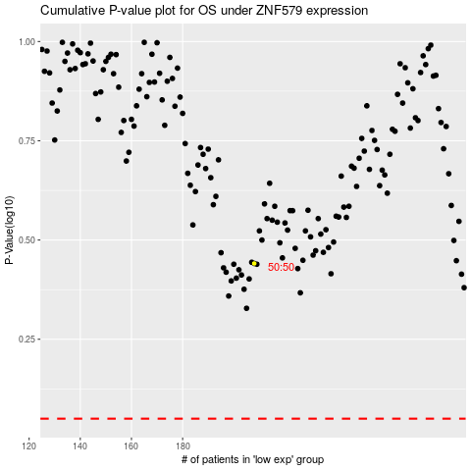

 |  |  |  |  |  | cases_OS | p_OS | rank | exp
 |  |  |  |  |  |  | cases_RFS | p_RFS | rank | exp

