ZNF580 _multivariate
Reported by Tex Li-Hsing Chi. tex@gate.sinica.edu.tw 2019-08-14

Table 2. The clinicopathological features of HNSCC cohort and ZNF580 expression. (Chi square test)
Cutoff at -0.256 (49.8%)
 |  | ZNF580 expression |  | ZNF580 expression |  | (Optimised)
 | Features | Low | (%) | High | (%) | Case no | P-value | Remark | Matthews
Gender | Female | 148 | 35.7 | 158 | 38.1 | 415 | 0.3567 | 0 | 0
2 | Male | 59 | 14.2 | 50 | 12
Age at diagnosis | <=65y | 144 | 34.7 | 130 | 31.3 | 415 | 0.1568 | 0 | 0
4 | >65y | 63 | 15.2 | 78 | 18.8
Clinical T Status | T1+T2 | 78 | 18.8 | 71 | 17.1 | 415 | 0.5152 | 0 | 0
6 | T3+T4 | 129 | 31.1 | 137 | 33
Clinical N Status | N0 | 104 | 25.1 | 112 | 27 | 415 | 0.5243 | 0 | 0
8 | N1-3 | 103 | 24.8 | 96 | 23.1
Clinical M Status | M0 | 204 | 49.2 | 208 | 50.1 | 415 | 0.1232 | 0 | 0
10 | M1 | 3 | 0.7 | 0 | 0
Clinical Stage | Stage I+II | 50 | 12 | 52 | 12.5 | 415 | 0.9315 | 0 | 0
12 | Stage III+IV | 157 | 37.8 | 156 | 37.6
Surgical Margin status | Negative | 160 | 38.6 | 158 | 38.1 | 415 | 0.8167 | 0 | 0
14 | Positive | 47 | 11.3 | 50 | 12
Tobacco Exposure | Low | 84 | 20.2 | 77 | 18.6 | 415 | 0.4816 | 0 | 0
16 | High | 123 | 29.6 | 131 | 31.6

Table 3. Univariate/Multivariate Cox's proportional hazards regression analyses on OS time of ZNF580 gene expression in HNSCC

 |  | Univariate |  |  |  | Multivariate
 | Features | HR | CI95%(L) | CI95%(H) | P-value | HR | CI95%(L) | CI95%(H) | P-value
1 | Female | 1 |  |  |  | 1
Gender | Male | 1.157 | 0.843 | 1.587 | 0.367 | 1.188 | 0.849 | 1.661 | 0.316
11 | <=65y | 1 |  |  |  | 1
Age at diagnosis | >65y | 1.329 | 0.99 | 1.784 | 0.058 | 1.401 | 1.03 | 1.906 | 0.031
12 | T1+T2 | 1 |  |  |  | 1
Clinical T Status | T3+T4 | 1.409 | 1.028 | 1.931 | 0.033 | 2.239 | 1.182 | 4.239 | 0.013
13 | N0 | 1 |  |  |  | 1
Clinical N Status | N1-3 | 1.185 | 0.89 | 1.577 | 0.246 | 1.249 | 0.875 | 1.783 | 0.22
14 | M0 | 1 |  |  |  | 1
Clinical M Status | M1 | 4.097 | 1.009 | 16.644 | 0.049 | 8.982 | 1.951 | 41.359 | 0.005
15 | Stage I+II | 1 |  |  |  | 1
Clinical Stage | Stage III+IV | 1.245 | 0.882 | 1.759 | 0.213 | 0.497 | 0.231 | 1.069 | 0.074
16 | Negative | 1 |  |  |  | 1
Surgical Margin status | Positive | 1.591 | 1.155 | 2.191 | 0.004 | 1.665 | 1.205 | 2.301 | 0.002
17 | Low | 1 |  |  |  | 1
Tobacco Exposure | High | 1.364 | 1.008 | 1.844 | 0.044 | 1.463 | 1.061 | 2.017 | 0.02
18 | Low | 1 |  |  |  | 1
RNAseq(z-score) | High | 0.921 | 0.692 | 1.227 | 0.575 | 0.895 | 0.668 | 1.199 | 0.457

Table 4. Univariate/Multivariate Cox's proportional hazards regression analyses on RFS time of ZNF580 gene expression in HNSCC

 |  | Univariate |  |  |  | Multivariate
 | Features | HR | CI95%(L) | CI95%(H) | P-value | HR | CI95%(L) | CI95%(H) | P-value
1 | Female | 1 |  |  |  | 1
Gender | Male | 1.157 | 0.843 | 1.587 | 0.367 | 1.188 | 0.849 | 1.661 | 0.316
11 | <=65y | 1 |  |  |  | 1
Age at diagnosis | >65y | 1.329 | 0.99 | 1.784 | 0.058 | 1.401 | 1.03 | 1.906 | 0.031
12 | T1+T2 | 1 |  |  |  | 1
Clinical T Status | T3+T4 | 1.409 | 1.028 | 1.931 | 0.033 | 2.239 | 1.182 | 4.239 | 0.013
13 | N0 | 1 |  |  |  | 1
Clinical N Status | N1-3 | 1.185 | 0.89 | 1.577 | 0.246 | 1.249 | 0.875 | 1.783 | 0.22
14 | M0 | 1 |  |  |  | 1
Clinical M Status | M1 | 4.097 | 1.009 | 16.644 | 0.049 | 8.982 | 1.951 | 41.359 | 0.005
15 | Stage I+II | 1 |  |  |  | 1
Clinical Stage | Stage III+IV | 1.245 | 0.882 | 1.759 | 0.213 | 0.497 | 0.231 | 1.069 | 0.074
16 | Negative | 1 |  |  |  | 1
Surgical Margin status | Positive | 1.591 | 1.155 | 2.191 | 0.004 | 1.665 | 1.205 | 2.301 | 0.002
17 | Low | 1 |  |  |  | 1
Tobacco Exposure | High | 1.364 | 1.008 | 1.844 | 0.044 | 1.463 | 1.061 | 2.017 | 0.02
18 | Low | 1 |  |  |  | 1
RNAseq(z-score) | High | 0.921 | 0.692 | 1.227 | 0.575 | 0.895 | 0.668 | 1.199 | 0.457

Kaplan-Meier survival estimate: Cutoff at -0.256 (49.8%)



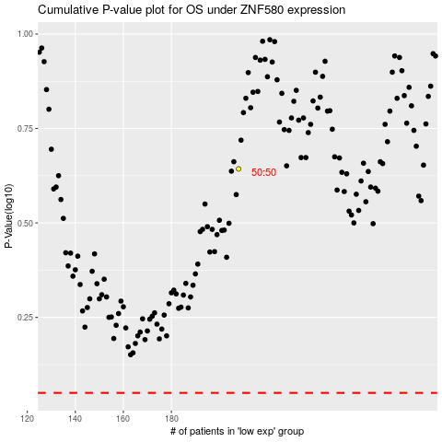

 |  |  |  |  |  | cases_OS | p_OS | rank | exp
 |  |  |  |  |  |  | cases_RFS | p_RFS | rank | exp

