ZNF581 _multivariate
Reported by Tex Li-Hsing Chi. tex@gate.sinica.edu.tw 2019-08-14

Table 2. The clinicopathological features of HNSCC cohort and ZNF581 expression. (Chi square test)
Cutoff at 0.037 (68.8%)
 |  | ZNF581 expression |  | ZNF581 expression |  | (Optimised)
 | Features | Low | (%) | High | (%) | Case no | P-value | Remark | Matthews
Gender | Female | 204 | 49.2 | 102 | 24.6 | 415 | 0.124 | 0 | 0
2 | Male | 82 | 19.8 | 27 | 6.5
Age at diagnosis | <=65y | 194 | 46.7 | 80 | 19.3 | 415 | 0.2956 | 0 | 0
4 | >65y | 92 | 22.2 | 49 | 11.8
Clinical T Status | T1+T2 | 113 | 27.2 | 36 | 8.7 | 415 | 0.03 | 1 | 0
6 | T3+T4 | 173 | 41.7 | 93 | 22.4
Clinical N Status | N0 | 158 | 38.1 | 58 | 14 | 415 | 0.0666 | 0 | 0
8 | N1-3 | 128 | 30.8 | 71 | 17.1
Clinical M Status | M0 | 284 | 68.4 | 128 | 30.8 | 415 | 1 | 0 | 0
10 | M1 | 2 | 0.5 | 1 | 0.2
Clinical Stage | Stage I+II | 79 | 19 | 23 | 5.5 | 415 | 0.0432 | 1 | 0
12 | Stage III+IV | 207 | 49.9 | 106 | 25.5
Surgical Margin status | Negative | 224 | 54 | 94 | 22.7 | 415 | 0.2594 | 0 | 0
14 | Positive | 62 | 14.9 | 35 | 8.4
Tobacco Exposure | Low | 115 | 27.7 | 46 | 11.1 | 415 | 0.3866 | 0 | 0
16 | High | 171 | 41.2 | 83 | 20

Table 3. Univariate/Multivariate Cox's proportional hazards regression analyses on OS time of ZNF581 gene expression in HNSCC

 |  | Univariate |  |  |  | Multivariate
 | Features | HR | CI95%(L) | CI95%(H) | P-value | HR | CI95%(L) | CI95%(H) | P-value
1 | Female | 1 |  |  |  | 1
Gender | Male | 1.157 | 0.843 | 1.587 | 0.367 | 1.235 | 0.881 | 1.73 | 0.221
11 | <=65y | 1 |  |  |  | 1
Age at diagnosis | >65y | 1.329 | 0.99 | 1.784 | 0.058 | 1.384 | 1.017 | 1.884 | 0.039
12 | T1+T2 | 1 |  |  |  | 1
Clinical T Status | T3+T4 | 1.409 | 1.028 | 1.931 | 0.033 | 2.164 | 1.145 | 4.091 | 0.018
13 | N0 | 1 |  |  |  | 1
Clinical N Status | N1-3 | 1.185 | 0.89 | 1.577 | 0.246 | 1.183 | 0.826 | 1.696 | 0.359
14 | M0 | 1 |  |  |  | 1
Clinical M Status | M1 | 4.097 | 1.009 | 16.644 | 0.049 | 9.972 | 2.17 | 45.823 | 0.003
15 | Stage I+II | 1 |  |  |  | 1
Clinical Stage | Stage III+IV | 1.245 | 0.882 | 1.759 | 0.213 | 0.5 | 0.233 | 1.074 | 0.076
16 | Negative | 1 |  |  |  | 1
Surgical Margin status | Positive | 1.591 | 1.155 | 2.191 | 0.004 | 1.675 | 1.212 | 2.314 | 0.002
17 | Low | 1 |  |  |  | 1
Tobacco Exposure | High | 1.364 | 1.008 | 1.844 | 0.044 | 1.469 | 1.064 | 2.028 | 0.019
18 | Low | 1 |  |  |  | 1
RNAseq(z-score) | High | 1.404 | 1.041 | 1.893 | 0.026 | 1.356 | 0.997 | 1.845 | 0.052

Table 4. Univariate/Multivariate Cox's proportional hazards regression analyses on RFS time of ZNF581 gene expression in HNSCC

 |  | Univariate |  |  |  | Multivariate
 | Features | HR | CI95%(L) | CI95%(H) | P-value | HR | CI95%(L) | CI95%(H) | P-value
1 | Female | 1 |  |  |  | 1
Gender | Male | 1.157 | 0.843 | 1.587 | 0.367 | 1.235 | 0.881 | 1.73 | 0.221
11 | <=65y | 1 |  |  |  | 1
Age at diagnosis | >65y | 1.329 | 0.99 | 1.784 | 0.058 | 1.384 | 1.017 | 1.884 | 0.039
12 | T1+T2 | 1 |  |  |  | 1
Clinical T Status | T3+T4 | 1.409 | 1.028 | 1.931 | 0.033 | 2.164 | 1.145 | 4.091 | 0.018
13 | N0 | 1 |  |  |  | 1
Clinical N Status | N1-3 | 1.185 | 0.89 | 1.577 | 0.246 | 1.183 | 0.826 | 1.696 | 0.359
14 | M0 | 1 |  |  |  | 1
Clinical M Status | M1 | 4.097 | 1.009 | 16.644 | 0.049 | 9.972 | 2.17 | 45.823 | 0.003
15 | Stage I+II | 1 |  |  |  | 1
Clinical Stage | Stage III+IV | 1.245 | 0.882 | 1.759 | 0.213 | 0.5 | 0.233 | 1.074 | 0.076
16 | Negative | 1 |  |  |  | 1
Surgical Margin status | Positive | 1.591 | 1.155 | 2.191 | 0.004 | 1.675 | 1.212 | 2.314 | 0.002
17 | Low | 1 |  |  |  | 1
Tobacco Exposure | High | 1.364 | 1.008 | 1.844 | 0.044 | 1.469 | 1.064 | 2.028 | 0.019
18 | Low | 1 |  |  |  | 1
RNAseq(z-score) | High | 1.404 | 1.041 | 1.893 | 0.026 | 1.356 | 0.997 | 1.845 | 0.052

Kaplan-Meier survival estimate: Cutoff at 0.037 (68.8%)

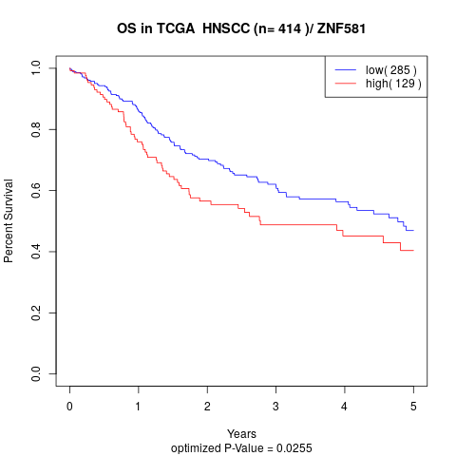

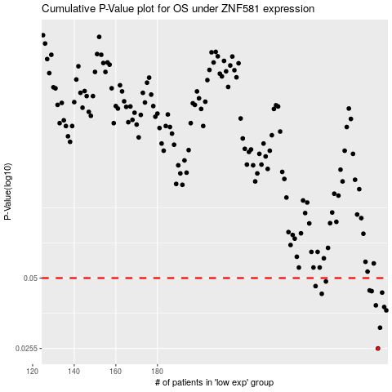

 |  |  |  |  |  | cases_OS | p_OS | rank | exp
 |  |  |  |  |  | 286 | 0.0255 | 371 | 0.036774164656
 |  |  |  |  |  | 287 | 0.0311 | 113 | 0.037080039783
 |  |  |  |  |  | 290 | 0.0367 | 2 | 0.05478776674
 |  |  |  |  |  | 289 | 0.0379 | 25 | 0.052512454915
 |  |  |  |  |  | 285 | 0.0385 | 403 | 0.034504357896
 |  |  |  |  |  | 259 | 0.043 | 257 | -0.11454422165
 |  |  |  |  |  | 288 | 0.0435 | 386 | 0.042708279739
 |  |  |  |  |  | 283 | 0.0441 | 1 | 0.023642178204
 |  |  |  |  |  | 282 | 0.0444 | 358 | 0.016401986653
 |  |  |  |  |  | 256 | 0.0463 | 201 | -0.13754541185
 |  |  |  |  |  | 261 | 0.0484 | 264 | -0.10422050604
 |  |  |  |  |  |  | cases_RFS | p_RFS | rank | exp
 |  |  |  |  |  |  | 285 | 0.0255 | 403 | 0.034504357896
 |  |  |  |  |  |  | 286 | 0.0311 | 371 | 0.036774164656
 |  |  |  |  |  |  | 289 | 0.0367 | 25 | 0.052512454915
 |  |  |  |  |  |  | 288 | 0.0379 | 386 | 0.042708279739
 |  |  |  |  |  |  | 284 | 0.0385 | 231 | 0.034232201287
 |  |  |  |  |  |  | 258 | 0.043 | 363 | -0.13448494025
 |  |  |  |  |  |  | 287 | 0.0435 | 113 | 0.037080039783
 |  |  |  |  |  |  | 282 | 0.0441 | 358 | 0.016401986653
 |  |  |  |  |  |  | 281 | 0.0444 | 381 | 0.012639963442
 |  |  |  |  |  |  | 255 | 0.0463 | 167 | -0.13789051055
 |  |  |  |  |  |  | 260 | 0.0484 | 6 | -0.10717878989

