ZNF584 _multivariate
Reported by Tex Li-Hsing Chi. tex@gate.sinica.edu.tw 2019-08-14

Table 2. The clinicopathological features of HNSCC cohort and ZNF584 expression. (Chi square test)
Cutoff at -0.211 (49.8%)
 |  | ZNF584 expression |  | ZNF584 expression |  | (Optimised)
 | Features | Low | (%) | High | (%) | Case no | P-value | Remark | Matthews
Gender | Female | 135 | 32.5 | 171 | 41.2 | 415 | 1e-04 | 1 | 0
2 | Male | 72 | 17.3 | 37 | 8.9
Age at diagnosis | <=65y | 128 | 30.8 | 146 | 35.2 | 415 | 0.0904 | 0 | 0
4 | >65y | 79 | 19 | 62 | 14.9
Clinical T Status | T1+T2 | 87 | 21 | 62 | 14.9 | 415 | 0.0127 | 1 | 0
6 | T3+T4 | 120 | 28.9 | 146 | 35.2
Clinical N Status | N0 | 117 | 28.2 | 99 | 23.9 | 415 | 0.0852 | 1 | 0
8 | N1-3 | 90 | 21.7 | 109 | 26.3
Clinical M Status | M0 | 206 | 49.6 | 206 | 49.6 | 415 | 1 | 0 | 0
10 | M1 | 1 | 0.2 | 2 | 0.5
Clinical Stage | Stage I+II | 64 | 15.4 | 38 | 9.2 | 415 | 0.004 | 1 | 0
12 | Stage III+IV | 143 | 34.5 | 170 | 41
Surgical Margin status | Negative | 158 | 38.1 | 160 | 38.6 | 415 | 0.9081 | 0 | 0
14 | Positive | 49 | 11.8 | 48 | 11.6
Tobacco Exposure | Low | 101 | 24.3 | 60 | 14.5 | 415 | 0 | 1 | 0
16 | High | 106 | 25.5 | 148 | 35.7

Table 3. Univariate/Multivariate Cox's proportional hazards regression analyses on OS time of ZNF584 gene expression in HNSCC

 |  | Univariate |  |  |  | Multivariate
 | Features | HR | CI95%(L) | CI95%(H) | P-value | HR | CI95%(L) | CI95%(H) | P-value
1 | Female | 1 |  |  |  | 1
Gender | Male | 1.157 | 0.843 | 1.587 | 0.367 | 1.165 | 0.831 | 1.633 | 0.374
11 | <=65y | 1 |  |  |  | 1
Age at diagnosis | >65y | 1.329 | 0.99 | 1.784 | 0.058 | 1.37 | 1.007 | 1.863 | 0.045
12 | T1+T2 | 1 |  |  |  | 1
Clinical T Status | T3+T4 | 1.409 | 1.028 | 1.931 | 0.033 | 2.21 | 1.169 | 4.177 | 0.015
13 | N0 | 1 |  |  |  | 1
Clinical N Status | N1-3 | 1.185 | 0.89 | 1.577 | 0.246 | 1.241 | 0.87 | 1.77 | 0.233
14 | M0 | 1 |  |  |  | 1
Clinical M Status | M1 | 4.097 | 1.009 | 16.644 | 0.049 | 9.44 | 2.059 | 43.281 | 0.004
15 | Stage I+II | 1 |  |  |  | 1
Clinical Stage | Stage III+IV | 1.245 | 0.882 | 1.759 | 0.213 | 0.512 | 0.239 | 1.099 | 0.086
16 | Negative | 1 |  |  |  | 1
Surgical Margin status | Positive | 1.591 | 1.155 | 2.191 | 0.004 | 1.666 | 1.206 | 2.303 | 0.002
17 | Low | 1 |  |  |  | 1
Tobacco Exposure | High | 1.364 | 1.008 | 1.844 | 0.044 | 1.499 | 1.083 | 2.076 | 0.015
18 | Low | 1 |  |  |  | 1
RNAseq(z-score) | High | 0.871 | 0.653 | 1.162 | 0.347 | 0.834 | 0.616 | 1.129 | 0.24

Table 4. Univariate/Multivariate Cox's proportional hazards regression analyses on RFS time of ZNF584 gene expression in HNSCC

 |  | Univariate |  |  |  | Multivariate
 | Features | HR | CI95%(L) | CI95%(H) | P-value | HR | CI95%(L) | CI95%(H) | P-value
1 | Female | 1 |  |  |  | 1
Gender | Male | 1.157 | 0.843 | 1.587 | 0.367 | 1.165 | 0.831 | 1.633 | 0.374
11 | <=65y | 1 |  |  |  | 1
Age at diagnosis | >65y | 1.329 | 0.99 | 1.784 | 0.058 | 1.37 | 1.007 | 1.863 | 0.045
12 | T1+T2 | 1 |  |  |  | 1
Clinical T Status | T3+T4 | 1.409 | 1.028 | 1.931 | 0.033 | 2.21 | 1.169 | 4.177 | 0.015
13 | N0 | 1 |  |  |  | 1
Clinical N Status | N1-3 | 1.185 | 0.89 | 1.577 | 0.246 | 1.241 | 0.87 | 1.77 | 0.233
14 | M0 | 1 |  |  |  | 1
Clinical M Status | M1 | 4.097 | 1.009 | 16.644 | 0.049 | 9.44 | 2.059 | 43.281 | 0.004
15 | Stage I+II | 1 |  |  |  | 1
Clinical Stage | Stage III+IV | 1.245 | 0.882 | 1.759 | 0.213 | 0.512 | 0.239 | 1.099 | 0.086
16 | Negative | 1 |  |  |  | 1
Surgical Margin status | Positive | 1.591 | 1.155 | 2.191 | 0.004 | 1.666 | 1.206 | 2.303 | 0.002
17 | Low | 1 |  |  |  | 1
Tobacco Exposure | High | 1.364 | 1.008 | 1.844 | 0.044 | 1.499 | 1.083 | 2.076 | 0.015
18 | Low | 1 |  |  |  | 1
RNAseq(z-score) | High | 0.871 | 0.653 | 1.162 | 0.347 | 0.834 | 0.616 | 1.129 | 0.24

Kaplan-Meier survival estimate: Cutoff at -0.211 (49.8%)



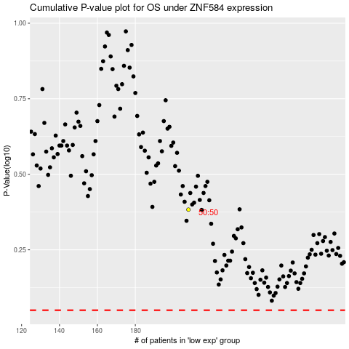

 |  |  |  |  |  | cases_OS | p_OS | rank | exp
 |  |  |  |  |  |  | cases_RFS | p_RFS | rank | exp

