ZNF585A _multivariate
Reported by Tex Li-Hsing Chi. tex@gate.sinica.edu.tw 2019-08-14

Table 2. The clinicopathological features of HNSCC cohort and ZNF585A expression. (Chi square test)
Cutoff at -0.173 (50.0%)
 |  | ZNF585A expression |  | ZNF585A expression |  | (Optimised)
 | Features | Low | (%) | High | (%) | Case no | P-value | Remark | Matthews
Gender | Female | 155 | 37.3 | 151 | 36.4 | 415 | 0.6768 | 0 | 0
2 | Male | 52 | 12.5 | 57 | 13.7
Age at diagnosis | <=65y | 130 | 31.3 | 144 | 34.7 | 415 | 0.2009 | 0 | 0
4 | >65y | 77 | 18.6 | 64 | 15.4
Clinical T Status | T1+T2 | 59 | 14.2 | 90 | 21.7 | 415 | 0.0024 | 1 | 0
6 | T3+T4 | 148 | 35.7 | 118 | 28.4
Clinical N Status | N0 | 117 | 28.2 | 99 | 23.9 | 415 | 0.0852 | 1 | 0
8 | N1-3 | 90 | 21.7 | 109 | 26.3
Clinical M Status | M0 | 206 | 49.6 | 206 | 49.6 | 415 | 1 | 0 | 0
10 | M1 | 1 | 0.2 | 2 | 0.5
Clinical Stage | Stage I+II | 45 | 10.8 | 57 | 13.7 | 415 | 0.2202 | 0 | 0
12 | Stage III+IV | 162 | 39 | 151 | 36.4
Surgical Margin status | Negative | 161 | 38.8 | 157 | 37.8 | 415 | 0.6429 | 0 | 0
14 | Positive | 46 | 11.1 | 51 | 12.3
Tobacco Exposure | Low | 72 | 17.3 | 89 | 21.4 | 415 | 0.1071 | 0 | 0
16 | High | 135 | 32.5 | 119 | 28.7

Table 3. Univariate/Multivariate Cox's proportional hazards regression analyses on OS time of ZNF585A gene expression in HNSCC

 |  | Univariate |  |  |  | Multivariate
 | Features | HR | CI95%(L) | CI95%(H) | P-value | HR | CI95%(L) | CI95%(H) | P-value
1 | Female | 1 |  |  |  | 1
Gender | Male | 1.157 | 0.843 | 1.587 | 0.367 | 1.203 | 0.861 | 1.679 | 0.278
11 | <=65y | 1 |  |  |  | 1
Age at diagnosis | >65y | 1.329 | 0.99 | 1.784 | 0.058 | 1.4 | 1.029 | 1.905 | 0.032
12 | T1+T2 | 1 |  |  |  | 1
Clinical T Status | T3+T4 | 1.409 | 1.028 | 1.931 | 0.033 | 2.244 | 1.184 | 4.252 | 0.013
13 | N0 | 1 |  |  |  | 1
Clinical N Status | N1-3 | 1.185 | 0.89 | 1.577 | 0.246 | 1.234 | 0.864 | 1.761 | 0.247
14 | M0 | 1 |  |  |  | 1
Clinical M Status | M1 | 4.097 | 1.009 | 16.644 | 0.049 | 9.451 | 2.062 | 43.322 | 0.004
15 | Stage I+II | 1 |  |  |  | 1
Clinical Stage | Stage III+IV | 1.245 | 0.882 | 1.759 | 0.213 | 0.504 | 0.235 | 1.081 | 0.079
16 | Negative | 1 |  |  |  | 1
Surgical Margin status | Positive | 1.591 | 1.155 | 2.191 | 0.004 | 1.665 | 1.205 | 2.3 | 0.002
17 | Low | 1 |  |  |  | 1
Tobacco Exposure | High | 1.364 | 1.008 | 1.844 | 0.044 | 1.47 | 1.066 | 2.029 | 0.019
18 | Low | 1 |  |  |  | 1
RNAseq(z-score) | High | 1.003 | 0.753 | 1.336 | 0.984 | 1.107 | 0.826 | 1.484 | 0.495

Table 4. Univariate/Multivariate Cox's proportional hazards regression analyses on RFS time of ZNF585A gene expression in HNSCC

 |  | Univariate |  |  |  | Multivariate
 | Features | HR | CI95%(L) | CI95%(H) | P-value | HR | CI95%(L) | CI95%(H) | P-value
1 | Female | 1 |  |  |  | 1
Gender | Male | 1.157 | 0.843 | 1.587 | 0.367 | 1.203 | 0.861 | 1.679 | 0.278
11 | <=65y | 1 |  |  |  | 1
Age at diagnosis | >65y | 1.329 | 0.99 | 1.784 | 0.058 | 1.4 | 1.029 | 1.905 | 0.032
12 | T1+T2 | 1 |  |  |  | 1
Clinical T Status | T3+T4 | 1.409 | 1.028 | 1.931 | 0.033 | 2.244 | 1.184 | 4.252 | 0.013
13 | N0 | 1 |  |  |  | 1
Clinical N Status | N1-3 | 1.185 | 0.89 | 1.577 | 0.246 | 1.234 | 0.864 | 1.761 | 0.247
14 | M0 | 1 |  |  |  | 1
Clinical M Status | M1 | 4.097 | 1.009 | 16.644 | 0.049 | 9.451 | 2.062 | 43.322 | 0.004
15 | Stage I+II | 1 |  |  |  | 1
Clinical Stage | Stage III+IV | 1.245 | 0.882 | 1.759 | 0.213 | 0.504 | 0.235 | 1.081 | 0.079
16 | Negative | 1 |  |  |  | 1
Surgical Margin status | Positive | 1.591 | 1.155 | 2.191 | 0.004 | 1.665 | 1.205 | 2.3 | 0.002
17 | Low | 1 |  |  |  | 1
Tobacco Exposure | High | 1.364 | 1.008 | 1.844 | 0.044 | 1.47 | 1.066 | 2.029 | 0.019
18 | Low | 1 |  |  |  | 1
RNAseq(z-score) | High | 1.003 | 0.753 | 1.336 | 0.984 | 1.107 | 0.826 | 1.484 | 0.495

Kaplan-Meier survival estimate: Cutoff at -0.173 (50.0%)



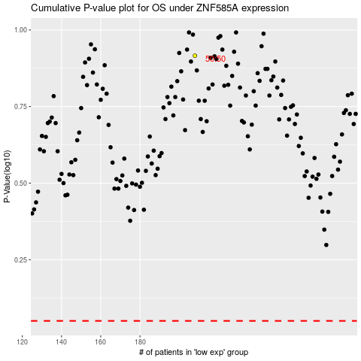

 |  |  |  |  |  | cases_OS | p_OS | rank | exp
 |  |  |  |  |  |  | cases_RFS | p_RFS | rank | exp

