ZNF585B _multivariate
Reported by Tex Li-Hsing Chi. tex@gate.sinica.edu.tw 2019-08-14

Table 2. The clinicopathological features of HNSCC cohort and ZNF585B expression. (Chi square test)
Cutoff at -0.228 (50.0%)
 |  | ZNF585B expression |  | ZNF585B expression |  | (Optimised)
 | Features | Low | (%) | High | (%) | Case no | P-value | Remark | Matthews
Gender | Female | 158 | 38.1 | 148 | 35.7 | 415 | 0.2774 | 0 | 0
2 | Male | 49 | 11.8 | 60 | 14.5
Age at diagnosis | <=65y | 136 | 32.8 | 138 | 33.3 | 415 | 0.9719 | 0 | 0
4 | >65y | 71 | 17.1 | 70 | 16.9
Clinical T Status | T1+T2 | 63 | 15.2 | 86 | 20.7 | 415 | 0.0268 | 1 | 0
6 | T3+T4 | 144 | 34.7 | 122 | 29.4
Clinical N Status | N0 | 108 | 26 | 108 | 26 | 415 | 1 | 0 | 0
8 | N1-3 | 99 | 23.9 | 100 | 24.1
Clinical M Status | M0 | 204 | 49.2 | 208 | 50.1 | 415 | 0.1232 | 0 | 0
10 | M1 | 3 | 0.7 | 0 | 0
Clinical Stage | Stage I+II | 42 | 10.1 | 60 | 14.5 | 415 | 0.0561 | 0 | 0
12 | Stage III+IV | 165 | 39.8 | 148 | 35.7
Surgical Margin status | Negative | 156 | 37.6 | 162 | 39 | 415 | 0.5636 | 0 | 0
14 | Positive | 51 | 12.3 | 46 | 11.1
Tobacco Exposure | Low | 69 | 16.6 | 92 | 22.2 | 415 | 0.0266 | 1 | 0
16 | High | 138 | 33.3 | 116 | 28

Table 3. Univariate/Multivariate Cox's proportional hazards regression analyses on OS time of ZNF585B gene expression in HNSCC

 |  | Univariate |  |  |  | Multivariate
 | Features | HR | CI95%(L) | CI95%(H) | P-value | HR | CI95%(L) | CI95%(H) | P-value
1 | Female | 1 |  |  |  | 1
Gender | Male | 1.157 | 0.843 | 1.587 | 0.367 | 1.21 | 0.866 | 1.691 | 0.265
11 | <=65y | 1 |  |  |  | 1
Age at diagnosis | >65y | 1.329 | 0.99 | 1.784 | 0.058 | 1.386 | 1.019 | 1.885 | 0.038
12 | T1+T2 | 1 |  |  |  | 1
Clinical T Status | T3+T4 | 1.409 | 1.028 | 1.931 | 0.033 | 2.221 | 1.175 | 4.2 | 0.014
13 | N0 | 1 |  |  |  | 1
Clinical N Status | N1-3 | 1.185 | 0.89 | 1.577 | 0.246 | 1.23 | 0.861 | 1.756 | 0.255
14 | M0 | 1 |  |  |  | 1
Clinical M Status | M1 | 4.097 | 1.009 | 16.644 | 0.049 | 10.157 | 2.192 | 47.071 | 0.003
15 | Stage I+II | 1 |  |  |  | 1
Clinical Stage | Stage III+IV | 1.245 | 0.882 | 1.759 | 0.213 | 0.509 | 0.237 | 1.093 | 0.083
16 | Negative | 1 |  |  |  | 1
Surgical Margin status | Positive | 1.591 | 1.155 | 2.191 | 0.004 | 1.681 | 1.216 | 2.323 | 0.002
17 | Low | 1 |  |  |  | 1
Tobacco Exposure | High | 1.364 | 1.008 | 1.844 | 0.044 | 1.485 | 1.073 | 2.055 | 0.017
18 | Low | 1 |  |  |  | 1
RNAseq(z-score) | High | 1.013 | 0.761 | 1.35 | 0.927 | 1.136 | 0.845 | 1.526 | 0.398

Table 4. Univariate/Multivariate Cox's proportional hazards regression analyses on RFS time of ZNF585B gene expression in HNSCC

 |  | Univariate |  |  |  | Multivariate
 | Features | HR | CI95%(L) | CI95%(H) | P-value | HR | CI95%(L) | CI95%(H) | P-value
1 | Female | 1 |  |  |  | 1
Gender | Male | 1.157 | 0.843 | 1.587 | 0.367 | 1.21 | 0.866 | 1.691 | 0.265
11 | <=65y | 1 |  |  |  | 1
Age at diagnosis | >65y | 1.329 | 0.99 | 1.784 | 0.058 | 1.386 | 1.019 | 1.885 | 0.038
12 | T1+T2 | 1 |  |  |  | 1
Clinical T Status | T3+T4 | 1.409 | 1.028 | 1.931 | 0.033 | 2.221 | 1.175 | 4.2 | 0.014
13 | N0 | 1 |  |  |  | 1
Clinical N Status | N1-3 | 1.185 | 0.89 | 1.577 | 0.246 | 1.23 | 0.861 | 1.756 | 0.255
14 | M0 | 1 |  |  |  | 1
Clinical M Status | M1 | 4.097 | 1.009 | 16.644 | 0.049 | 10.157 | 2.192 | 47.071 | 0.003
15 | Stage I+II | 1 |  |  |  | 1
Clinical Stage | Stage III+IV | 1.245 | 0.882 | 1.759 | 0.213 | 0.509 | 0.237 | 1.093 | 0.083
16 | Negative | 1 |  |  |  | 1
Surgical Margin status | Positive | 1.591 | 1.155 | 2.191 | 0.004 | 1.681 | 1.216 | 2.323 | 0.002
17 | Low | 1 |  |  |  | 1
Tobacco Exposure | High | 1.364 | 1.008 | 1.844 | 0.044 | 1.485 | 1.073 | 2.055 | 0.017
18 | Low | 1 |  |  |  | 1
RNAseq(z-score) | High | 1.013 | 0.761 | 1.35 | 0.927 | 1.136 | 0.845 | 1.526 | 0.398

Kaplan-Meier survival estimate: Cutoff at -0.228 (50.0%)



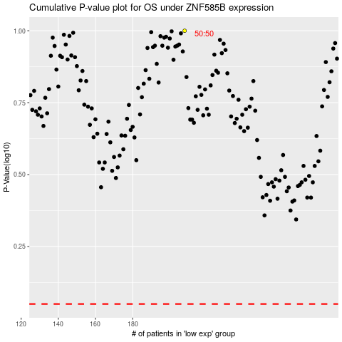

 |  |  |  |  |  | cases_OS | p_OS | rank | exp
 |  |  |  |  |  |  | cases_RFS | p_RFS | rank | exp

