ZNF586 _multivariate
Reported by Tex Li-Hsing Chi. tex@gate.sinica.edu.tw 2019-08-14

Table 2. The clinicopathological features of HNSCC cohort and ZNF586 expression. (Chi square test)
Cutoff at -0.221 (50.0%)
 |  | ZNF586 expression |  | ZNF586 expression |  | (Optimised)
 | Features | Low | (%) | High | (%) | Case no | P-value | Remark | Matthews
Gender | Female | 148 | 35.7 | 158 | 38.1 | 415 | 0.3567 | 0 | 0
2 | Male | 59 | 14.2 | 50 | 12
Age at diagnosis | <=65y | 137 | 33 | 137 | 33 | 415 | 1 | 0 | 0
4 | >65y | 70 | 16.9 | 71 | 17.1
Clinical T Status | T1+T2 | 78 | 18.8 | 71 | 17.1 | 415 | 0.5152 | 0 | 0
6 | T3+T4 | 129 | 31.1 | 137 | 33
Clinical N Status | N0 | 114 | 27.5 | 102 | 24.6 | 415 | 0.2576 | 1 | 0
8 | N1-3 | 93 | 22.4 | 106 | 25.5
Clinical M Status | M0 | 206 | 49.6 | 206 | 49.6 | 415 | 1 | 0 | 0
10 | M1 | 1 | 0.2 | 2 | 0.5
Clinical Stage | Stage I+II | 59 | 14.2 | 43 | 10.4 | 415 | 0.0822 | 0 | 0
12 | Stage III+IV | 148 | 35.7 | 165 | 39.8
Surgical Margin status | Negative | 168 | 40.5 | 150 | 36.1 | 415 | 0.0366 | 1 | 0
14 | Positive | 39 | 9.4 | 58 | 14
Tobacco Exposure | Low | 85 | 20.5 | 76 | 18.3 | 415 | 0.3655 | 0 | 0
16 | High | 122 | 29.4 | 132 | 31.8

Table 3. Univariate/Multivariate Cox's proportional hazards regression analyses on OS time of ZNF586 gene expression in HNSCC

 |  | Univariate |  |  |  | Multivariate
 | Features | HR | CI95%(L) | CI95%(H) | P-value | HR | CI95%(L) | CI95%(H) | P-value
1 | Female | 1 |  |  |  | 1
Gender | Male | 1.157 | 0.843 | 1.587 | 0.367 | 1.204 | 0.862 | 1.682 | 0.277
11 | <=65y | 1 |  |  |  | 1
Age at diagnosis | >65y | 1.329 | 0.99 | 1.784 | 0.058 | 1.384 | 1.015 | 1.887 | 0.04
12 | T1+T2 | 1 |  |  |  | 1
Clinical T Status | T3+T4 | 1.409 | 1.028 | 1.931 | 0.033 | 2.212 | 1.169 | 4.185 | 0.015
13 | N0 | 1 |  |  |  | 1
Clinical N Status | N1-3 | 1.185 | 0.89 | 1.577 | 0.246 | 1.241 | 0.87 | 1.77 | 0.234
14 | M0 | 1 |  |  |  | 1
Clinical M Status | M1 | 4.097 | 1.009 | 16.644 | 0.049 | 9.422 | 2.055 | 43.194 | 0.004
15 | Stage I+II | 1 |  |  |  | 1
Clinical Stage | Stage III+IV | 1.245 | 0.882 | 1.759 | 0.213 | 0.501 | 0.233 | 1.077 | 0.077
16 | Negative | 1 |  |  |  | 1
Surgical Margin status | Positive | 1.591 | 1.155 | 2.191 | 0.004 | 1.67 | 1.208 | 2.308 | 0.002
17 | Low | 1 |  |  |  | 1
Tobacco Exposure | High | 1.364 | 1.008 | 1.844 | 0.044 | 1.456 | 1.056 | 2.007 | 0.022
18 | Low | 1 |  |  |  | 1
RNAseq(z-score) | High | 1.056 | 0.793 | 1.407 | 0.71 | 1.04 | 0.777 | 1.393 | 0.79

Table 4. Univariate/Multivariate Cox's proportional hazards regression analyses on RFS time of ZNF586 gene expression in HNSCC

 |  | Univariate |  |  |  | Multivariate
 | Features | HR | CI95%(L) | CI95%(H) | P-value | HR | CI95%(L) | CI95%(H) | P-value
1 | Female | 1 |  |  |  | 1
Gender | Male | 1.157 | 0.843 | 1.587 | 0.367 | 1.204 | 0.862 | 1.682 | 0.277
11 | <=65y | 1 |  |  |  | 1
Age at diagnosis | >65y | 1.329 | 0.99 | 1.784 | 0.058 | 1.384 | 1.015 | 1.887 | 0.04
12 | T1+T2 | 1 |  |  |  | 1
Clinical T Status | T3+T4 | 1.409 | 1.028 | 1.931 | 0.033 | 2.212 | 1.169 | 4.185 | 0.015
13 | N0 | 1 |  |  |  | 1
Clinical N Status | N1-3 | 1.185 | 0.89 | 1.577 | 0.246 | 1.241 | 0.87 | 1.77 | 0.234
14 | M0 | 1 |  |  |  | 1
Clinical M Status | M1 | 4.097 | 1.009 | 16.644 | 0.049 | 9.422 | 2.055 | 43.194 | 0.004
15 | Stage I+II | 1 |  |  |  | 1
Clinical Stage | Stage III+IV | 1.245 | 0.882 | 1.759 | 0.213 | 0.501 | 0.233 | 1.077 | 0.077
16 | Negative | 1 |  |  |  | 1
Surgical Margin status | Positive | 1.591 | 1.155 | 2.191 | 0.004 | 1.67 | 1.208 | 2.308 | 0.002
17 | Low | 1 |  |  |  | 1
Tobacco Exposure | High | 1.364 | 1.008 | 1.844 | 0.044 | 1.456 | 1.056 | 2.007 | 0.022
18 | Low | 1 |  |  |  | 1
RNAseq(z-score) | High | 1.056 | 0.793 | 1.407 | 0.71 | 1.04 | 0.777 | 1.393 | 0.79

Kaplan-Meier survival estimate: Cutoff at -0.221 (50.0%)

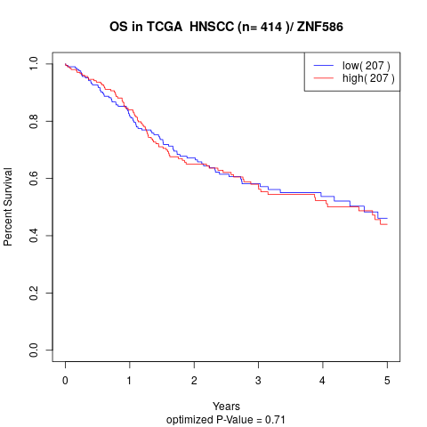

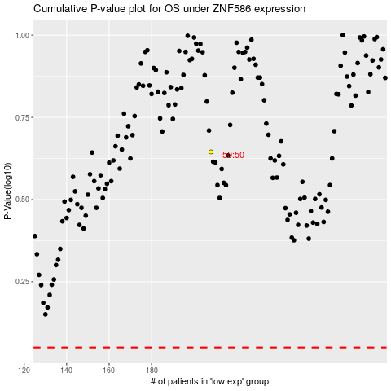

 |  |  |  |  |  | cases_OS | p_OS | rank | exp
 |  |  |  |  |  |  | cases_RFS | p_RFS | rank | exp

